T01.01
T01.01 Significant institutions by country and classification
(number of institutions)

Country | Q4 2018 | Size | Q4 2018
Belgium | 7 | Banks with total assets
Germany | 20 | Less than €30 billion | 30
Estonia | 2 | Between €30 billion and €100 billion | 42
Ireland | 5 | Between €100 billion and €200 billion | 14
Greece | 4 | More than €200 billion | 16
Spain | 12 | G-SIBs 2) | 8
France | 11 | Total | 110
Italy | 11
Cyprus | 3
Latvia | 2
Lithuania | 3
Luxembourg | 6
 |  | Geographical diversification | Q4 2018
Malta | 3
Netherlands | 6 | Banks with significant domestic exposures 3) | 26
Austria | 6 | Banks with largest non-domestic exposures
Portugal | 3 | SSM | 52
Slovenia | 3 | Non-SSM EEA 4) | 15
Slovakia 1) | - | Non-EEA Europe 5) | 6
Finland | 3 | RoW 6) | 11
Total | 110 | Total | 110

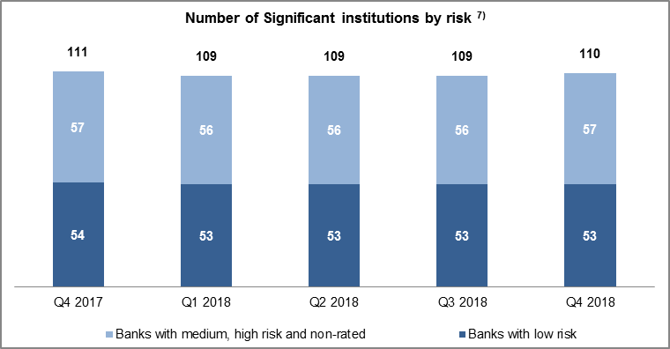

Source: ECB. Notes: Significant institutions at the highest level of consolidation for which common reporting (COREP) and financial reporting (FINREP) are available. The number of entities per reference period reflects changes resulting from amendments to the list of SIs following assessments by ECB Banking Supervision, which generally occur on an annual basis, and mergers and acquisitions. 1) There are no significant institutions at the highest level of consolidation in Slovakia. 2) G-SIBs: global systemically important banks. Data based on the last available list of G-SIBs as published by the Financial Stability Board. 3) Domestic exposures more than 95% of total debt securities and loans and advances. 4) Countries in the European Economic Area (EEA) not participating in the Single Supervisory Mechanism (SSM). 5) European countries not in the EEA. 6) RoW: rest of the world, i.e. all countries except European countries. 7) Risk-based classification using Supervisory Review and Evaluation Process (SREP) results. Non-rated banks are those which have not been assigned a score in a specific SREP cycle, owing for example a recent change in significance, a merger or restructuring, etc. Classification as non-rated does not therefore necessarily indicate a high risk.

T01.02
T01.02 Concentration of total assets
(cumulative percentages of total assets)
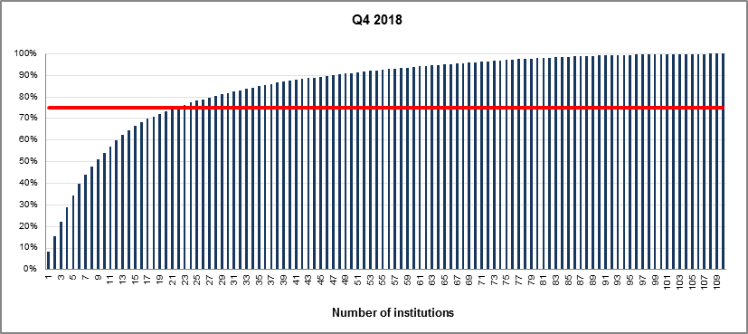

Source: ECB. Notes: Significant institutions at the highest level of consolidation for which common reporting (COREP) and financial reporting (FINREP) are available. The charts show the cumulative percentage of the total assets in the sample which is covered when the total assets of each institution, ordered from the largest to the smallest, are added. For instance, it is shown that the largest institution in the sample accounts for almost 10% and the 20 largest institutions represent approximately 75% of the total assets in the sample.The solid line in red corresponds to the 75th percentile.

T02.02.1
T02.02.1 Key performance indicators by reference period
(percentages)

Indicator 1) 2) | Q4 2017 | Q1 2018 | Q2 2018 | Q3 2018 | Q4 2018
Return on equity (RoE) | 5.92% | 6.61% | 6.88% | 6.85% | 6.16%
Return on assets (RoA) | 0.41% | 0.44% | 0.45% | 0.45% | 0.42%
Cost-to-income ratio (CIR) | 64.22% | 67.43% | 65.85% | 65.10% | 65.81%

Source: ECB. Notes: Significant institutions at the highest level of consolidation for which common reporting (COREP) and financial reporting (FINREP) are available. Specifically, there are 111 banks in the fourth quarter of 2017, 109 in the first, second and third quarter of 2018 and 110 in the fourth quarter of 2018. The number of entities per reference period reflects changes resulting from amendments to the list of SIs following assessments by ECB Banking Supervision, which generally occur on an annual basis, and mergers and acquisitions. 1) RoE and RoA are computed by dividing "net profit/loss" by, respectively, "equity" and "total assets" at the end of the corresponding reference period. The values of "net profit/loss", originally year-to-date, are annualised to increase the comparability of the ratios across quarters. 2) Returns figures may be based on different financial years. To increase consistency, if the end of the financial year is not 31 December, a linear projection of the figures has been made for each reporting period.

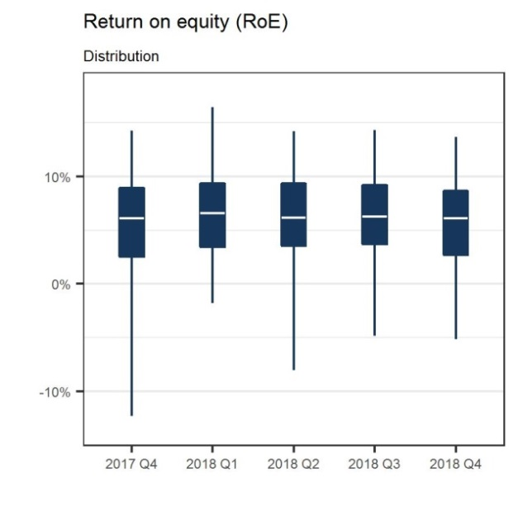
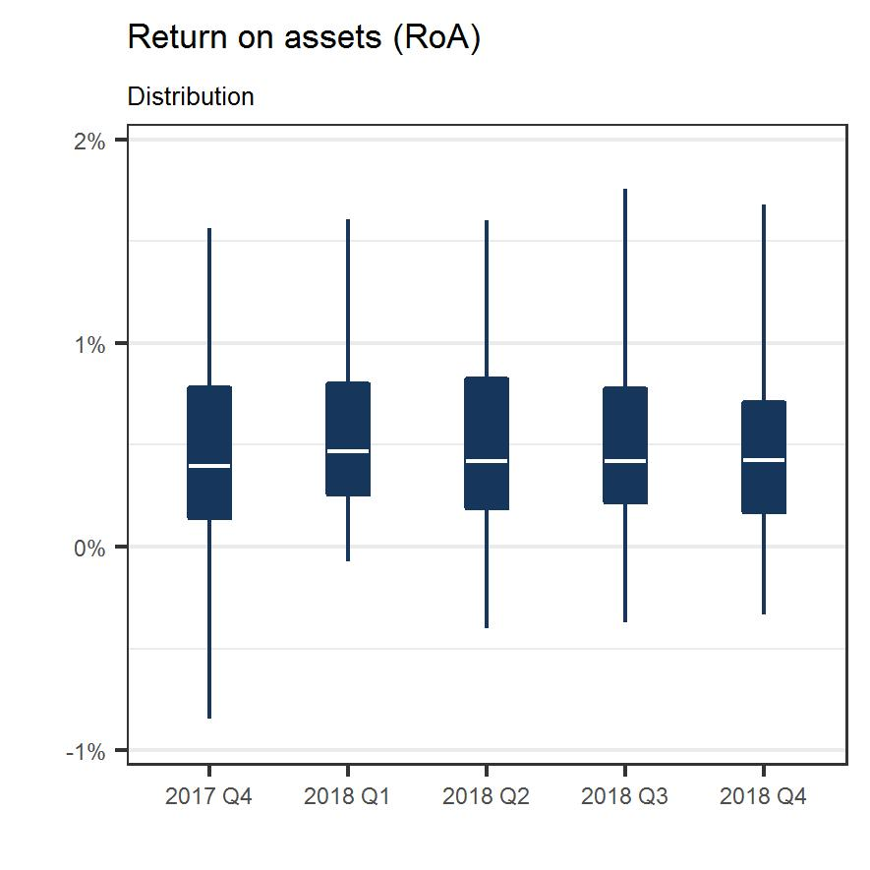
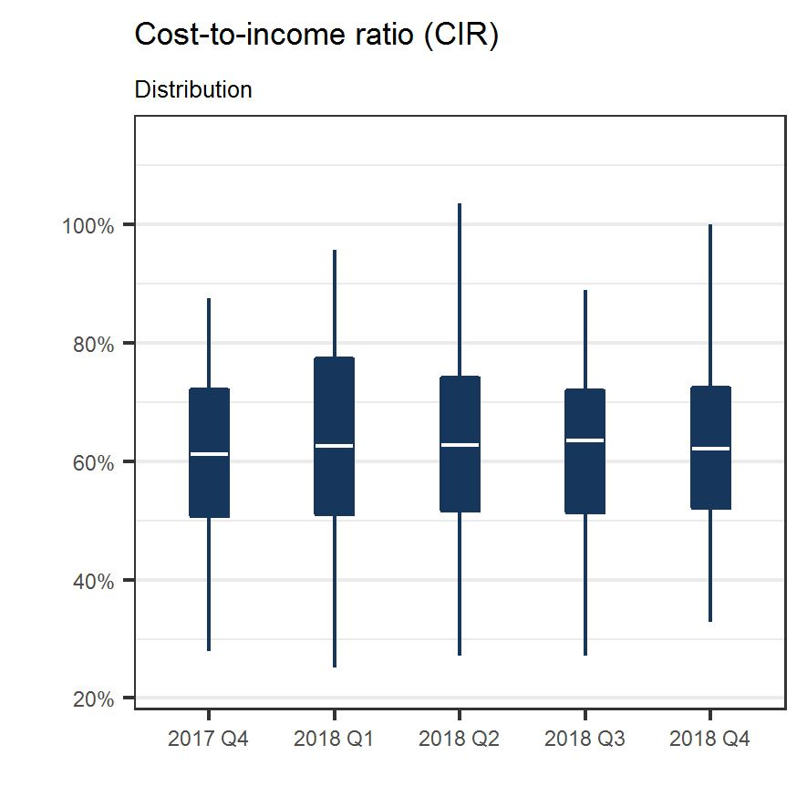

T03.01.1
T03.01.1 Total capital ratio and its components by reference period
(EUR billions; percentages)

Indicator | Q4 2017 | Q1 2018 | Q2 2018 | Q3 2018 | Q4 2018
Total risk exposure amount | 7,724.01 | 7,720.07 | 7,784.70 | 7,738.16 | 7,929.80
CET1 ratio 1) 2) | 14.64% | 14.16% | 14.10% | 14.19% | 14.34%
Tier 1 ratio 2) | 15.63% | 15.34% | 15.30% | 15.40% | 15.54%
Total capital ratio 2) | 18.14% | 17.81% | 17.76% | 17.83% | 17.95%

Source: ECB. Notes: Significant institutions at the highest level of consolidation for which common reporting (COREP) and financial reporting (FINREP) are available. Specifically, there are 111 banks in the fourth quarter of 2017, 109 in the first, second and third quarter of 2018 and 110 in the fourth quarter of 2018. The number of entities per reference period reflects changes resulting from amendments to the list of SIs following assessments by ECB Banking Supervision, which generally occur on an annual basis, and mergers and acquisitions. 1) CET1 stands for Common Equity Tier 1. 2) Total capital, Tier 1 and CET1 follow the transitional provisions laid down in Articles 465 to 491 of Regulation (EU) No 575/2013 on prudential requirements for credit institutions and investment firms (CRR).

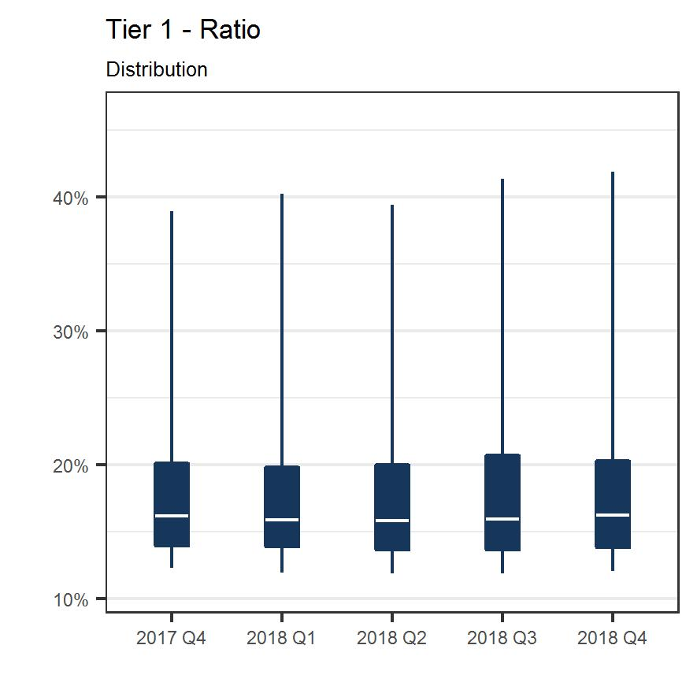
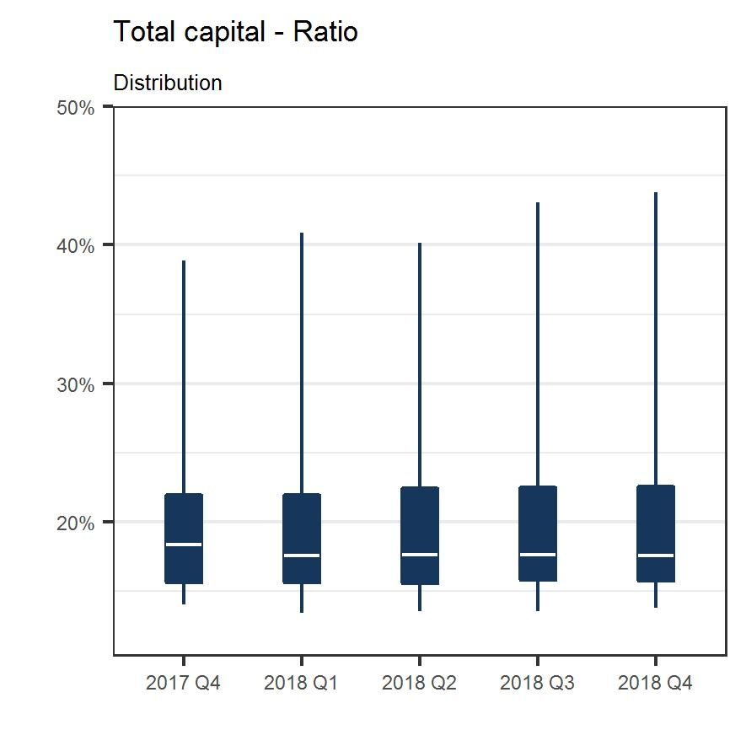
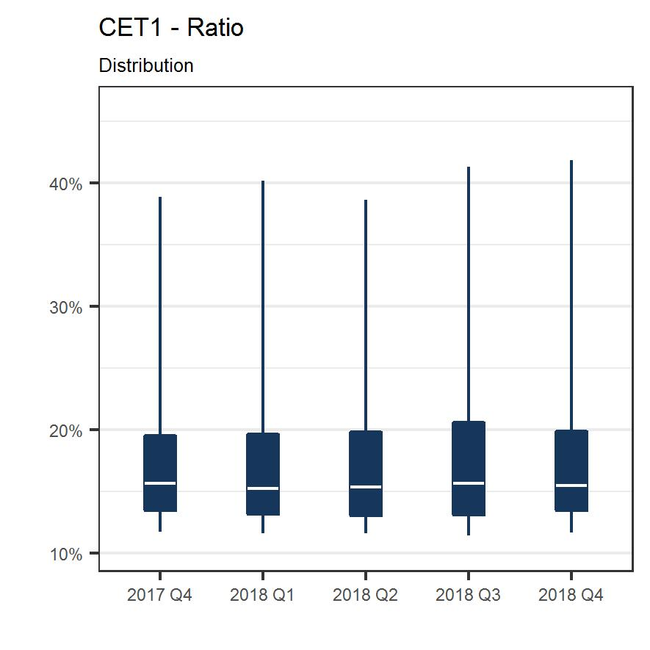

T03.03.1
T03.03.1 Leverage ratios by reference period
(EUR billions; percentages)

Leverage ratio and its components | Q4 2017 | Q1 2018 | Q2 2018 | Q3 2018 | Q4 2018 1)
Exposure values | 21,761.16 | 22,237.62 | 22,409.15 | 22,580.26 | 22,570.92
Assets other than derivatives and securities financing transactions | 18,240.61 | 18,425.46 | 18,533.21 | 18,554.00 | 18,727.20
Derivatives | C | C | C | C | C
Securities financing transactions | 1,249.22 | 1,450.68 | 1,483.92 | 1,536.38 | 1,395.65
Off-balance sheet items | 1,565.61 | 1,603.29 | 1,621.75 | 1,653.23 | 1,698.31
Deductions of exposures to public sector entities funding general interest investments | C | C | C | C | C
Fully phased-in definition
Tier 1 capital | 1,165.66 | 1,133.28 | 1,141.39 | 1,144.44 | 1,180.36
Total exposure | 21,560.15 | 22,035.77 | 22,207.10 | 22,381.04 | 22,365.31
Exposure values | 21,761.16 | 22,237.62 | 22,409.15 | 22,580.26 | 22,570.92
Asset amount deducted from Tier 1 capital | -201.01 | -201.85 | -202.05 | -199.21 | -205.61
Leverage ratio (fully phased-in definition) | 5.41% | 5.14% | 5.14% | 5.11% | 5.28%
Transitional definition
Tier 1 capital | 1,207.38 | 1,183.91 | 1,190.81 | 1,191.74 | 1,228.72
Total exposure | 21,572.21 | 22,057.17 | 22,222.88 | 22,395.37 | 22,380.12
Exposure values | 21,761.16 | 22,237.62 | 22,409.15 | 22,580.26 | 22,570.92
Asset amount deducted from Tier 1 capital | -188.95 | -180.45 | -186.27 | -184.89 | -190.80
Leverage ratio (transitional definition) | 5.60% | 5.37% | 5.36% | 5.32% | 5.49%

Source: ECB. Notes: Significant institutions at the highest level of consolidation for which common reporting (COREP) and financial reporting (FINREP) are available. Specifically, there are 111 banks in the fourth quarter of 2017, 109 in the first, second and third quarter of 2018 and 110 in the fourth quarter of 2018. The number of entities per reference period reflects changes resulting from amendments to the list of SIs following assessments by ECB Banking Supervision, which generally occur on an annual basis, and mergers and acquisitions. C: the value is suppressed for confidentiality reasons. 1) Data for the calculation of the leverage ratio for the fourth quarter of 2018 were not available at the cut-off date for one significant institution.

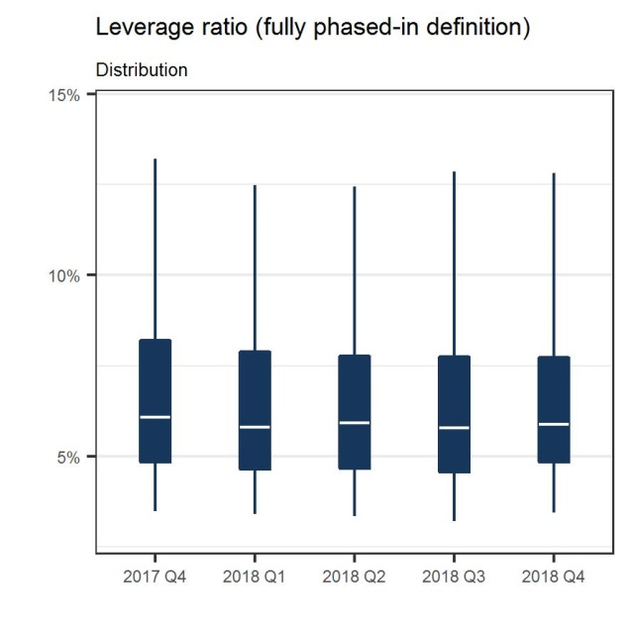
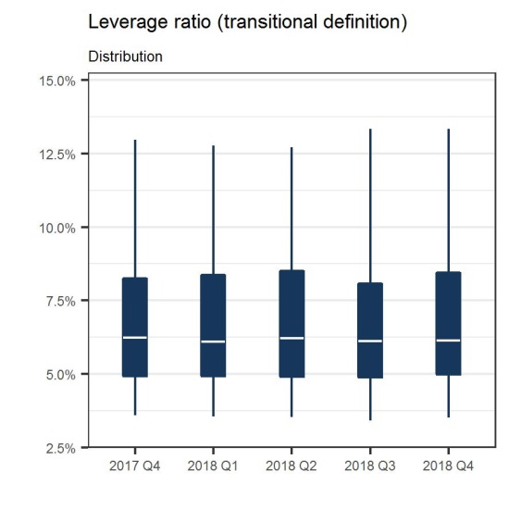

T04.02.1
T04.02.1 Asset quality: non-performing loans and advances by reference period
(EUR billions; percentages)

Item | Q4 2017 | Q1 2018 | Q2 2018 | Q3 2018 | Q4 2018
Loans and advances 1) | 14,650.04 | 14,884.47 | 14,934.56 | 15,057.79 | 15,228.07
Non-performing loans and advances | 721.74 | 699.47 | 656.73 | 627.48 | 579.32
Non-performing loans ratio | 4.93% | 4.70% | 4.40% | 4.17% | 3.80%

Source: ECB. Notes: Significant institutions at the highest level of consolidation for which common reporting (COREP) and financial reporting (FINREP) are available. Specifically, there are 111 banks in the fourth quarter of 2017, 109 in the first, second and third quarter of 2018 and 110 in the fourth quarter of 2018. The number of entities per reference period reflects changes resulting from amendments to the list of SIs following assessments by ECB Banking Supervision, which generally occur on an annual basis, and mergers and acquisitions. 1) Loans and advances in the asset quality tables are displayed at gross carrying amount. In line with FINREP: i) held for trading exposures are excluded, ii) cash balances at central banks and other demand deposits are included.

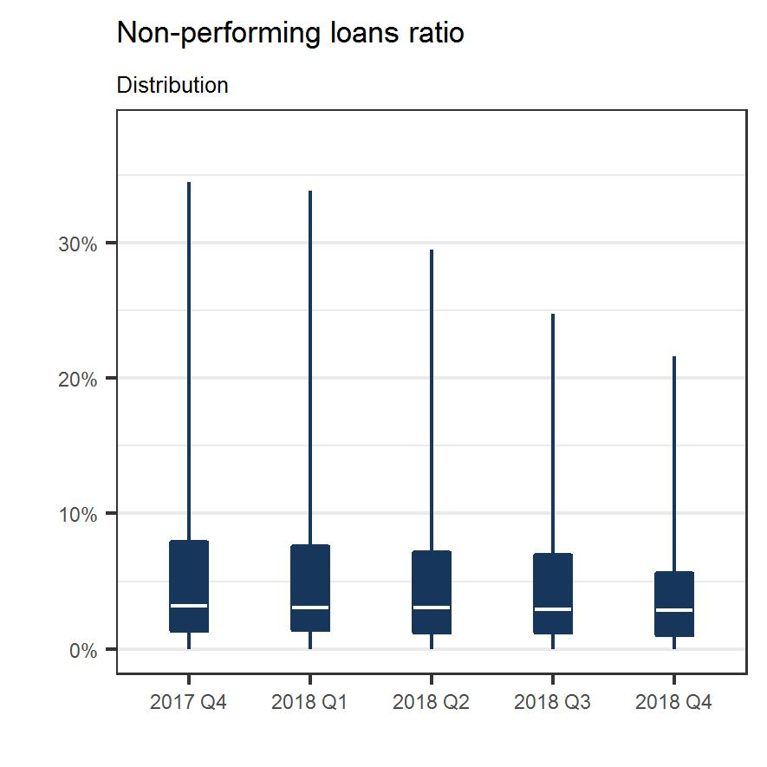

T05.01.1
T05.01.1 Loan-to-deposit ratio by reference period
(EUR billions; percentages)

Indicator | Q4 2017 | Q1 2018 | Q2 2018 | Q3 2018 | Q4 2018
Total loans and advances to non-financial corporations and households | 9,621.46 | 9,666.81 | 9,804.40 | 9,859.15 | 10,220.88
Total deposits to non-financial corporations and households | 8,227.63 | 8,147.69 | 8,270.89 | 8,325.66 | 8,613.58
Loan-to-deposit ratio | 116.94% | 118.64% | 118.54% | 118.42% | 118.66%

Source: ECB. Notes: Significant institutions at the highest level of consolidation for which common reporting (COREP) and financial reporting (FINREP) are available. Specifically, there are 111 banks in the fourth quarter of 2017, 109 in the first, second and third quarter of 2018 and 110 in the fourth quarter of 2018. The number of entities per reference period reflects changes resulting from amendments to the list of SIs following assessments by ECB Banking Supervision, which generally occur on an annual basis, and mergers and acquisitions.

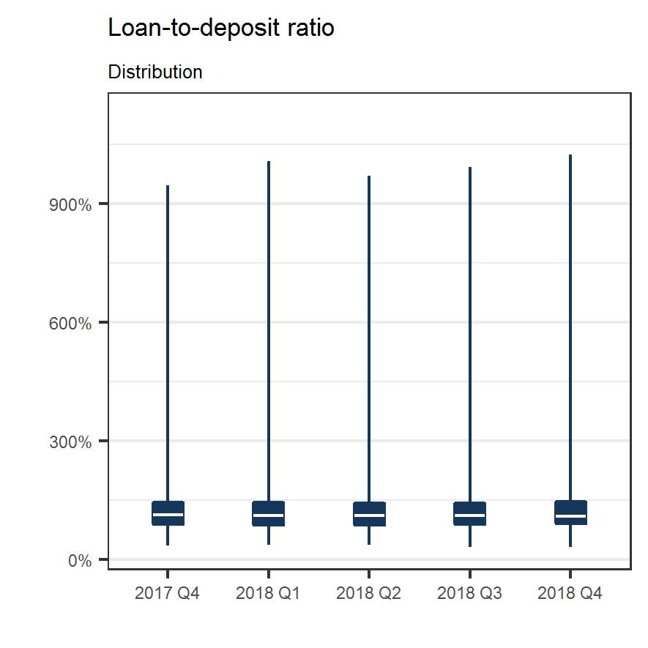

T06.01.1
T06.01.1 Liquidity coverage ratio by reference period
(EUR billions; percentages)

Liquidity coverage ratio and its components 1) | Q4 2017 | Q1 2018 | Q2 2018 | Q3 2018 | Q4 2018
Numerator: Liquidity buffer | 3,089.66 | 3,139.14 | 3,141.43 | 3,157.56 | 3,245.38
Level 1 assets: unadjusted | 2,944.32 | 2,983.99 | 2,979.41 | 2,999.02 | 3,097.60
Level 1 asset collaterals and secured cash adjustments for 30 days outflows and inflows | -42.46 | 10.62 | 44.25 | 50.43 | 99.23
Level 1 assets: adjusted amount before cap application | 2,901.86 | 2,994.61 | 3,023.66 | 3,049.45 | 3,196.82
Excluding EHQCB 2) | 2,800.25 | 2,887.18 | 2,918.33 | 2,934.56 | 3,045.71
EHQCB | 101.61 | 107.43 | 105.34 | 114.89 | 151.12
Level 2 assets: unadjusted | 149.70 | 159.18 | 166.54 | 163.53 | 154.29
Level 2 asset collaterals adjustments for 30 days outflows and inflows | 23.36 | 1.31 | -2.82 | 6.75 | -4.01
Level 2 assets: adjusted amount before cap application | 173.06 | 160.49 | 163.72 | 170.28 | 150.28
Level 2A | 86.96 | 81.20 | 79.41 | 85.00 | 90.29
Level 2B | 86.10 | 79.29 | 84.31 | 85.27 | 59.98
Excess liquidity asset amount | 54.21 | 38.29 | 31.04 | 13.67 | 8.67
Denominator: Net liquidity outflow | 2,152.20 | 2,212.28 | 2,229.32 | 2,240.63 | 2,228.80
Total outflows | 3,224.62 | 3,446.52 | 3,440.67 | 3,454.11 | 3,317.23
Reduction for inflows | 1,072.42 | 1,234.24 | 1,211.35 | 1,213.47 | 1,088.43
Liquidity coverage ratio | 143.56% | 141.90% | 140.91% | 140.92% | 145.61%

Source: ECB. Notes: Significant institutions at the highest level of consolidation for which common reporting (COREP) and financial reporting (FINREP) are available; only the banks that have to comply with the liquidity coverage requirement are accounted in the table. According to Article 11(3) of Regulation (EU) No 575/2013, where a group comprises one or more banks, the EU parent institution shall report the liquidity requirement. As such, the list of banks used for this table is a subset of the list employed elsewhere in the publication, as the scope of reporting on liquidity differs from the scope of prudential reporting on own funds and specific waivers may apply. Specifically, there are 111 banks in the fourth quarter of 2017, 109 in the first, second and third quarter of 2018 and 110 in the fourth quarter of 2018. The number of entities per reference period reflects changes resulting from amendments to the list of SIs following assessments by ECB Banking Supervision, which generally occur on an annual basis, and mergers and acquisitions. According to Commission Implementing Regulation (EU) 2016/322 of 10 February 2016 amending Implementing Regulation (EU) No 680/2014 laying down implementing technical standards with regard to supervisory reporting of institutions of the liquidity coverage requirement, banks are required to report the liquidity coverage ratio and its components on a monthly basis. 1) Unless otherwise stated, data refer to the end of the quarter specified in the header. 2) EHQCB stands for Extremely High Quality Covered Bonds.
