IRE June 2026
The international role of
the euro

Charts and Data

June 2026

This datafile includes the charts and underlying data from the 2026 International role of the euro Report. Please note that due to licensing agreements with data providers, not all data used in the charts can be published. When reproducing the charts, please cite
The International role of the euro, European Central Bank, June 2026
Disclaimer: Should there be any discrepancies with the web version, the latter represents the official version.

Chart 1
Back to ToC

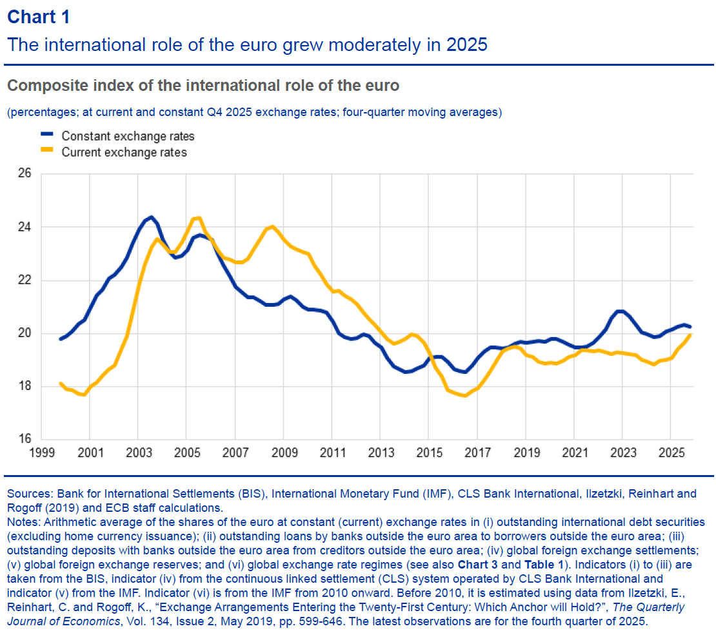
 | Constant exchange rates | Current exchange rates
3/31/1999
6/30/1999
9/30/1999
12/31/1999 | 19.8 | 18.130436174
3/31/2000 | 19.9 | 17.914055319
6/30/2000 | 20.1 | 17.86597885
9/30/2000 | 20.4 | 17.718131586
12/31/2000 | 20.5 | 17.71269554
3/31/2001 | 21.0 | 18.011469244
6/30/2001 | 21.5 | 18.151092392
9/30/2001 | 21.7 | 18.424670972
12/31/2001 | 22.1 | 18.675375411
3/31/2002 | 22.2 | 18.793522555
6/30/2002 | 22.5 | 19.39633897
9/30/2002 | 22.9 | 19.908873786
12/31/2002 | 23.4 | 20.787563378
3/31/2003 | 23.9 | 21.845534225
6/30/2003 | 24.2 | 22.596934486
9/30/2003 | 24.4 | 23.234012724
12/31/2003 | 24.1 | 23.586715989
3/31/2004 | 23.5 | 23.363346939
6/30/2004 | 23.1 | 23.062609733
9/30/2004 | 22.9 | 23.082520312
12/31/2004 | 22.9 | 23.419844029
3/31/2005 | 23.2 | 23.846630778
6/30/2005 | 23.6 | 24.313338021
9/30/2005 | 23.7 | 24.361341506
12/31/2005 | 23.6 | 23.81934566
3/31/2006 | 23.5 | 23.507720744
6/30/2006 | 23.0 | 23.136820902
9/30/2006 | 22.6 | 22.872335373
12/31/2006 | 22.1 | 22.787979993
3/31/2007 | 21.8 | 22.689125565
6/30/2007 | 21.5 | 22.666562403
9/30/2007 | 21.3 | 22.806555151
12/31/2007 | 21.4 | 23.196979228
3/31/2008 | 21.2 | 23.5674227
6/30/2008 | 21.1 | 23.919387237
9/30/2008 | 21.1 | 24.016757526
12/31/2008 | 21.1 | 23.81819298
3/31/2009 | 21.3 | 23.522278275
6/30/2009 | 21.4 | 23.288530942
9/30/2009 | 21.3 | 23.189618445
12/31/2009 | 21.0 | 23.074136971
3/31/2010 | 20.9 | 22.993858918
6/30/2010 | 20.9 | 22.560324033
9/30/2010 | 20.9 | 22.229031676
12/31/2010 | 20.8 | 21.855098636
3/31/2011 | 20.4 | 21.582115468
6/30/2011 | 20.0 | 21.597506995
...
 | Date | Constant exchange rates | Current exchange rates
 | 1999-03-31
 | 1999-06-30
 | 1999-09-30
 | 1999-12-31 | 19.8 | 18.1
 | 2000-03-31 | 19.9 | 17.9
 | 2000-06-30 | 20.1 | 17.9
 | 2000-09-30 | 20.4 | 17.7
 | 2000-12-31 | 20.5 | 17.7
 | 2001-03-31 | 21.0 | 18.0
 | 2001-06-30 | 21.5 | 18.2
 | 2001-09-30 | 21.7 | 18.4
 | 2001-12-31 | 22.1 | 18.7
 | 2002-03-31 | 22.2 | 18.8
 | 2002-06-30 | 22.5 | 19.4
 | 2002-09-30 | 22.9 | 19.9
 | 2002-12-31 | 23.4 | 20.8
 | 2003-03-31 | 23.9 | 21.8
 | 2003-06-30 | 24.2 | 22.6
 | 2003-09-30 | 24.4 | 23.2
 | 2003-12-31 | 24.1 | 23.6
 | 2004-03-31 | 23.5 | 23.4
 | 2004-06-30 | 23.1 | 23.1
 | 2004-09-30 | 22.9 | 23.1
 | 2004-12-31 | 22.9 | 23.4
 | 2005-03-31 | 23.2 | 23.8
 | 2005-06-30 | 23.6 | 24.3
 | 2005-09-30 | 23.7 | 24.4
 | 2005-12-31 | 23.6 | 23.8
 | 2006-03-31 | 23.5 | 23.5
 | 2006-06-30 | 23.0 | 23.1
 | 2006-09-30 | 22.6 | 22.9
 | 2006-12-31 | 22.1 | 22.8
 | 2007-03-31 | 21.8 | 22.7
 | 2007-06-30 | 21.5 | 22.7
 | 2007-09-30 | 21.3 | 22.8
 | 2007-12-31 | 21.4 | 23.2
 | 2008-03-31 | 21.2 | 23.6
 | 2008-06-30 | 21.1 | 23.9
 | 2008-09-30 | 21.1 | 24.0
 | 2008-12-31 | 21.1 | 23.8
 | 2009-03-31 | 21.3 | 23.5
 | 2009-06-30 | 21.4 | 23.3
 | 2009-09-30 | 21.3 | 23.2
 | 2009-12-31 | 21.0 | 23.1
 | 2010-03-31 | 20.9 | 23.0
 | 2010-06-30 | 20.9 | 22.6
 | 2010-09-30 | 20.9 | 22.2
 | 2010-12-31 | 20.8 | 21.9
 | 2011-03-31 | 20.4 | 21.6
 | 2011-06-30 | 20.0 | 21.6
 | 2011-09-30 | 19.9 | 21.4
 | 2011-12-31 | 19.8 | 21.3
 | 2012-03-31 | 19.8 | 21.1
 | 2012-06-30 | 20.0 | 20.8
 | 2012-09-30 | 19.9 | 20.6
 | 2012-12-31 | 19.7 | 20.3
 | 2013-03-31 | 19.5 | 20.0
 | 2013-06-30 | 19.1 | 19.8
 | 2013-09-30 | 18.8 | 19.6
 | 2013-12-31 | 18.7 | 19.7
 | 2014-03-31 | 18.6 | 19.8
 | 2014-06-30 | 18.6 | 20.0
 | 2014-09-30 | 18.7 | 19.9
 | 2014-12-31 | 18.8 | 19.7
 | 2015-03-31 | 19.1 | 19.3
 | 2015-06-30 | 19.1 | 18.7
 | 2015-09-30 | 19.1 | 18.4
 | 2015-12-31 | 18.9 | 17.9
 | 2016-03-31 | 18.6 | 17.8
 | 2016-06-30 | 18.6 | 17.7
 | 2016-09-30 | 18.6 | 17.6
 | 2016-12-31 | 18.8 | 17.8
 | 2017-03-31 | 19.1 | 18.0
 | 2017-06-30 | 19.3 | 18.3
 | 2017-09-30 | 19.5 | 18.6
 | 2017-12-31 | 19.5 | 18.9
 | 2018-03-31 | 19.5 | 19.3
 | 2018-06-30 | 19.5 | 19.4
 | 2018-09-30 | 19.6 | 19.5
 | 2018-12-31 | 19.7 | 19.5
 | 2019-03-31 | 19.7 | 19.2
 | 2019-06-30 | 19.7 | 19.1
 | 2019-09-30 | 19.7 | 19.0
 | 2019-12-31 | 19.7 | 18.9
 | 2020-03-31 | 19.8 | 18.9
 | 2020-06-30 | 19.8 | 18.9
 | 2020-09-30 | 19.7 | 19.0
 | 2020-12-31 | 19.6 | 19.1
 | 2021-03-31 | 19.5 | 19.2
 | 2021-06-30 | 19.5 | 19.4
 | 2021-09-30 | 19.5 | 19.4
 | 2021-12-31 | 19.7 | 19.3
 | 2022-03-31 | 19.9 | 19.4
 | 2022-06-30 | 20.2 | 19.3
 | 2022-09-30 | 20.6 | 19.2
 | 2022-12-31 | 20.8 | 19.3
 | 2023-03-31 | 20.8 | 19.3
 | 2023-06-30 | 20.6 | 19.2
 | 2023-09-30 | 20.3 | 19.2
 | 2023-12-31 | 20.0 | 19.0
 | 2024-03-31 | 20.0 | 18.9
 | 2024-06-30 | 19.9 | 18.9
 | 2024-09-30 | 19.9 | 19.0
 | 2024-12-31 | 20.1 | 19.0
 | 2025-03-31 | 20.2 | 19.1
 | 2025-06-30 | 20.3 | 19.4
 | 2025-09-30 | 20.3 | 19.7
 | 2025-12-31 | 20.3 | 20.0

Chart 2
Back to ToC

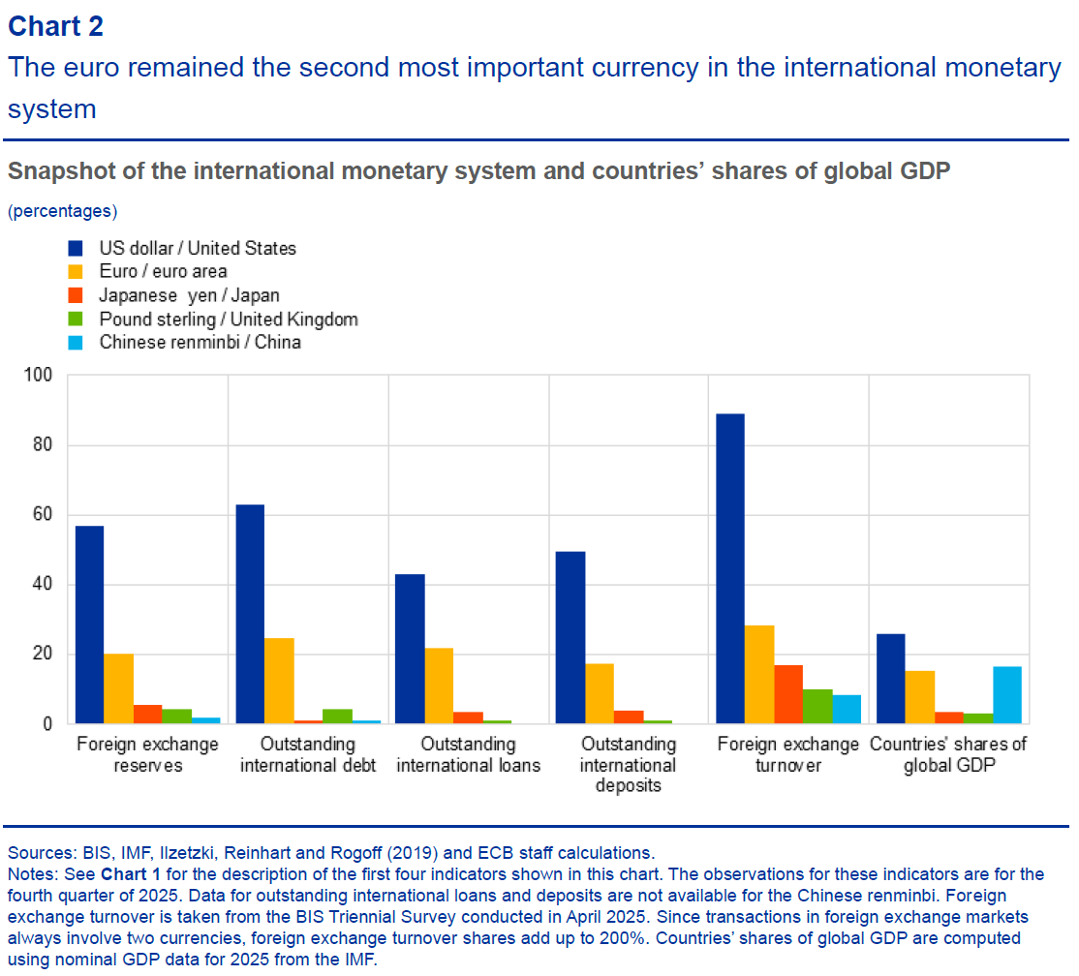
 | US dollar / United States | Euro / euro area | Japanese yen / Japan | Pound sterling / United Kingdom | Chinese renminbi / China
Foreign exchange reserves | 56.77 | 20.25 | 5.78 | 4.41 | 1.95
Outstanding international debt | 63.10 | 24.64 | 1.34 | 4.47 | 1.02
Outstanding international loans | 42.99 | 21.74 | 3.72 | 1.26
Outstanding international deposits | 49.74 | 17.26 | 4.07 | 1.36
Foreign exchange turnover | 89.08 | 28.54 | 16.91 | 10.16 | 8.60
Countries' shares of global GDP | 26.04 | 15.23 | 3.75 | 3.39 | 16.61
 | Currency/Region | Foreign exchange reserves | Outstanding international debt | Outstanding international loans | Outstanding international deposits | Foreign exchange turnover | Countries' shares of global GDP
 | US dollar / United States | 56.77 | 63.10 | 42.99 | 49.74 | 89.08 | 26.04
 | Euro / euro area | 20.25 | 24.64 | 21.74 | 17.26 | 28.54 | 15.23
 | Japanese yen / Japan | 5.78 | 1.34 | 3.72 | 4.07 | 16.91 | 3.75
 | Pound sterling / United Kingdom | 4.41 | 4.47 | 1.26 | 1.36 | 10.16 | 3.39
 | Chinese renminbi / China | 1.95 | 1.02 |  |  | 8.60 | 16.61

Chart 3
Back to ToC

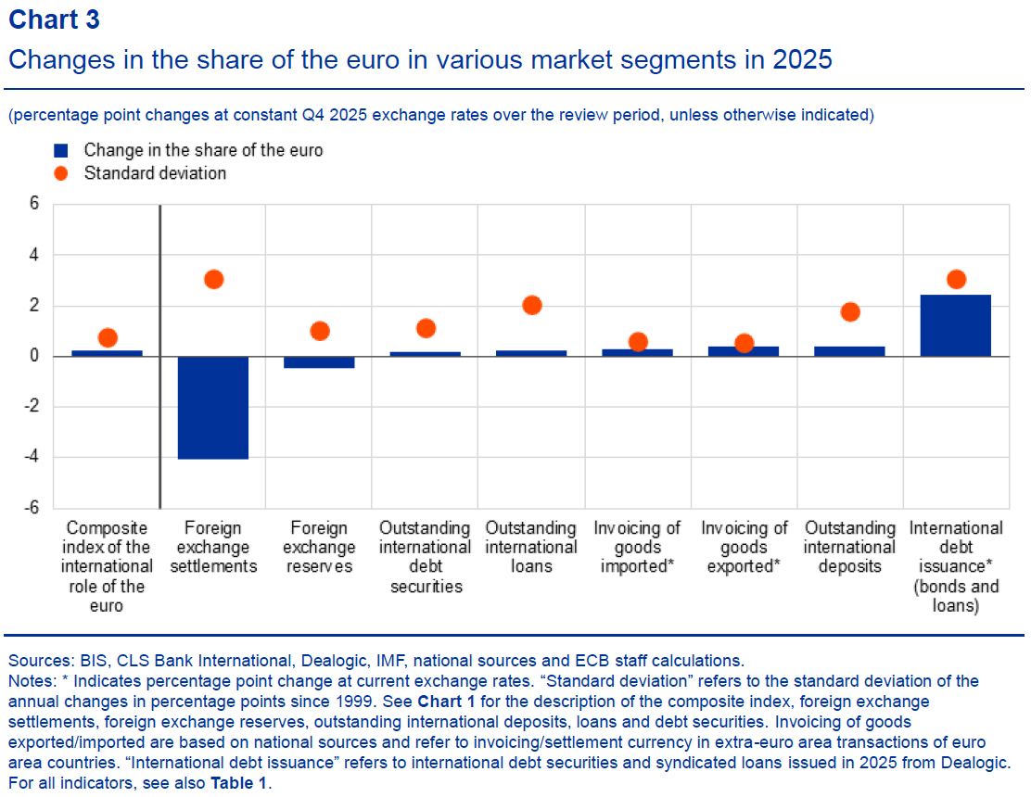
 | Variable | Change in the share of the euro | Standard deviation
 | Composite index of the international role of the euro | 0.21 | 0.78
 | Foreign exchange settlements | -4.08 | 3.10
 | Foreign exchange reserves | -0.47 | 1.06
 | Outstanding international debt securities | 0.17 | 1.16
 | Outstanding international loans | 0.22 | 2.06
 | Invoicing of goods imported* | 0.30 | 0.60
 | Invoicing of goods exported* | 0.40 | 0.54
 | Outstanding international deposits | 0.42 | 1.81
 | International debt issuance* (bonds and loans) | 2.44 | 3.09

Chart 4
Back to ToC

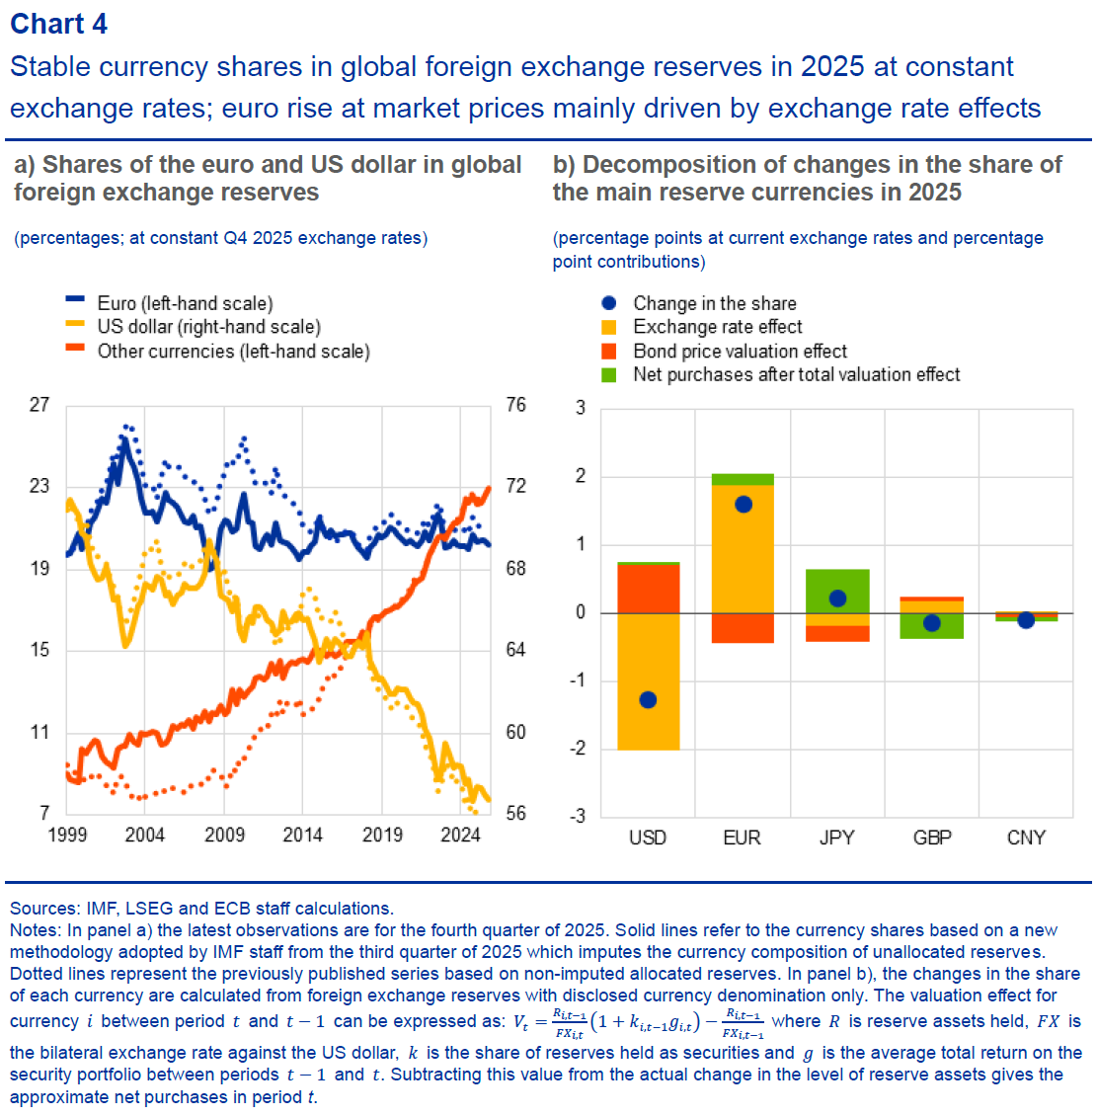
 |  | Euro - old |  | Other - old |  | USD - old
3/31/1999 | 19.81 | 19.69 | 9.03 | 9.43 | 71.15 | 70.89
6/30/1999 | 19.80 | 19.68 | 8.76 | 9.13 | 71.44 | 71.19
9/30/1999 | 20.29 | 20.16 | 8.70 | 9.06 | 71.02 | 70.77
12/31/1999 | 20.82 | 20.69 | 8.58 | 8.94 | 70.61 | 70.37
3/31/2000 | 20.04 | 21.05 | 10.21 | 8.91 | 69.76 | 70.04
6/30/2000 | 20.32 | 21.00 | 10.03 | 8.60 | 69.65 | 70.40
9/30/2000 | 21.29 | 21.78 | 10.40 | 8.83 | 68.31 | 69.39
12/31/2000 | 21.53 | 22.25 | 10.66 | 9.07 | 67.81 | 68.68
3/31/2001 | 21.90 | 22.32 | 10.58 | 9.00 | 67.52 | 68.68
6/30/2001 | 22.50 | 22.93 | 9.90 | 8.64 | 67.60 | 68.42
9/30/2001 | 22.27 | 23.21 | 9.55 | 8.48 | 68.17 | 68.31
12/31/2001 | 23.30 | 24.07 | 9.48 | 8.45 | 67.22 | 67.48
3/31/2002 | 24.19 | 24.78 | 9.31 | 8.05 | 66.50 | 67.17
6/30/2002 | 23.22 | 24.47 | 10.25 | 8.87 | 66.54 | 66.66
9/30/2002 | 24.59 | 25.80 | 10.35 | 8.88 | 65.06 | 65.32
12/31/2002 | 25.41 | 25.97 | 10.35 | 8.68 | 64.24 | 65.35
3/31/2003 | 24.45 | 26.15 | 10.91 | 8.04 | 64.65 | 65.82
6/30/2003 | 24.05 | 25.70 | 10.57 | 7.84 | 65.38 | 66.46
9/30/2003 | 23.34 | 24.89 | 10.43 | 7.67 | 66.22 | 67.45
12/31/2003 | 22.51 | 24.07 | 11.04 | 8.10 | 66.45 | 67.82
3/31/2004 | 21.79 | 23.12 | 10.91 | 7.86 | 67.30 | 69.02
6/30/2004 | 21.80 | 23.04 | 11.00 | 7.87 | 67.19 | 69.09
9/30/2004 | 21.86 | 23.13 | 11.10 | 7.95 | 67.04 | 68.92
12/31/2004 | 21.34 | 22.50 | 10.99 | 8.08 | 67.68 | 69.42
3/31/2005 | 22.02 | 23.55 | 10.44 | 8.28 | 67.54 | 68.16
6/30/2005 | 22.76 | 24.41 | 10.51 | 8.09 | 66.74 | 67.50
9/30/2005 | 22.42 | 24.03 | 10.69 | 8.34 | 66.89 | 67.63
12/31/2005 | 22.29 | 24.11 | 11.38 | 8.32 | 66.33 | 67.57
3/31/2006 | 22.09 | 24.13 | 11.21 | 8.22 | 66.71 | 67.65
6/30/2006 | 21.66 | 23.83 | 11.44 | 8.17 | 66.90 | 68.00
9/30/2006 | 21.35 | 23.57 | 11.36 | 8.13 | 67.28 | 68.30
12/31/2006 | 21.26 | 23.55 | 11.68 | 8.42 | 67.06 | 68.03
3/31/2007 | 21.66 | 23.40 | 11.22 | 8.38 | 67.12 | 68.22
6/30/2007 | 21.10 | 23.04 | 11.80 | 8.53 | 67.10 | 68.43
9/30/2007 | 21.13 | 23.02 | 11.60 | 8.55 | 67.27 | 68.43
12/31/2007 | 20.16 | 22.49 | 12.04 | 8.45 | 67.80 | 69.06
3/31/2008 | 19.03 | 21.71 | 11.55 | 8.85 | 69.42 | 69.44
6/30/2008 | 19.10 | 21.80 | 11.99 | 9.22 | 68.92 | 68.98
9/30/2008 | 19.55 | 22.22 | 11.96 | 9.06 | 68.49 | 68.72
12/31/2008 | 20.98 | 23.40 | 12.32 | 9.02 | 66.70 | 67.58
3/31/2009 | 21.44 | 23.70 | 11.93 | 8.35 | 66.63 | 67.95
6/30/2009 | 21.36 | 24.43 | 12.10 | 8.45 | 66.54 | 67.12
9/30/2009 | 20.88 | 24.23 | 13.14 | 9.28 | 65.98 | 66.49
12/31/2009 | 21.00 | 24.19 | 12.43 | 9.09 | 66.58 | 66.72
3/31/2010 | 21.85 | 24.76 | 13.11 | 9.82 | 65.04 | 65.42
6/30/2010 | 22.69 | 25.54 | 12.78 | 9.76 | 64.53 | 64.70
9/30/2010 | 21.32 | 24.04 | 13.05 | 10.23 | 65.63 | 65.73
12/31/2010 | 21.28 | 23.84 | 13.30 | 10.50 | 65.42 | 65.67
3/31/2011 | 20.15 | 23.17 | 13.67 | 10.98 | 66.18 | 65.85
6/30/2011 | 20.01 | 23.16 | 13.78 | 11.20 | 66.20 | 65.64
...
 | Date | New Methodology |  |  | Old Methodology |  |  | Currencies | Actual amount (EOP) | Change in the share | Exchange rate effect | Bond price valuation effect | Net purchases after total valuation effect
 |  | EUR | USD | Other | EUR | USD | Other | USD | 60.48 | -1.27 | -2.02 | 0.72 | 0.03
 | 1999-03-31 | 19.81 | 71.15 | 9.03 | 19.69 | 70.89 | 9.43 | EUR | 21.57 | 1.61 | 1.87 | -0.43 | 0.18
 | 1999-06-30 | 19.80 | 71.44 | 8.76 | 19.68 | 71.19 | 9.13 | JPY | 6.15 | 0.22 | -0.18 | -0.24 | 0.65
 | 1999-09-30 | 20.29 | 71.02 | 8.70 | 20.16 | 70.77 | 9.06 | GBP | 4.70 | -0.15 | 0.18 | 0.05 | -0.38
 | 1999-12-31 | 20.82 | 70.61 | 8.58 | 20.69 | 70.37 | 8.94 | CNY | 2.08 | -0.10 | 0.02 | -0.06 | -0.06
 | 2000-03-31 | 20.04 | 69.76 | 10.21 | 21.05 | 70.04 | 8.91
 | 2000-06-30 | 20.32 | 69.65 | 10.03 | 21.00 | 70.40 | 8.60
 | 2000-09-30 | 21.29 | 68.31 | 10.40 | 21.78 | 69.39 | 8.83
 | 2000-12-31 | 21.53 | 67.81 | 10.66 | 22.25 | 68.68 | 9.07
 | 2001-03-31 | 21.90 | 67.52 | 10.58 | 22.32 | 68.68 | 9.00
 | 2001-06-30 | 22.50 | 67.60 | 9.90 | 22.93 | 68.42 | 8.64
 | 2001-09-30 | 22.27 | 68.17 | 9.55 | 23.21 | 68.31 | 8.48
 | 2001-12-31 | 23.30 | 67.22 | 9.48 | 24.07 | 67.48 | 8.45
 | 2002-03-31 | 24.19 | 66.50 | 9.31 | 24.78 | 67.17 | 8.05
 | 2002-06-30 | 23.22 | 66.54 | 10.25 | 24.47 | 66.66 | 8.87
 | 2002-09-30 | 24.59 | 65.06 | 10.35 | 25.80 | 65.32 | 8.88
 | 2002-12-31 | 25.41 | 64.24 | 10.35 | 25.97 | 65.35 | 8.68
 | 2003-03-31 | 24.45 | 64.65 | 10.91 | 26.15 | 65.82 | 8.04
 | 2003-06-30 | 24.05 | 65.38 | 10.57 | 25.70 | 66.46 | 7.84
 | 2003-09-30 | 23.34 | 66.22 | 10.43 | 24.89 | 67.45 | 7.67
 | 2003-12-31 | 22.51 | 66.45 | 11.04 | 24.07 | 67.82 | 8.10
 | 2004-03-31 | 21.79 | 67.30 | 10.91 | 23.12 | 69.02 | 7.86
 | 2004-06-30 | 21.80 | 67.19 | 11.00 | 23.04 | 69.09 | 7.87
 | 2004-09-30 | 21.86 | 67.04 | 11.10 | 23.13 | 68.92 | 7.95
 | 2004-12-31 | 21.34 | 67.68 | 10.99 | 22.50 | 69.42 | 8.08
 | 2005-03-31 | 22.02 | 67.54 | 10.44 | 23.55 | 68.16 | 8.28
 | 2005-06-30 | 22.76 | 66.74 | 10.51 | 24.41 | 67.50 | 8.09
 | 2005-09-30 | 22.42 | 66.89 | 10.69 | 24.03 | 67.63 | 8.34
 | 2005-12-31 | 22.29 | 66.33 | 11.38 | 24.11 | 67.57 | 8.32
 | 2006-03-31 | 22.09 | 66.71 | 11.21 | 24.13 | 67.65 | 8.22
 | 2006-06-30 | 21.66 | 66.90 | 11.44 | 23.83 | 68.00 | 8.17
 | 2006-09-30 | 21.35 | 67.28 | 11.36 | 23.57 | 68.30 | 8.13
 | 2006-12-31 | 21.26 | 67.06 | 11.68 | 23.55 | 68.03 | 8.42
 | 2007-03-31 | 21.66 | 67.12 | 11.22 | 23.40 | 68.22 | 8.38
 | 2007-06-30 | 21.10 | 67.10 | 11.80 | 23.04 | 68.43 | 8.53
 | 2007-09-30 | 21.13 | 67.27 | 11.60 | 23.02 | 68.43 | 8.55
 | 2007-12-31 | 20.16 | 67.80 | 12.04 | 22.49 | 69.06 | 8.45
 | 2008-03-31 | 19.03 | 69.42 | 11.55 | 21.71 | 69.44 | 8.85
 | 2008-06-30 | 19.10 | 68.92 | 11.99 | 21.80 | 68.98 | 9.22
 | 2008-09-30 | 19.55 | 68.49 | 11.96 | 22.22 | 68.72 | 9.06
 | 2008-12-31 | 20.98 | 66.70 | 12.32 | 23.40 | 67.58 | 9.02
 | 2009-03-31 | 21.44 | 66.63 | 11.93 | 23.70 | 67.95 | 8.35
 | 2009-06-30 | 21.36 | 66.54 | 12.10 | 24.43 | 67.12 | 8.45
 | 2009-09-30 | 20.88 | 65.98 | 13.14 | 24.23 | 66.49 | 9.28
 | 2009-12-31 | 21.00 | 66.58 | 12.43 | 24.19 | 66.72 | 9.09
 | 2010-03-31 | 21.85 | 65.04 | 13.11 | 24.76 | 65.42 | 9.82
 | 2010-06-30 | 22.69 | 64.53 | 12.78 | 25.54 | 64.70 | 9.76
 | 2010-09-30 | 21.32 | 65.63 | 13.05 | 24.04 | 65.73 | 10.23
 | 2010-12-31 | 21.28 | 65.42 | 13.30 | 23.84 | 65.67 | 10.50
 | 2011-03-31 | 20.15 | 66.18 | 13.67 | 23.17 | 65.85 | 10.98
 | 2011-06-30 | 20.01 | 66.20 | 13.78 | 23.16 | 65.64 | 11.20
 | 2011-09-30 | 20.47 | 65.91 | 13.62 | 23.29 | 65.64 | 11.07
 | 2011-12-31 | 20.69 | 65.55 | 13.76 | 23.17 | 65.59 | 11.24
 | 2012-03-31 | 20.21 | 65.37 | 14.42 | 22.79 | 65.27 | 11.95
 | 2012-06-30 | 21.26 | 64.80 | 13.93 | 24.03 | 64.28 | 11.69
 | 2012-09-30 | 20.41 | 65.03 | 14.56 | 22.89 | 64.51 | 12.60
 | 2012-12-31 | 20.36 | 65.93 | 13.70 | 22.71 | 65.32 | 11.97
 | 2013-03-31 | 20.32 | 65.39 | 14.29 | 22.47 | 65.07 | 12.46
 | 2013-06-30 | 20.04 | 65.47 | 14.49 | 22.32 | 65.29 | 12.38
 | 2013-09-30 | 19.77 | 65.82 | 14.41 | 22.09 | 65.53 | 12.38
 | 2013-12-31 | 19.54 | 65.92 | 14.54 | 21.95 | 65.35 | 12.71
 | 2014-03-31 | 19.84 | 65.56 | 14.60 | 21.04 | 67.05 | 11.91
 | 2014-06-30 | 19.87 | 65.62 | 14.51 | 20.97 | 67.10 | 11.93
 | 2014-09-30 | 20.17 | 65.11 | 14.72 | 20.85 | 67.05 | 12.10
 | 2014-12-31 | 20.38 | 64.54 | 15.08 | 20.97 | 66.72 | 12.31
 | 2015-03-31 | 21.50 | 63.47 | 15.03 | 21.69 | 65.62 | 12.69
 | 2015-06-30 | 20.93 | 64.10 | 14.97 | 20.96 | 65.67 | 13.36
 | 2015-09-30 | 20.64 | 64.59 | 14.77 | 20.75 | 65.69 | 13.56
 | 2015-12-31 | 20.92 | 64.09 | 14.99 | 20.53 | 65.50 | 13.97
 | 2016-03-31 | 20.64 | 64.63 | 14.74 | 20.29 | 65.98 | 13.74
 | 2016-06-30 | 20.73 | 64.37 | 14.91 | 20.55 | 65.40 | 14.05
 | 2016-09-30 | 20.69 | 64.17 | 15.14 | 20.73 | 64.90 | 14.37
 | 2016-12-31 | 20.79 | 63.74 | 15.46 | 20.92 | 64.27 | 14.81
 | 2017-03-31 | 20.75 | 63.78 | 15.47 | 20.94 | 64.08 | 14.97
 | 2017-06-30 | 20.45 | 64.09 | 15.46 | 20.63 | 64.26 | 15.11
 | 2017-09-30 | 20.04 | 64.48 | 15.48 | 20.24 | 64.54 | 15.22
 | 2017-12-31 | 19.85 | 64.17 | 15.99 | 20.11 | 64.02 | 15.87
 | 2018-03-31 | 19.59 | 64.88 | 15.53 | 19.94 | 64.63 | 15.44
 | 2018-06-30 | 20.05 | 63.57 | 16.38 | 20.62 | 63.17 | 16.22
 | 2018-09-30 | 20.26 | 63.10 | 16.64 | 20.92 | 62.50 | 16.58
 | 2018-12-31 | 20.73 | 62.61 | 16.66 | 21.29 | 62.14 | 16.57
 | 2019-03-31 | 20.60 | 62.69 | 16.72 | 21.24 | 62.04 | 16.71
 | 2019-06-30 | 20.69 | 62.37 | 16.95 | 21.32 | 61.72 | 16.96
 | 2019-09-30 | 21.04 | 61.93 | 17.03 | 21.68 | 61.26 | 17.06
 | 2019-12-01 | 20.93 | 61.91 | 17.16 | 21.61 | 61.13 | 17.26
 | 2020-03-31 | 20.68 | 62.18 | 17.13 | 21.34 | 61.47 | 17.18
 | 2020-06-30 | 20.52 | 62.11 | 17.37 | 21.14 | 61.35 | 17.51
 | 2020-09-30 | 20.30 | 62.12 | 17.58 | 20.93 | 61.37 | 17.70
 | 2020-12-31 | 20.41 | 61.72 | 17.87 | 21.03 | 60.91 | 18.06
 | 2021-03-31 | 20.27 | 61.49 | 18.24 | 20.91 | 60.64 | 18.45
 | 2021-06-30 | 20.14 | 61.45 | 18.42 | 20.78 | 60.60 | 18.62
 | 2021-09-30 | 20.43 | 60.96 | 18.61 | 21.09 | 60.14 | 18.77
 | 2021-12-31 | 20.83 | 60.18 | 18.99 | 21.52 | 59.37 | 19.11
 | 2022-03-31 | 20.43 | 59.82 | 19.75 | 21.13 | 59.12 | 19.75
 | 2022-06-30 | 21.06 | 58.78 | 20.16 | 21.62 | 58.28 | 20.10
 | 2022-09-30 | 21.70 | 57.72 | 20.58 | 22.29 | 57.17 | 20.54
 | 2022-12-31 | 21.38 | 57.98 | 20.65 | 21.93 | 57.34 | 20.73
 | 2023-03-31 | 20.04 | 59.48 | 20.48 | 20.79 | 58.59 | 20.61
 | 2023-06-30 | 20.16 | 58.95 | 20.89 | 20.88 | 58.30 | 20.82
 | 2023-09-30 | 20.46 | 58.27 | 21.27 | 21.03 | 57.53 | 21.44
 | 2023-12-31 | 20.24 | 58.45 | 21.30 | 20.88 | 57.67 | 21.45
 | 2024-03-31 | 20.13 | 58.41 | 21.46 | 20.75 | 57.58 | 21.67
 | 2024-06-30 | 20.18 | 57.49 | 22.33 | 21.02 | 56.49 | 22.49
 | 2024-09-30 | 20.03 | 57.72 | 22.25 | 20.81 | 56.83 | 22.36
 | 2024-12-31 | 20.72 | 56.68 | 22.60 | 21.56 | 55.67 | 22.77
 | 2025-03-31 | 20.38 | 57.41 | 22.21 | 21.17 | 56.42 | 22.41
 | 2025-06-30 | 20.41 | 57.30 | 22.30 | 21.13 | 56.32 | 22.55
 | 2025-09-30 | 20.41 | 57.04 | 22.54
 | 2025-12-31 | 20.25 | 56.77 | 22.98

Chart 5
Back to ToC

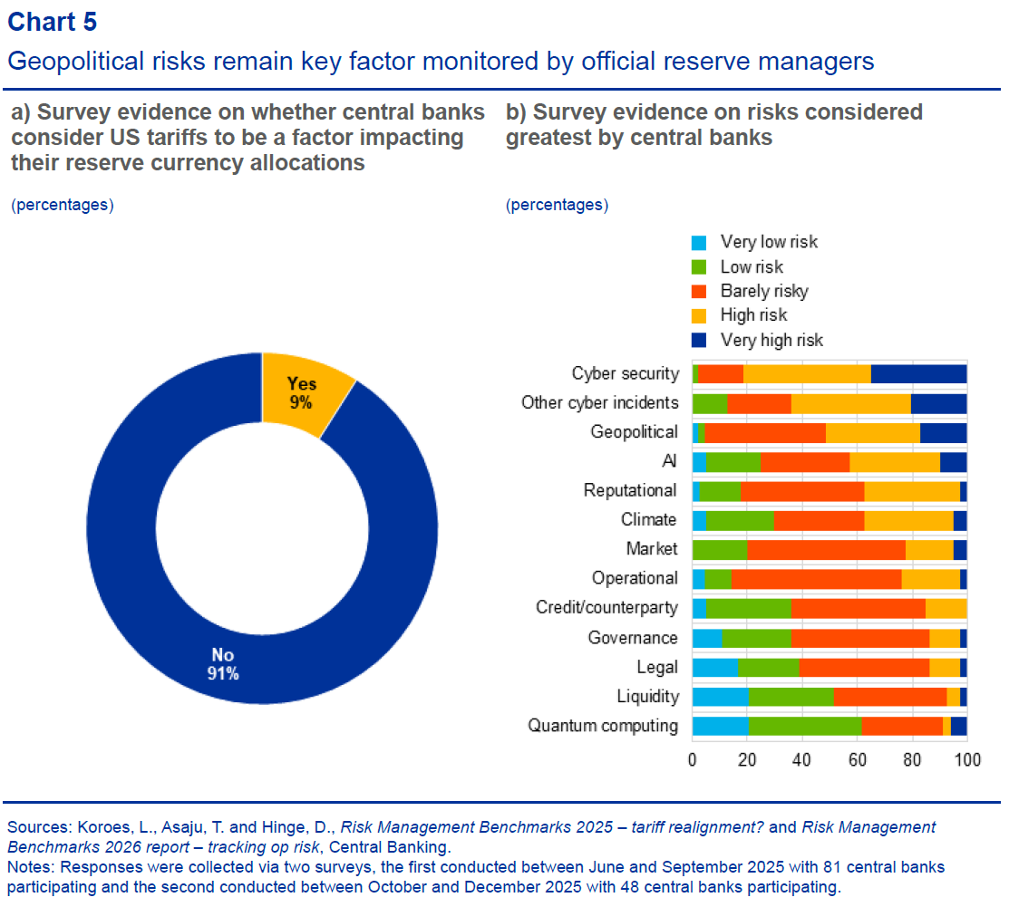
 | Answer | Share | Risk Categories | Very low risk | Low risk | Barely risky | High risk | Very high risk
 | Yes | 9 | Quantum computing | 20.6 | 41.2 | 29.4 | 2.9 | 5.9
 | No | 91 | Liquidity | 20.5 | 30.8 | 41.0 | 5.1 | 2.6
 |  |  | Legal | 16.7 | 22.2 | 47.2 | 11.1 | 2.8
 |  |  | Governance | 11.1 | 25.0 | 50.0 | 11.1 | 2.8
 |  |  | Credit/counterparty | 5.1 | 30.8 | 48.7 | 15.4 | 0.0
 |  |  | Operational | 4.8 | 9.5 | 61.9 | 21.4 | 2.4
 |  |  | Market | 0.0 | 20.0 | 57.5 | 17.5 | 5.0
 |  |  | Climate | 5.0 | 25.0 | 32.5 | 32.5 | 5.0
 |  |  | Reputational | 2.5 | 15.0 | 45.0 | 35.0 | 2.5
 |  |  | AI | 5.0 | 20.0 | 32.5 | 32.5 | 10.0
 |  |  | Geopolitical | 2.4 | 2.4 | 43.9 | 34.1 | 17.1
 |  |  | Other cyber incidents | 0.0 | 12.8 | 23.1 | 43.6 | 20.5
 |  |  | Cyber security | 0.0 | 2.3 | 16.3 | 46.5 | 34.9

Chart 6
Back to ToC

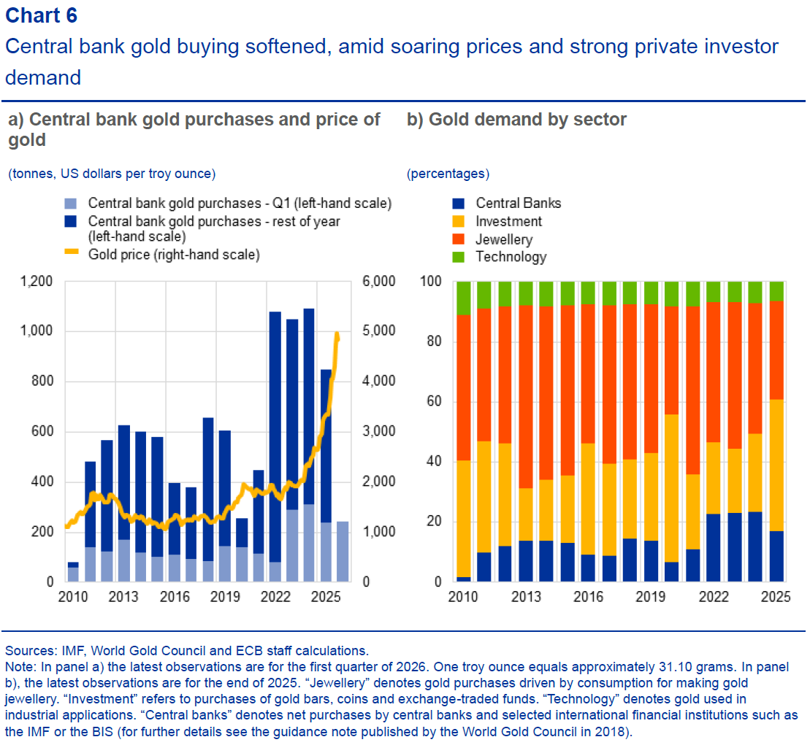
 | Central bank gold purchases |  |  | Gold price |  | Year | Central Banks | Investment | Jewellery | Technology
 | Date | Q1 | Rest of year | Date | Gold price | 2010 | 1.8 | 38.6 | 48.7 | 10.9
 | 2010-12-31 | 59.7 | 19.4 | 2010-01-31 | 1125.2 | 2011 | 10.0 | 36.8 | 44.2 | 9.1
 | 2011-12-31 | 142.5 | 338.3 | 2010-03-03 | 1101.1 | 2012 | 12.0 | 34.4 | 45.4 | 8.2
 | 2012-12-31 | 122.5 | 446.7 | 2010-03-31 | 1115.1 | 2013 | 13.8 | 17.6 | 60.7 | 7.9
 | 2013-12-31 | 170.5 | 458.9 | 2010-05-01 | 1143.8 | 2014 | 13.7 | 20.4 | 57.8 | 8.1
 | 2014-12-31 | 118.8 | 482.3 | 2010-05-31 | 1205.6 | 2015 | 13.3 | 22.1 | 56.9 | 7.8
 | 2015-12-31 | 103.1 | 476.5 | 2010-07-01 | 1233.9 | 2016 | 9.0 | 37.1 | 46.3 | 7.5
 | 2016-12-31 | 110.6 | 284.3 | 2010-07-31 | 1190.5 | 2017 | 8.8 | 30.7 | 52.6 | 7.9
 | 2017-12-31 | 92.0 | 286.5 | 2010-08-31 | 1214.8 | 2018 | 14.7 | 26.2 | 51.5 | 7.7
 | 2018-12-31 | 84.8 | 571.4 | 2010-10-01 | 1272.8 | 2019 | 13.8 | 29.3 | 49.3 | 7.6
 | 2019-12-31 | 146.2 | 459.2 | 2010-10-31 | 1336.9 | 2020 | 6.9 | 48.8 | 36.0 | 8.3
 | 2020-12-31 | 140.8 | 114.2 | 2010-12-01 | 1376.4 | 2021 | 11.1 | 25.0 | 55.6 | 8.3
 | 2021-12-31 | 115.6 | 334.5 | 2010-12-31 | 1399.2 | 2022 | 22.8 | 23.9 | 46.6 | 6.6
 | 2022-12-31 | 82.4 | 997.6 | 2011-01-31 | 1364.0 | 2023 | 23.2 | 21.2 | 48.8 | 6.7
 | 2023-12-31 | 290.4 | 760.4 | 2011-03-03 | 1367.2 | 2024 | 23.5 | 25.9 | 43.6 | 7.0
 | 2024-12-31 | 313.3 | 779.1 | 2011-03-31 | 1418.2 | 2025 | 16.9 | 43.9 | 32.8 | 6.4
 | 2025-12-31 | 237.0 | 613.1 | 2011-05-01 | 1468.0
 | 2026-12-31 | 243.7 |  | 2011-05-31 | 1519.2
 |  |  |  | 2011-07-01 | 1526.2
 |  |  |  | 2011-07-31 | 1568.6
 |  |  |  | 2011-08-31 | 1771.5
 |  |  |  | 2011-10-01 | 1793.3
 |  |  |  | 2011-10-31 | 1647.0
 |  |  |  | 2011-12-01 | 1739.0
 |  |  |  | 2011-12-31 | 1664.7
 |  |  |  | 2012-01-31 | 1660.1
 |  |  |  | 2012-03-02 | 1743.8
 |  |  |  | 2012-03-31 | 1676.9
 |  |  |  | 2012-05-01 | 1651.3
 |  |  |  | 2012-05-31 | 1597.0
 |  |  |  | 2012-07-01 | 1601.7
 |  |  |  | 2012-07-31 | 1600.7
 |  |  |  | 2012-08-31 | 1629.1
 |  |  |  | 2012-10-01 | 1743.7
 |  |  |  | 2012-10-31 | 1743.4
 |  |  |  | 2012-12-01 | 1723.9
 |  |  |  | 2012-12-31 | 1688.3
 |  |  |  | 2013-01-31 | 1669.6
 |  |  |  | 2013-03-03 | 1629.8
 |  |  |  | 2013-03-31 | 1595.6
 |  |  |  | 2013-05-01 | 1483.6
 |  |  |  | 2013-05-31 | 1403.8
 |  |  |  | 2013-07-01 | 1354.9
 |  |  |  | 2013-07-31 | 1291.4
 |  |  |  | 2013-08-31 | 1350.2
 |  |  |  | 2013-10-01 | 1346.1
 |  |  |  | 2013-10-31 | 1314.6
 |  |  |  | 2013-12-01 | 1277.9
 |  |  |  | 2013-12-31 | 1223.8
 |  |  |  | 2014-01-31 | 1242.1
 |  |  |  | 2014-03-03 | 1298.0
 |  |  |  | 2014-03-31 | 1337.6
 |  |  |  | 2014-05-01 | 1295.2
 |  |  |  | 2014-05-31 | 1293.4
 |  |  |  | 2014-07-01 | 1272.1
 |  |  |  | 2014-07-31 | 1314.0
 |  |  |  | 2014-08-31 | 1295.8
 |  |  |  | 2014-10-01 | 1238.7
 |  |  |  | 2014-10-31 | 1231.2
 |  |  |  | 2014-12-01 | 1178.7
 |  |  |  | 2014-12-31 | 1201.3
 |  |  |  | 2015-01-31 | 1254.8
 |  |  |  | 2015-03-03 | 1225.2
 |  |  |  | 2015-03-31 | 1180.8
 |  |  |  | 2015-05-01 | 1202.5
 |  |  |  | 2015-05-31 | 1197.1
 |  |  |  | 2015-07-01 | 1179.4
 |  |  |  | 2015-07-31 | 1128.9
 |  |  |  | 2015-08-31 | 1112.0
 |  |  |  | 2015-09-30 | 1124.9
 |  |  |  | 2015-10-30 | 1164.0
 |  |  |  | 2015-11-30 | 1091.5
 |  |  |  | 2015-12-30 | 1068.8
 |  |  |  | 2016-01-30 | 1090.6
 |  |  |  | 2016-03-01 | 1187.6
 |  |  |  | 2016-03-30 | 1242.8
 |  |  |  | 2016-04-30 | 1245.7
 |  |  |  | 2016-05-30 | 1256.6
 |  |  |  | 2016-06-30 | 1277.6
 |  |  |  | 2016-07-30 | 1336.8
 |  |  |  | 2016-08-30 | 1341.8
 |  |  |  | 2016-09-30 | 1325.4
 |  |  |  | 2016-10-30 | 1266.1
 |  |  |  | 2016-11-30 | 1239.3
 |  |  |  | 2016-12-30 | 1152.3
 |  |  |  | 2017-01-30 | 1197.2
 |  |  |  | 2017-03-02 | 1237.6
 |  |  |  | 2017-03-30 | 1230.0
 |  |  |  | 2017-04-30 | 1264.3
 |  |  |  | 2017-05-30 | 1246.6
 |  |  |  | 2017-06-30 | 1261.8
 |  |  |  | 2017-07-30 | 1232.5
 |  |  |  | 2017-08-30 | 1281.2
 |  |  |  | 2017-09-30 | 1317.9
 |  |  |  | 2017-10-30 | 1278.8
 |  |  |  | 2017-11-30 | 1281.3
 |  |  |  | 2017-12-30 | 1255.9
 |  |  |  | 2018-01-30 | 1327.0
 |  |  |  | 2018-03-02 | 1330.0
 |  |  |  | 2018-03-30 | 1326.7
 |  |  |  | 2018-04-30 | 1335.8
 |  |  |  | 2018-05-30 | 1299.5
 |  |  |  | 2018-06-30 | 1281.8
 |  |  |  | 2018-07-30 | 1237.6
 |  |  |  | 2018-08-30 | 1203.1
 |  |  |  | 2018-09-30 | 1195.7
 |  |  |  | 2018-10-30 | 1216.5
 |  |  |  | 2018-11-30 | 1219.5
 |  |  |  | 2018-12-30 | 1252.5
 |  |  |  | 2019-01-30 | 1290.1
 |  |  |  | 2019-03-02 | 1320.9
 |  |  |  | 2019-03-30 | 1301.2
 |  |  |  | 2019-04-30 | 1284.3
 |  |  |  | 2019-05-30 | 1282.3
 |  |  |  | 2019-06-30 | 1355.3
 |  |  |  | 2019-07-30 | 1408.8
 |  |  |  | 2019-08-30 | 1500.3
 |  |  |  | 2019-09-30 | 1514.7
 |  |  |  | 2019-10-30 | 1487.8
 |  |  |  | 2019-11-30 | 1466.0
 |  |  |  | 2019-12-30 | 1483.0
 |  |  |  | 2020-01-30 | 1559.6
 |  |  |  | 2020-03-01 | 1592.3
 |  |  |  | 2020-03-30 | 1604.4
 |  |  |  | 2020-04-30 | 1691.2
 |  |  |  | 2020-05-30 | 1715.0
 |  |  |  | 2020-06-30 | 1742.5
 |  |  |  | 2020-07-30 | 1843.7
 |  |  |  | 2020-08-30 | 1959.4
 |  |  |  | 2020-09-30 | 1924.5
 |  |  |  | 2020-10-30 | 1902.2
 |  |  |  | 2020-11-30 | 1868.9
 |  |  |  | 2020-12-30 | 1856.2
 |  |  |  | 2021-01-30 | 1868.2
 |  |  |  | 2021-03-02 | 1816.7
 |  |  |  | 2021-03-30 | 1717.2
 |  |  |  | 2021-04-30 | 1763.7
 |  |  |  | 2021-05-30 | 1845.2
 |  |  |  | 2021-06-30 | 1837.6
 |  |  |  | 2021-07-30 | 1811.8
 |  |  |  | 2021-08-30 | 1789.8
 |  |  |  | 2021-09-30 | 1775.8
 |  |  |  | 2021-10-30 | 1771.5
 |  |  |  | 2021-11-30 | 1814.1
 |  |  |  | 2021-12-30 | 1789.3
 |  |  |  | 2022-01-30 | 1820.7
 |  |  |  | 2022-03-02 | 1842.8
 |  |  |  | 2022-03-30 | 1943.9
 |  |  |  | 2022-04-30 | 1943.4
 |  |  |  | 2022-05-30 | 1851.6
 |  |  |  | 2022-06-30 | 1831.8
 |  |  |  | 2022-07-30 | 1734.0
 |  |  |  | 2022-08-30 | 1765.3
 |  |  |  | 2022-09-30 | 1676.5
 |  |  |  | 2022-10-30 | 1673.0
 |  |  |  | 2022-11-30 | 1718.2
 |  |  |  | 2022-12-30 | 1803.0
 |  |  |  | 2023-01-30 | 1896.1
 |  |  |  | 2023-03-02 | 1849.0
 |  |  |  | 2023-03-30 | 1912.4
 |  |  |  | 2023-04-30 | 1999.8
 |  |  |  | 2023-05-30 | 1990.9
 |  |  |  | 2023-06-30 | 1940.3
 |  |  |  | 2023-07-30 | 1948.9
 |  |  |  | 2023-08-30 | 1920.0
 |  |  |  | 2023-09-30 | 1919.2
 |  |  |  | 2023-10-30 | 1913.6
 |  |  |  | 2023-11-30 | 1990.5
 |  |  |  | 2023-12-30 | 2021.8
 |  |  |  | 2024-01-30 | 2041.3
 |  |  |  | 2024-03-01 | 2022.8
 |  |  |  | 2024-03-30 | 2157.6
 |  |  |  | 2024-04-30 | 2325.0
 |  |  |  | 2024-05-30 | 2363.1
 |  |  |  | 2024-06-30 | 2323.0
 |  |  |  | 2024-07-30 | 2387.2
 |  |  |  | 2024-08-30 | 2476.6
 |  |  |  | 2024-09-30 | 2549.2
 |  |  |  | 2024-10-30 | 2692.4
 |  |  |  | 2024-11-30 | 2648.7
 |  |  |  | 2024-12-30 | 2637.9
 |  |  |  | 2025-01-30 | 2701.9
 |  |  |  | 2025-03-02 | 2899.8
 |  |  |  | 2025-03-30 | 2968.5
 |  |  |  | 2025-04-30 | 3221.5
 |  |  |  | 2025-05-30 | 3294.4
 |  |  |  | 2025-06-30 | 3340.9
 |  |  |  | 2025-07-30 | 3347.0
 |  |  |  | 2025-08-30 | 3355.0
 |  |  |  | 2025-09-30 | 3688.8
 |  |  |  | 2025-10-30 | 4055.9
 |  |  |  | 2025-11-30 | 4065.4
 |  |  |  | 2025-12-30 | 4310.8
 |  |  |  | 2026-01-30 | 4731.4
 |  |  |  | 2026-03-02 | 4983.5
 |  |  |  | 2026-03-30 | 4856.4

Chart 7
Back to ToC

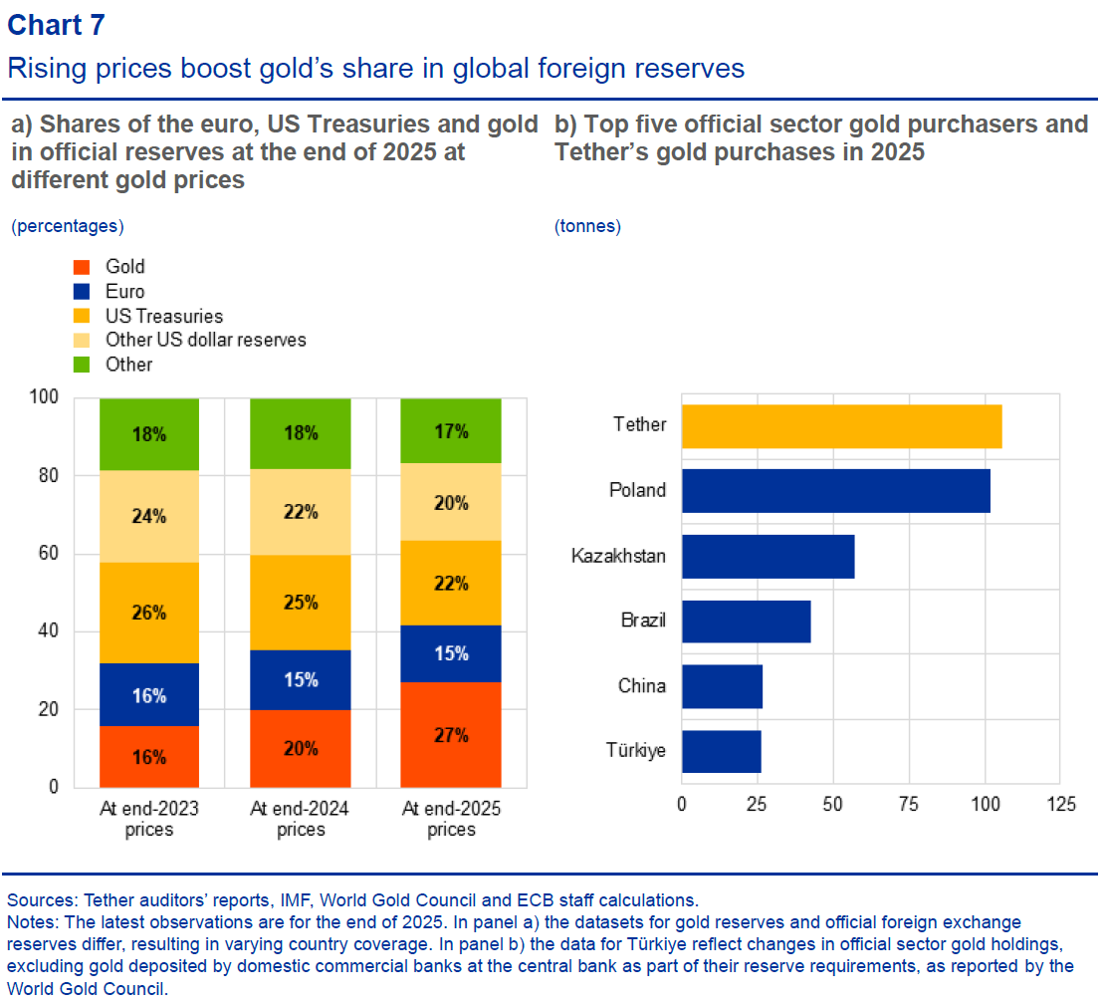
 | Gold price | Other US dollar reserves | US Treasuries | Euro | Gold | Other | Holder | Gold Purchased
 | At end-2023 prices | 24 | 26 | 16 | 16 | 18 | Türkiye | 26
 | At end-2024 prices | 22 | 25 | 15 | 20 | 18 | China | 27
 | At end-2025 prices | 20 | 22 | 15 | 27 | 17 | Brazil | 43
 |  |  |  |  |  |  | Kazakhstan | 57
 |  |  |  |  |  |  | Poland | 102
 |  |  |  |  |  |  | Tether | 106

Chart 8
Back to ToC

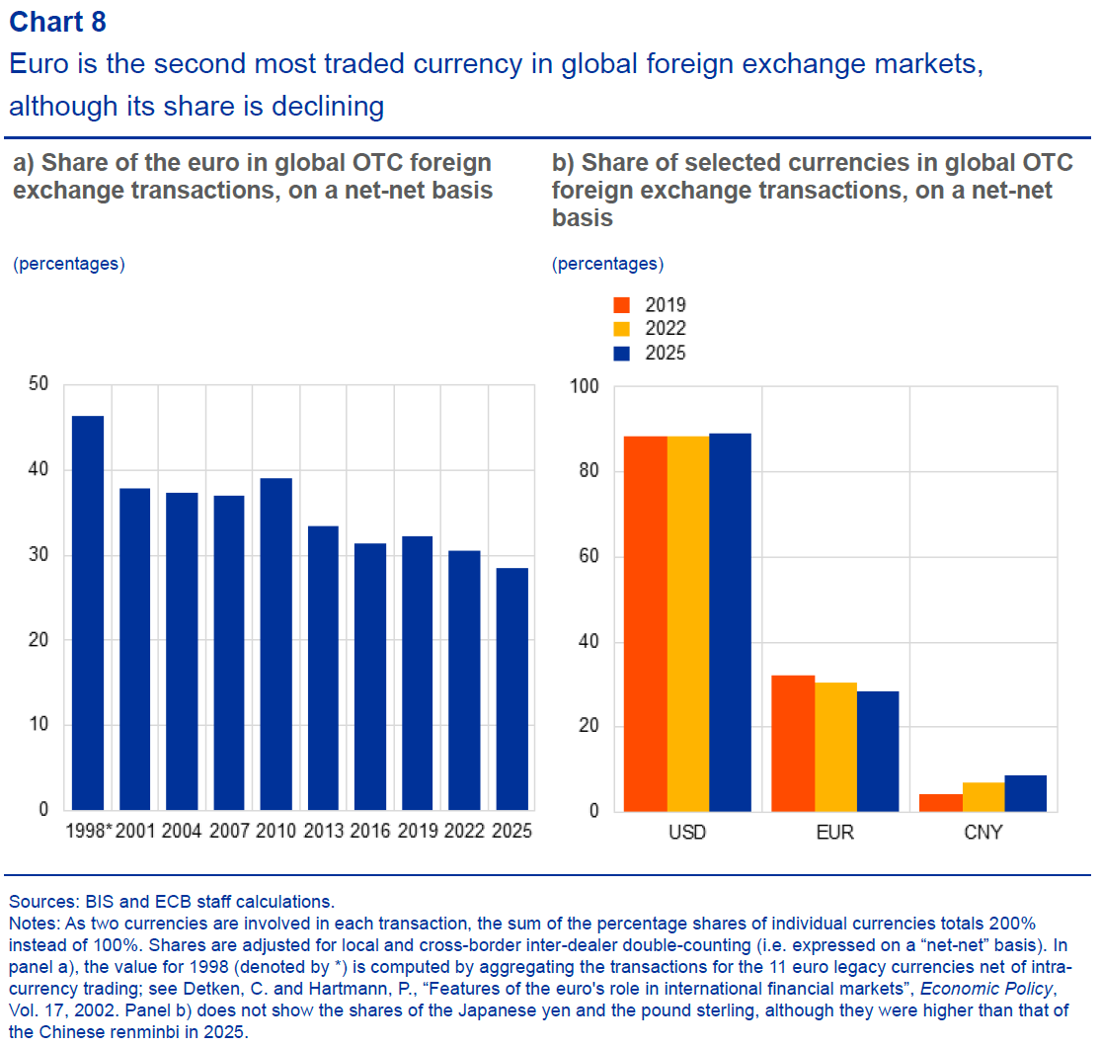
 | Year | Euro share | Currency | 2019 | 2022 | 2025
 | 1998* | 46.4 | USD | 88.3 | 88.4 | 89.1
 | 2001 | 37.9 | EUR | 32.3 | 30.6 | 28.5
 | 2004 | 37.4 | CNY | 4.3 | 7.0 | 8.6
 | 2007 | 37.0
 | 2010 | 39.0
 | 2013 | 33.4
 | 2016 | 31.4
 | 2019 | 32.3
 | 2022 | 30.6
 | 2025 | 28.5

Chart 9
Back to ToC

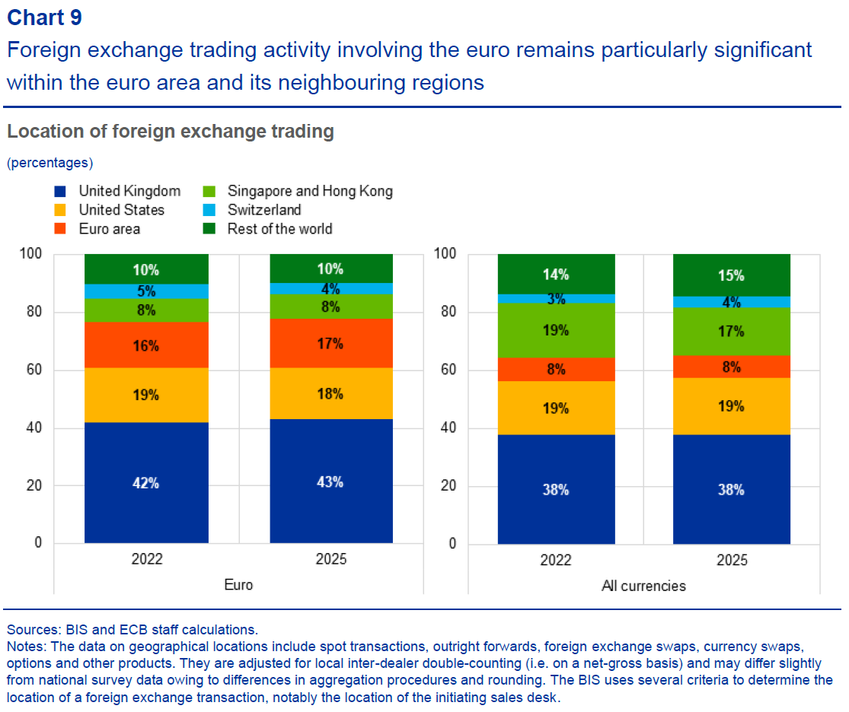
 | United Kingdom | United States | Euro area | Singapore and Hong Kong | Switzerland | Rest of the world
All currencies 2022 | 37.8 | 18.6 | 8.1 | 18.9 | 2.95 | 13.7
All currencies 2025 | 38.0 | 19.5 | 7.8 | 16.5 | 3.56 | 14.6
 | Region | Euro |  | All currencies
 |  | 2022 | 2025 | 2022 | 2025
 | Rest of the world | 10.2 | 9.9 | 13.7 | 14.6
 | United Kingdom | 42.0 | 43.2 | 37.8 | 38.0
 | United States | 18.8 | 17.8 | 18.6 | 19.5
 | Singapore and Hong Kong | 8.4 | 8.3 | 18.9 | 16.5
 | Switzerland | 4.9 | 3.9 | 3.0 | 3.6
 | Euro area | 15.6 | 16.9 | 8.1 | 7.8

Chart 10
Back to ToC

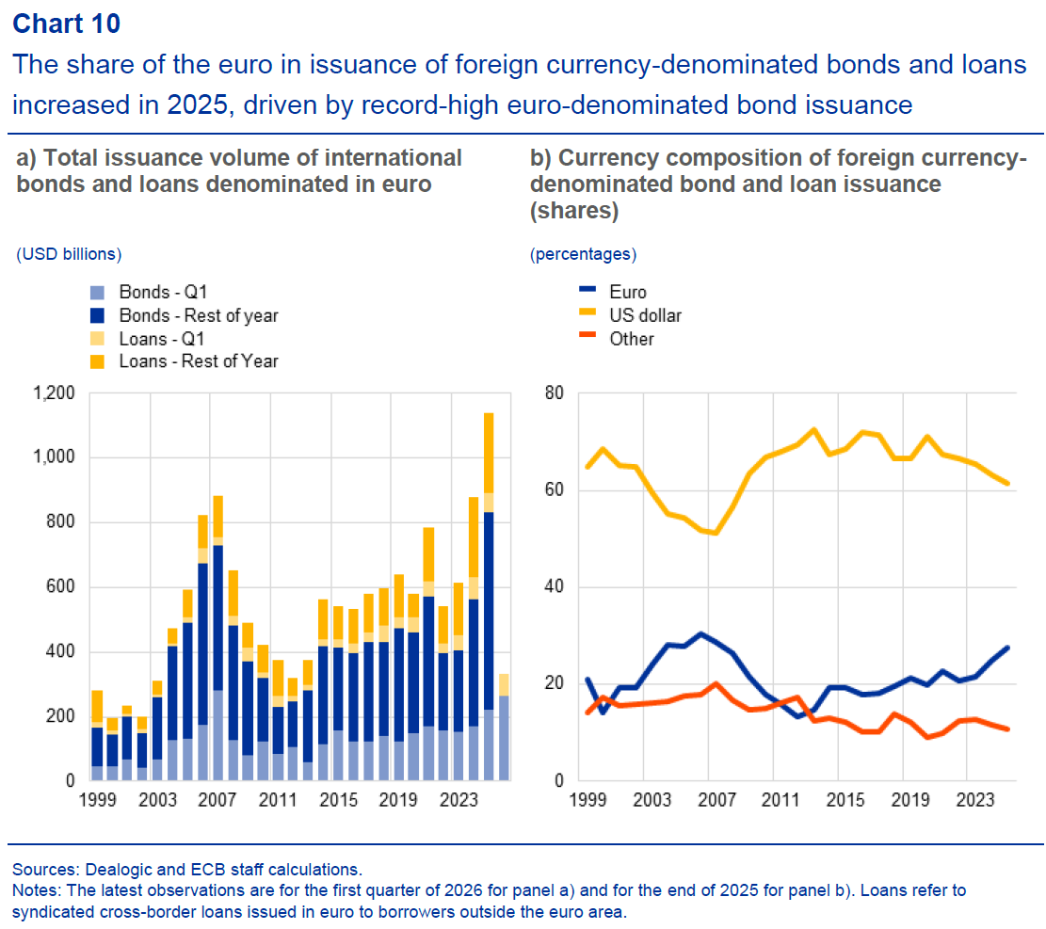
 | Year | Bonds |  | Loans |  | Data | EUR share | USD share | Other share
 |  | Q1 | RoY | Q1 | RoY | 1999-12-31 | 21.0 | 64.9 | 14.1
 | 1999-12-31 | 44.5 | 122.8 | 17.7 | 96.1 | 2000-12-31 | 14.1 | 68.6 | 17.2
 | 2000-12-31 | 44.4 | 99.2 | 15.1 | 35.5 | 2001-12-31 | 19.2 | 65.0 | 15.7
 | 2001-12-31 | 66.2 | 132.1 | 8.7 | 28.3 | 2002-12-31 | 19.4 | 64.8 | 15.9
 | 2002-12-31 | 43.5 | 106.4 | 10.6 | 39.6 | 2003-12-31 | 24.3 | 59.5 | 16.3
 | 2003-12-31 | 69.6 | 190.8 | 9.3 | 39.7 | 2004-12-31 | 28.3 | 55.2 | 16.5
 | 2004-12-31 | 126.4 | 291.6 | 7.9 | 47.2 | 2005-12-31 | 27.8 | 54.5 | 17.7
 | 2005-12-31 | 133.7 | 355.9 | 19.8 | 85.7 | 2006-12-31 | 30.3 | 51.7 | 18.0
 | 2006-12-31 | 173.4 | 499.9 | 46.5 | 104.2 | 2007-12-31 | 28.8 | 51.1 | 20.1
 | 2007-12-31 | 280.5 | 450.5 | 22.9 | 128.3 | 2008-12-31 | 26.5 | 56.7 | 16.8
 | 2008-12-31 | 129.6 | 351.2 | 29.6 | 141.9 | 2009-12-31 | 21.7 | 63.6 | 14.8
 | 2009-12-31 | 80.7 | 288.7 | 44.4 | 76.5 | 2010-12-31 | 17.9 | 67.0 | 15.1
 | 2010-12-31 | 125.2 | 192.9 | 20.9 | 82.6 | 2011-12-31 | 15.9 | 67.9 | 16.2
 | 2011-12-31 | 85.1 | 145.4 | 31.8 | 113.5 | 2012-12-31 | 13.2 | 69.5 | 17.3
 | 2012-12-31 | 106.0 | 142.8 | 14.2 | 57.2 | 2013-12-31 | 14.8 | 72.7 | 12.5
 | 2013-12-31 | 60.7 | 220.5 | 17.6 | 76.9 | 2014-12-31 | 19.4 | 67.4 | 13.1
 | 2014-12-31 | 115.0 | 302.1 | 21.3 | 123.4 | 2015-12-31 | 19.3 | 68.5 | 12.1
 | 2015-12-31 | 158.6 | 256.9 | 26.0 | 100.3 | 2016-12-31 | 18.0 | 72.0 | 10.1
 | 2016-12-31 | 125.6 | 270.7 | 32.4 | 103.3 | 2017-12-31 | 18.3 | 71.4 | 10.3
 | 2017-12-31 | 124.3 | 305.7 | 29.9 | 119.8 | 2018-12-31 | 19.5 | 66.6 | 13.9
 | 2018-12-31 | 140.1 | 290.9 | 49.4 | 117.6 | 2019-12-31 | 21.3 | 66.6 | 12.2
 | 2019-12-31 | 122.0 | 353.2 | 34.2 | 130.5 | 2020-12-31 | 19.9 | 71.0 | 9.0
 | 2020-12-31 | 148.0 | 311.0 | 47.7 | 73.6 | 2021-12-31 | 22.8 | 67.3 | 9.9
 | 2021-12-31 | 170.0 | 401.3 | 48.7 | 165.6 | 2022-12-31 | 20.7 | 66.8 | 12.5
 | 2022-12-31 | 158.5 | 238.2 | 30.2 | 117.2 | 2023-12-31 | 21.7 | 65.4 | 12.9
 | 2023-12-31 | 153.0 | 250.6 | 48.9 | 160.7 | 2024-12-31 | 25.2 | 63.1 | 11.7
 | 2024-12-31 | 170.2 | 394.5 | 67.8 | 245.3 | 2025-12-31 | 27.6 | 61.5 | 10.9
 | 2025-12-31 | 222.6 | 610.4 | 59.4 | 247.6
 | 2026-12-31 | 263.9 |  | 68.5

Chart 11
Back to ToC

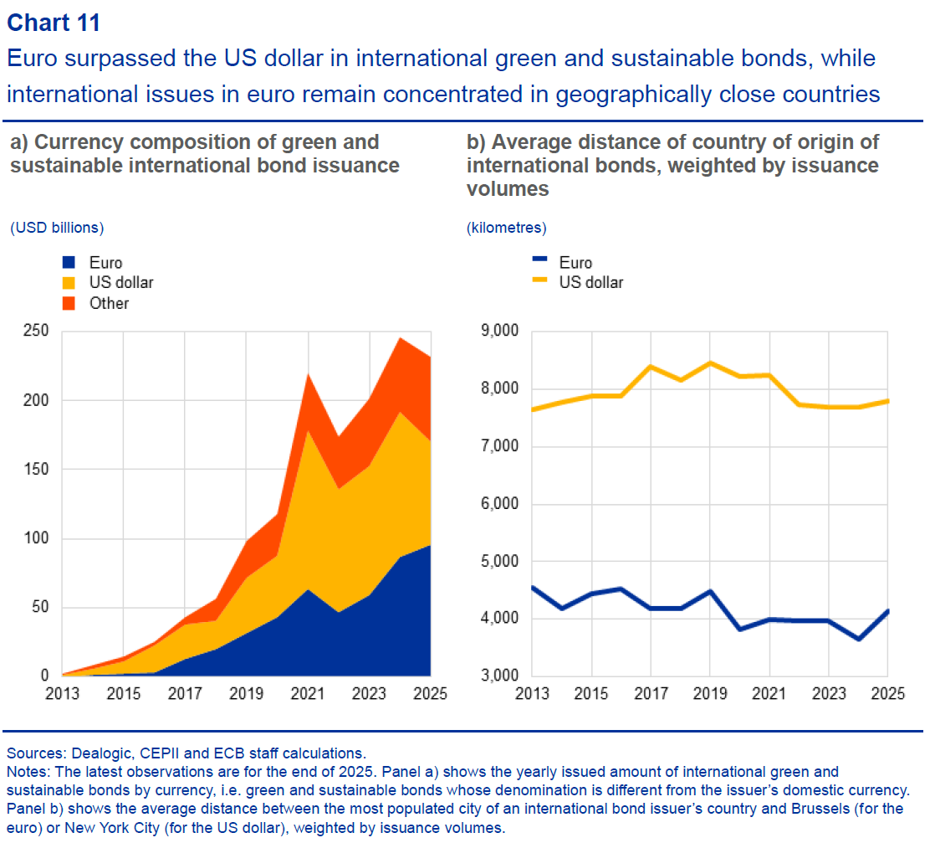
 | Year | Euro | US dollar | Other | Year | Euro | US dollar
 | 2013-01-31 | 0.0 | 1.5 | 0.5 | 2013 | 4545 | 7657
 | 2014-01-31 | 1.5 | 4.1 | 2.9 | 2014 | 4183 | 7772
 | 2015-01-31 | 2.2 | 8.6 | 3.6 | 2015 | 4435 | 7888
 | 2016-01-31 | 2.9 | 19.4 | 3.1 | 2016 | 4532 | 7881
 | 2017-01-31 | 12.7 | 25.4 | 5.4 | 2017 | 4188 | 8403
 | 2018-01-31 | 19.6 | 20.9 | 16.4 | 2018 | 4188 | 8151
 | 2019-01-31 | 32.0 | 40.0 | 26.7 | 2019 | 4476 | 8461
 | 2020-01-31 | 43.1 | 44.5 | 30.3 | 2020 | 3815 | 8225
 | 2021-01-31 | 63.9 | 114.9 | 41.7 | 2021 | 3986 | 8247
 | 2022-01-31 | 46.6 | 89.1 | 38.3 | 2022 | 3969 | 7741
 | 2023-01-31 | 59.2 | 93.5 | 49.1 | 2023 | 3979 | 7695
 | 2024-01-31 | 87.0 | 105.1 | 53.7 | 2024 | 3644 | 7699
 | 2025-01-31 | 95.4 | 75.3 | 60.9 | 2025 | 4151 | 7804

Chart 12
Back to ToC

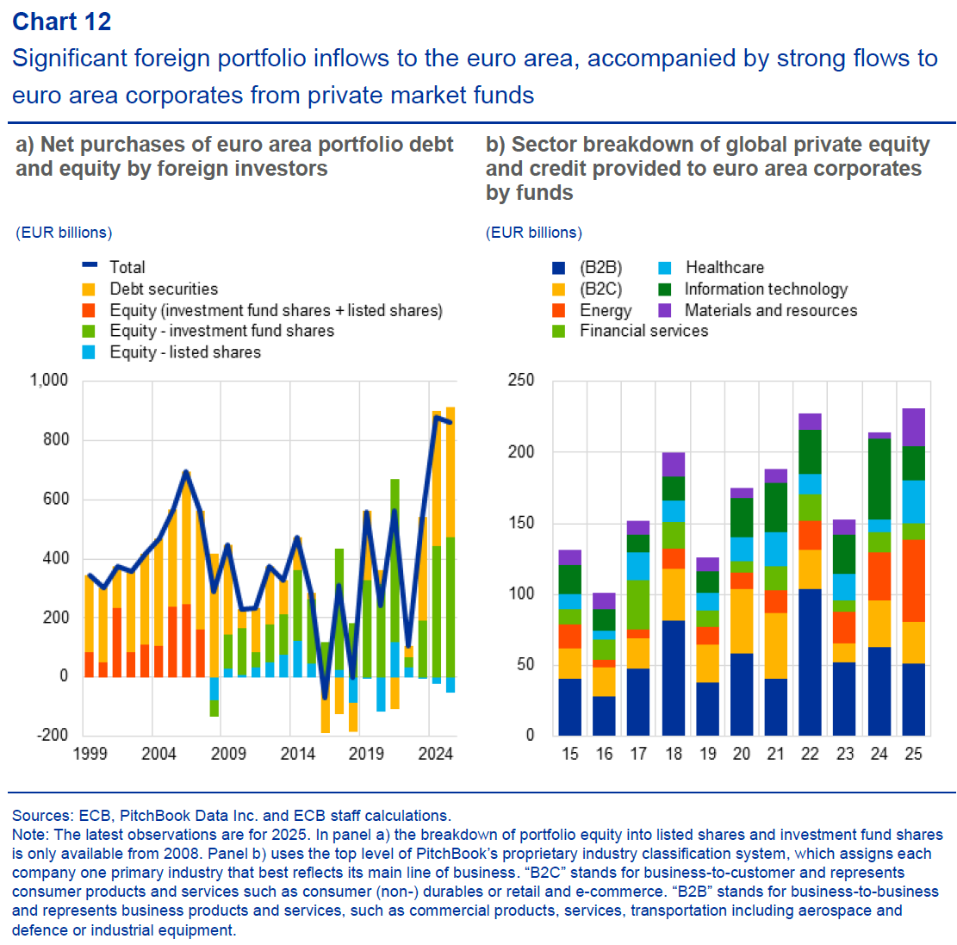
 |  |  | #REF! | Debt securities | Dummy | Total
1999 | 0.00 | 0.00 | 85.22 | 262.07 | 0 | 347.29
2000 | 0.00 | 0.00 | 52.11 | 251.73 |  | 303.83
2001 | 0.00 | 0.00 | 233.85 | 140.97 |  | 374.82
2002 | 0.00 | 0.00 | 85.25 | 272.83 |  | 358.08
2003 | 0.00 | 0.00 | 110.74 | 305.35 |  | 416.09
2004 | 0.00 | 0.00 | 103.89 | 366.46 |  | 470.34
2005 | 0.00 | 0.00 | 238.53 | 329.87 |  | 568.41
2006 | 0.00 | 0.00 | 245.75 | 450.04 |  | 695.80
2007 | 0.00 | 0.00 | 163.63 | 400.04 |  | 563.67
2008 | -76.55 | -54.88 |  | 419.28 |  | 287.85
2009 | 27.17 | 118.08 |  | 304.28 |  | 449.53
2010 | 8.74 | 157.11 |  | 62.66 |  | 228.50
2011 | 34.89 | 49.43 |  | 151.04 |  | 235.36
2012 | 51.57 | 126.12 |  | 197.61 |  | 375.31
2013 | 78.05 | 135.53 |  | 116.41 |  | 329.99
2014 | 121.20 | 240.43 |  | 110.01 |  | 471.64
2015 | 45.31 | 219.86 |  | 22.07 |  | 287.24
2016 | -10.22 | 120.56 |  | -179.38 |  | -69.04
2017 | 23.04 | 411.75 |  | -123.65 |  | 311.14
2018 | -84.74 | 182.46 |  | -99.13 |  | -1.41
2019 | -5.48 | 327.48 |  | 236.94 |  | 558.93
2020 | -117.34 | 315.64 |  | 46.25 |  | 244.54
2021 | 117.23 | 553.19 |  | -108.48 |  | 561.94
2022 | 34.51 | 32.87 |  | 39.83 |  | 107.21
2023 | -3.66 | 189.33 |  | 351.75 |  | 537.43
2024 | -22.90 | 444.64 |  | 455.51 |  | 877.26
2025 | -52.04 | 472.08 |  | 443.14 |  | 863.18
 | Year | Total | Debt securities | Equity | Investment Fund Shares | all liabilities |  | 15 | 16 | 17 | 18 | 19 | 20 | 21 | 22 | 23 | 24 | 25
 | 1999 | 347.29 | 262.07 | 0.00 | 0.00 | 85.22 | (B2B) | 40800.58 | 27751.01 | 48081 | 81293.14 | 37573.68 | 58443.09 | 40883.59 | 104209.09 | 52232.78 | 62587.06 | 51550.1
 | 2000 | 303.83 | 251.73 | 0.00 | 0.00 | 52.11 | (B2C) | 21540.44 | 20433.83 | 21140.73 | 36560.95 | 26889.6 | 45405.63 | 45882.55 | 27338.42 | 13560.53 | 33486.11 | 28987.52
 | 2001 | 374.82 | 140.97 | 0.00 | 0.00 | 233.85 | Energy | 16231.28 | 5959.89 | 6169.52 | 14649.08 | 12430.6 | 11500.92 | 16141.62 | 19893.2 | 21540.67 | 33509.54 | 57553.77
 | 2002 | 358.08 | 272.83 | 0.00 | 0.00 | 85.25 | Financial services | 11111.35 | 14450.48 | 34851.96 | 18512.28 | 11834.8 | 8418.22 | 16777.3 | 18976.68 | 8772.75 | 14045.41 | 11951.93
 | 2003 | 416.09 | 305.35 | 0.00 | 0.00 | 110.74 | Healthcare | 10321.86 | 5751.32 | 19072.88 | 14871.81 | 12030.22 | 16469.46 | 23947.56 | 14459.94 | 18045.27 | 8837.74 | 29875.4
 | 2004 | 470.34 | 366.46 | 0.00 | 0.00 | 103.89 | Information technology | 20915.96 | 15602.37 | 12863.77 | 17323.93 | 15803.71 | 27969.68 | 34651.89 | 31148.65 | 28231 | 57302.48 | 24538.09
 | 2005 | 568.41 | 329.87 | 0.00 | 0.00 | 238.53 | Materials and resources | 10330.12 | 10915.8 | 9300.63 | 17118.73 | 9540.46 | 6470.07 | 9942.83 | 11387.7 | 9933.93 | 4600.66 | 26913.73
 | 2006 | 695.80 | 450.04 | 0.00 | 0.00 | 245.75
 | 2007 | 563.67 | 400.04 | 0.00 | 0.00 | 163.63
 | 2008 | 287.85 | 419.28 | -76.55 | -54.88 | -131.43
 | 2009 | 449.53 | 304.28 | 27.17 | 118.08 | 145.25
 | 2010 | 228.50 | 62.66 | 8.74 | 157.11 | 165.85
 | 2011 | 235.36 | 151.04 | 34.89 | 49.43 | 84.32
 | 2012 | 375.31 | 197.61 | 51.57 | 126.12 | 177.69
 | 2013 | 329.99 | 116.41 | 78.05 | 135.53 | 183.45
 | 2014 | 471.64 | 110.01 | 121.20 | 240.43 | 300.91
 | 2015 | 287.24 | 22.07 | 45.31 | 219.86 | 261.22
 | 2016 | -69.04 | -179.38 | -10.22 | 120.56 | 153.12
 | 2017 | 311.14 | -123.65 | 23.04 | 411.75 | 424.05
 | 2018 | -1.41 | -99.13 | -84.74 | 182.46 | 87.54
 | 2019 | 558.93 | 236.94 | -5.48 | 327.48 | 330.68
 | 2020 | 244.54 | 46.25 | -117.34 | 315.64 | 166.85
 | 2021 | 561.94 | -108.48 | 117.23 | 553.19 | 667.11
 | 2022 | 107.21 | 39.83 | 34.51 | 32.87 | 10.93
 | 2023 | 537.43 | 351.75 | -3.66 | 189.33 | 347.61
 | 2024 | 877.26 | 455.51 | -22.90 | 444.64 | 347.61
 | 2025 | 863.18 | 443.14 | -52.04 | 472.08 | 347.61

Chart 13
Back to ToC

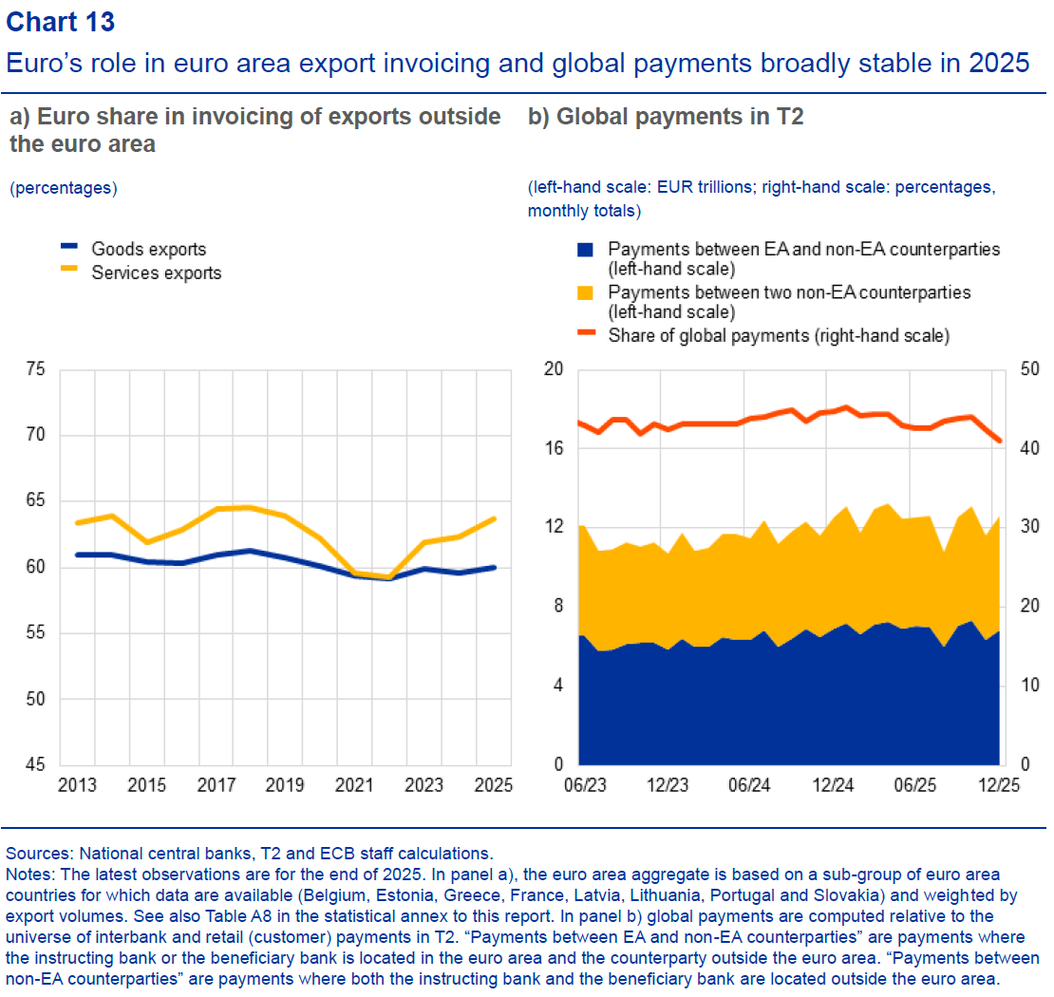
 | Year | Goods exports | Services exports | Date | Share of global payments | Payments between EA and non-EA counterparties | Payments between two non-EA counterparties
 | 2013 | 61.0 | 63.4
 | 2014 | 61.0 | 63.9 | 2023-04-01 | 42.5 | 5688.3 | 5162.7
 | 2015 | 60.4 | 61.9 | 2023-05-01 | 43.6 | 6542.5 | 5563.0
 | 2016 | 60.3 | 62.9 | 2023-06-01 | 42.9 | 6578.5 | 5571.9
 | 2017 | 61.0 | 64.4 | 2023-07-01 | 42.1 | 5754.5 | 5097.1
 | 2018 | 61.3 | 64.6 | 2023-08-01 | 43.7 | 5826.8 | 5112.0
 | 2019 | 60.8 | 63.9 | 2023-09-01 | 43.7 | 6106.7 | 5190.2
 | 2020 | 60.1 | 62.2 | 2023-10-01 | 41.9 | 6190.2 | 4859.3
 | 2021 | 59.4 | 59.6 | 2023-11-01 | 43.2 | 6202.3 | 5110.8
 | 2022 | 59.2 | 59.3 | 2023-12-01 | 42.5 | 5851.6 | 4884.8
 | 2023 | 59.9 | 61.9 | 2024-01-01 | 43.2 | 6431.3 | 5336.2
 | 2024 | 59.6 | 62.3 | 2024-02-01 | 43.2 | 6011.7 | 4841.4
 | 2025 | 60.0 | 63.7 | 2024-03-01 | 43.2 | 6018.5 | 4994.2
 |  |  |  | 2024-04-01 | 43.2 | 6475.7 | 5213.2
 |  |  |  | 2024-05-01 | 43.1 | 6380.4 | 5292.7
 |  |  |  | 2024-06-01 | 43.8 | 6344.2 | 5155.3
 |  |  |  | 2024-07-01 | 44.0 | 6878.1 | 5505.4
 |  |  |  | 2024-08-01 | 44.6 | 6032.1 | 5149.7
 |  |  |  | 2024-09-01 | 44.9 | 6454.7 | 5388.1
 |  |  |  | 2024-10-01 | 43.6 | 6880.7 | 5449.4
 |  |  |  | 2024-11-01 | 44.6 | 6477.0 | 5132.2
 |  |  |  | 2024-12-01 | 44.8 | 6927.9 | 5633.4
 |  |  |  | 2025-01-01 | 45.3 | 7166.6 | 5969.2
 |  |  |  | 2025-02-01 | 44.2 | 6630.8 | 5173.6
 |  |  |  | 2025-03-01 | 44.3 | 7132.6 | 5829.0
 |  |  |  | 2025-04-01 | 44.4 | 7262.6 | 6002.0
 |  |  |  | 2025-05-01 | 43.0 | 6925.9 | 5566.0
 |  |  |  | 2025-06-01 | 42.7 | 7023.7 | 5540.1
 |  |  |  | 2025-07-01 | 42.7 | 7016.5 | 5589.8
 |  |  |  | 2025-08-01 | 43.5 | 6028.7 | 4751.1
 |  |  |  | 2025-09-01 | 43.8 | 7039.3 | 5486.3
 |  |  |  | 2025-10-01 | 43.9 | 7316.2 | 5785.2
 |  |  |  | 2025-11-01 | 42.4 | 6321.1 | 5285.5
 |  |  |  | 2025-12-01 | 41.0 | 6865.9 | 5731.1

Chart 14
Back to ToC

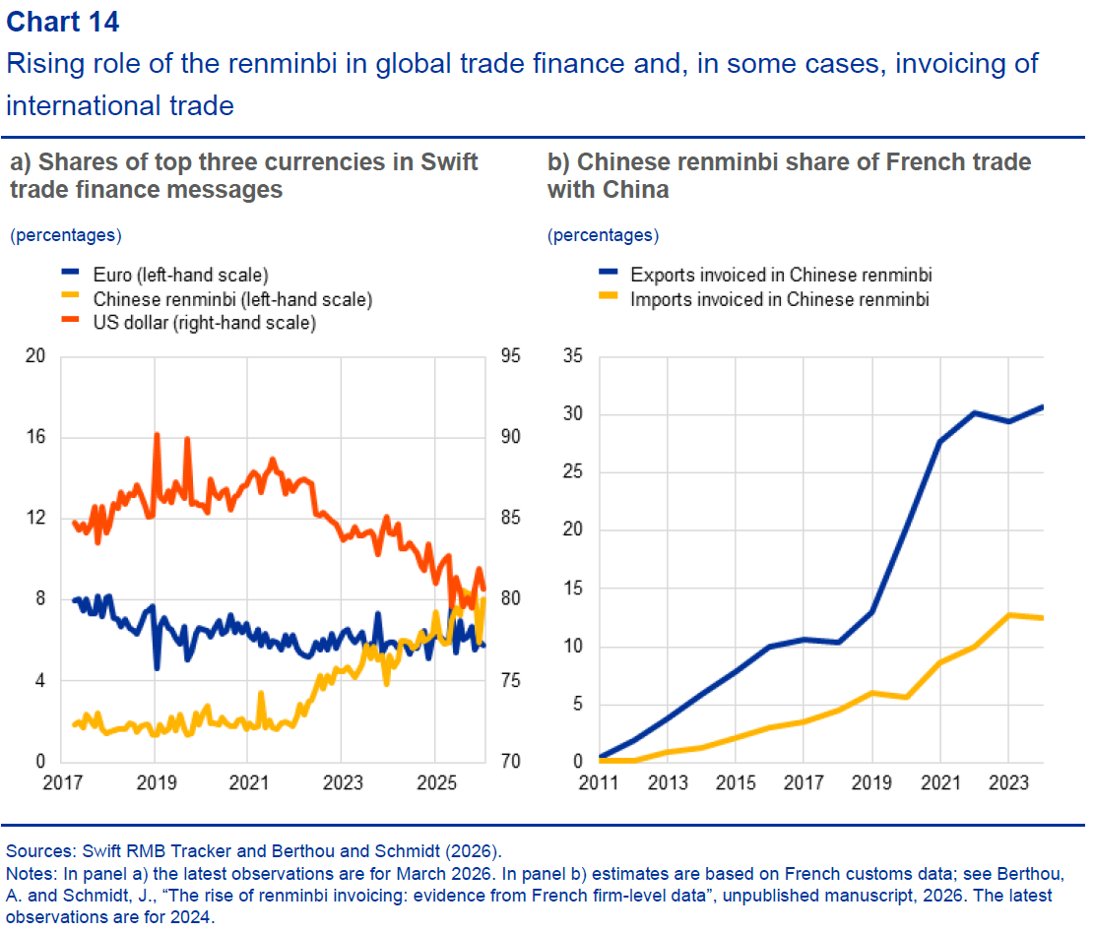
 | Euro (left-hand scale) | Chinese renminbi (left-hand scale) | USD
2017-06-01 | 8.0 | 1.9 | 84.8
2017-07-01 | 8.1 | 2.0 | 84.4
2017-08-01 | 7.5 | 1.7 | 84.7
2017-09-01 | 8.0 | 2.3 | 84.2
2017-10-01 | 7.3 | 2.1 | 84.6
2017-11-01 | 7.3 | 1.8 | 85.7
2017-12-01 | 8.2 | 2.5 | 83.5
2018-01-01 | 7.2 | 1.6 | 85.8
2018-02-01 | 8.1 | 1.5 | 84.2
2018-03-01 | 8.2 | 1.5 | 84.6
2018-04-01 | 7.1 | 1.6 | 86.0
2018-05-01 | 7.1 | 1.7 | 85.7
2018-06-01 | 6.7 | 1.6 | 86.7
2018-07-01 | 7.0 | 1.7 | 85.9
2018-08-01 | 6.6 | 1.9 | 86.6
2018-09-01 | 6.5 | 1.8 | 86.5
2018-10-01 | 6.3 | 1.5 | 87.1
2018-11-01 | 6.9 | 1.8 | 86.5
2018-12-01 | 7.4 | 1.8 | 85.8
2019-01-01 | 7.5 | 1.9 | 85.1
2019-02-01 | 7.7 | 1.3 | 85.2
2019-03-01 | 4.7 | 1.4 | 90.2
2019-04-01 | 6.7 | 1.8 | 86.4
2019-05-01 | 7.2 | 1.5 | 86.2
2019-06-01 | 6.6 | 1.7 | 86.7
2019-07-01 | 6.6 | 2.2 | 86.1
2019-08-01 | 6.1 | 1.6 | 87.3
2019-09-01 | 5.8 | 2.4 | 86.7
2019-10-01 | 6.7 | 1.6 | 86.3
2019-11-01 | 5.0 | 1.4 | 89.9
2019-12-01 | 5.5 | 1.5 | 85.9
2020-01-01 | 6.3 | 2.4 | 86.1
2020-02-01 | 6.7 | 1.9 | 85.8
2020-03-01 | 6.5 | 2.4 | 85.8
2020-04-01 | 6.5 | 2.8 | 85.4
2020-05-01 | 6.2 | 1.9 | 87.5
2020-06-01 | 6.6 | 2.0 | 86.5
2020-07-01 | 7.0 | 1.8 | 86.3
2020-08-01 | 6.4 | 2.2 | 86.7
2020-09-01 | 6.5 | 1.9 | 86.9
2020-10-01 | 7.3 | 1.8 | 85.6
2020-11-01 | 6.5 | 1.8 | 86.4
2020-12-01 | 6.9 | 2.1 | 86.5
2021-01-01 | 6.5 | 2.2 | 87.0
2021-02-01 | 6.9 | 1.7 | 87.1
2021-03-01 | 6.2 | 1.9 | 87.5
2021-04-01 | 6.1 | 1.7 | 87.9
2021-05-01 | 6.6 | 1.8 | 87.7
2021-06-01 | 5.8 | 3.4 | 86.6
2021-07-01 | 6.4 | 1.7 | 87.8
...
 | Date | USD | EUR | CNY | JPY | Year | Exports | Imports
 | 2017-06-01 | 84.8 | 8.0 | 1.9 | 1.8 | 2011-12-31 | 0.5 | 0.2
 | 2017-07-01 | 84.4 | 8.1 | 2.0 | 1.7 | 2012-12-31 | 1.9 | 0.2
 | 2017-08-01 | 84.7 | 7.5 | 1.7 | 1.9 | 2013-12-31 | 3.7 | 0.9
 | 2017-09-01 | 84.2 | 8.0 | 2.3 | 2.0 | 2014-12-31 | 5.9 | 1.2
 | 2017-10-01 | 84.6 | 7.3 | 2.1 | 1.8 | 2015-12-31 | 7.9 | 2.2
 | 2017-11-01 | 85.7 | 7.3 | 1.8 | 1.6 | 2016-12-31 | 9.9 | 3.1
 | 2017-12-01 | 83.5 | 8.2 | 2.5 | 1.8 | 2017-12-31 | 10.7 | 3.6
 | 2018-01-01 | 85.8 | 7.2 | 1.6 | 1.8 | 2018-12-31 | 10.4 | 4.6
 | 2018-02-01 | 84.2 | 8.1 | 1.5 | 2.1 | 2019-12-31 | 13.0 | 6.0
 | 2018-03-01 | 84.6 | 8.2 | 1.5 | 2.0 | 2020-12-31 | 20.3 | 5.7
 | 2018-04-01 | 86.0 | 7.1 | 1.6 | 1.8 | 2021-12-31 | 27.7 | 8.7
 | 2018-05-01 | 85.7 | 7.1 | 1.7 | 1.8 | 2022-12-31 | 30.2 | 9.9
 | 2018-06-01 | 86.7 | 6.7 | 1.6 | 1.7 | 2023-12-31 | 29.5 | 12.8
 | 2018-07-01 | 85.9 | 7.0 | 1.7 | 1.7 | 2024-12-31 | 30.7 | 12.5
 | 2018-08-01 | 86.6 | 6.6 | 1.9 | 1.6
 | 2018-09-01 | 86.5 | 6.5 | 1.8 | 1.7
 | 2018-10-01 | 87.1 | 6.3 | 1.5 | 1.5
 | 2018-11-01 | 86.5 | 6.9 | 1.8 | 1.4
 | 2018-12-01 | 85.8 | 7.4 | 1.8 | 1.4
 | 2019-01-01 | 85.1 | 7.5 | 1.9 | 1.7
 | 2019-02-01 | 85.2 | 7.7 | 1.3 | 1.6
 | 2019-03-01 | 90.2 | 4.7 | 1.4 | 1.1
 | 2019-04-01 | 86.4 | 6.7 | 1.8 | 1.5
 | 2019-05-01 | 86.2 | 7.2 | 1.5 | 1.4
 | 2019-06-01 | 86.7 | 6.6 | 1.7 | 1.6
 | 2019-07-01 | 86.1 | 6.6 | 2.2 | 1.5
 | 2019-08-01 | 87.3 | 6.1 | 1.6 | 1.6
 | 2019-09-01 | 86.7 | 5.8 | 2.4 | 1.6
 | 2019-10-01 | 86.3 | 6.7 | 1.6 | 1.5
 | 2019-11-01 | 89.9 | 5.0 | 1.4 | 1.1
 | 2019-12-01 | 85.9 | 5.5 | 1.5 | 1.4
 | 2020-01-01 | 86.1 | 6.3 | 2.4 | 1.7
 | 2020-02-01 | 85.8 | 6.7 | 1.9 | 1.6
 | 2020-03-01 | 85.8 | 6.5 | 2.4 | 1.7
 | 2020-04-01 | 85.4 | 6.5 | 2.8 | 1.9
 | 2020-05-01 | 87.5 | 6.2 | 1.9 | 1.7
 | 2020-06-01 | 86.5 | 6.6 | 2.0 | 1.7
 | 2020-07-01 | 86.3 | 7.0 | 1.8 | 1.8
 | 2020-08-01 | 86.7 | 6.4 | 2.2 | 1.5
 | 2020-09-01 | 86.9 | 6.5 | 1.9 | 1.6
 | 2020-10-01 | 85.6 | 7.3 | 1.8 | 1.7
 | 2020-11-01 | 86.4 | 6.5 | 1.8 | 1.8
 | 2020-12-01 | 86.5 | 6.9 | 2.1 | 1.6
 | 2021-01-01 | 87.0 | 6.5 | 2.2 | 1.6
 | 2021-02-01 | 87.1 | 6.9 | 1.7 | 1.3
 | 2021-03-01 | 87.5 | 6.2 | 1.9 | 1.6
 | 2021-04-01 | 87.9 | 6.1 | 1.7 | 1.5
 | 2021-05-01 | 87.7 | 6.6 | 1.8 | 1.4
 | 2021-06-01 | 86.6 | 5.8 | 3.4 | 1.4
 | 2021-07-01 | 87.8 | 6.4 | 1.7 | 1.5
 | 2021-08-01 | 88.1 | 5.7 | 2.1 | 1.4
 | 2021-09-01 | 88.7 | 6.0 | 1.7 | 1.3
 | 2021-10-01 | 87.9 | 5.9 | 1.7 | 1.2
 | 2021-11-01 | 87.9 | 5.6 | 2.0 | 1.3
 | 2021-12-01 | 86.6 | 6.3 | 2.0 | 1.5
 | 2022-01-01 | 87.4 | 5.8 | 1.9 | 1.7
 | 2022-02-01 | 86.8 | 6.3 | 1.8 | 1.4
 | 2022-03-01 | 87.2 | 5.7 | 2.3 | 1.4
 | 2022-04-01 | 87.4 | 5.4 | 2.9 | 1.2
 | 2022-05-01 | 87.5 | 5.3 | 2.4 | 1.4
 | 2022-06-01 | 87.3 | 5.2 | 3.0 | 1.1
 | 2022-07-01 | 87.2 | 5.3 | 3.1 | 1.2
 | 2022-08-01 | 85.4 | 5.9 | 3.7 | 1.3
 | 2022-09-01 | 85.3 | 5.6 | 4.3 | 1.1
 | 2022-10-01 | 85.4 | 6.1 | 3.6 | 1.3
 | 2022-11-01 | 85.2 | 5.6 | 4.3 | 1.5
 | 2022-12-01 | 84.8 | 6.3 | 3.9 | 1.3
 | 2023-01-01 | 84.7 | 5.6 | 4.6 | 1.4
 | 2023-02-01 | 84.3 | 6.0 | 4.5 | 1.5
 | 2023-03-01 | 83.7 | 6.4 | 4.5 | 1.8
 | 2023-04-01 | 84.0 | 6.5 | 4.7 | 1.4
 | 2023-05-01 | 83.9 | 6.2 | 4.5 | 1.7
 | 2023-06-01 | 84.5 | 6.0 | 4.2 | 1.5
 | 2023-07-01 | 83.9 | 6.2 | 4.6 | 1.5
 | 2023-08-01 | 84.0 | 6.4 | 4.8 | 1.3
 | 2023-09-01 | 84.2 | 5.4 | 5.8 | 1.4
 | 2023-10-01 | 84.2 | 5.9 | 5.1 | 1.4
 | 2023-11-01 | 84.0 | 5.6 | 5.7 | 1.3
 | 2023-12-01 | 82.8 | 7.4 | 5.1 | 1.3
 | 2024-01-01 | 84.2 | 5.4 | 5.3 | 1.5
 | 2024-02-01 | 85.1 | 5.9 | 3.8 | 1.4
 | 2024-03-01 | 84.1 | 5.9 | 5.3 | 1.5
 | 2024-04-01 | 84.1 | 5.9 | 4.7 | 1.9
 | 2024-05-01 | 84.7 | 5.6 | 5.1 | 1.2
 | 2024-06-01 | 83.2 | 5.9 | 6.0 | 1.5
 | 2024-07-01 | 83.2 | 5.8 | 6.0 | 1.5
 | 2024-08-01 | 83.6 | 5.3 | 6.0 | 1.5
 | 2024-09-01 | 83.3 | 5.7 | 5.7 | 1.6
 | 2024-10-01 | 82.9 | 5.6 | 5.8 | 1.5
 | 2024-11-01 | 82.1 | 6.3 | 6.4 | 1.3
 | 2024-12-01 | 81.9 | 6.5 | 6.0 | 1.4
 | 2025-01-01 | 83.5 | 5.2 | 6.1 | 1.3
 | 2025-02-01 | 81.9 | 6.2 | 6.3 | 1.5
 | 2025-03-01 | 81.1 | 6.2 | 7.4 | 1.5
 | 2025-04-01 | 82.1 | 6.2 | 6.2 | 1.6
 | 2025-05-01 | 82.5 | 6.0 | 5.8 | 1.4
 | 2025-06-01 | 82.8 | 5.9 | 5.9 | 1.6
 | 2025-07-01 | 79.6 | 7.7 | 7.0 | 1.6
 | 2025-08-01 | 81.4 | 5.4 | 7.6 | 1.5
 | 2025-09-01 | 80.5 | 7.0 | 7.3 | 1.2
 | 2025-10-01 | 79.6 | 6.1 | 8.5 | 1.4
 | 2025-11-01 | 80.2 | 6.2 | 8.4 | 1.4
 | 2025-12-01 | 79.5 | 6.7 | 8.3 | 1.4
 | 2026-01-01 | 80.7 | 5.6 | 8.5 | 1.3
 | 2026-02-01 | 82.0 | 6.0 | 5.9 | 1.6
 | 2026-03-01 | 80.7 | 5.8 | 8.0 | 1.4

Chart 15
Back to ToC

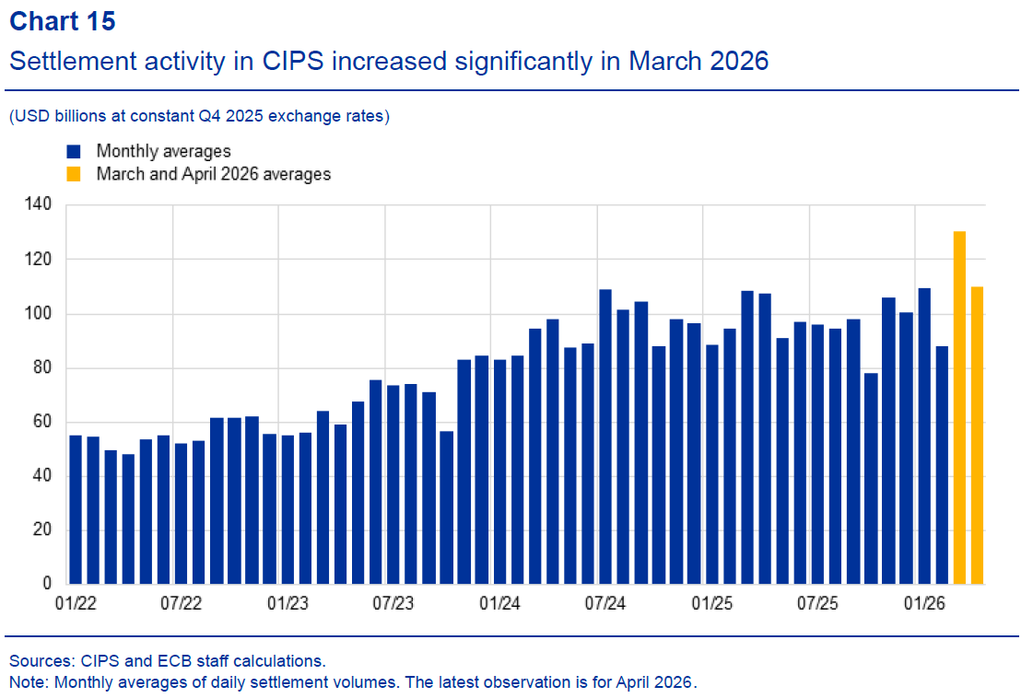
 | Period | Monthly settlement volumes
 | Jan-22 | 55.2
 | Feb-22 | 54.7
 | Mar-22 | 49.5
 | Apr-22 | 48.2
 | May-22 | 53.7
 | Jun-22 | 55.1
 | Jul-22 | 52.2
 | Aug-22 | 53.0
 | Sep-22 | 61.7
 | Oct-22 | 61.9
 | Nov-22 | 61.9
 | Dec-22 | 55.6
 | Jan-23 | 55.4
 | Feb-23 | 56.1
 | Mar-23 | 64.0
 | Apr-23 | 59.0
 | May-23 | 67.6
 | Jun-23 | 75.5
 | Jul-23 | 73.5
 | Aug-23 | 74.3
 | Sep-23 | 71.0
 | Oct-23 | 56.7
 | Nov-23 | 83.3
 | Dec-23 | 84.5
 | Jan-24 | 83.3
 | Feb-24 | 84.5
 | Mar-24 | 94.7
 | Apr-24 | 97.9
 | May-24 | 87.4
 | Jun-24 | 88.9
 | Jul-24 | 109.2
 | Aug-24 | 101.5
 | Sep-24 | 104.7
 | Oct-24 | 88.3
 | Nov-24 | 98.2
 | Dec-24 | 96.5
 | Jan-25 | 88.5
 | Feb-25 | 94.6
 | Mar-25 | 108.5
 | Apr-25 | 107.6
 | May-25 | 91.3
 | Jun-25 | 97.1
 | Jul-25 | 96.3
 | Aug-25 | 94.6
 | Sep-25 | 97.8
 | Oct-25 | 78.4
 | Nov-25 | 106.3
 | Dec-25 | 100.6
 | Jan-26 | 109.6
 | Feb-26 | 88.0
 | Mar-26 | 130.7
 | Apr-26 | 109.9

Chart 16
Back to ToC

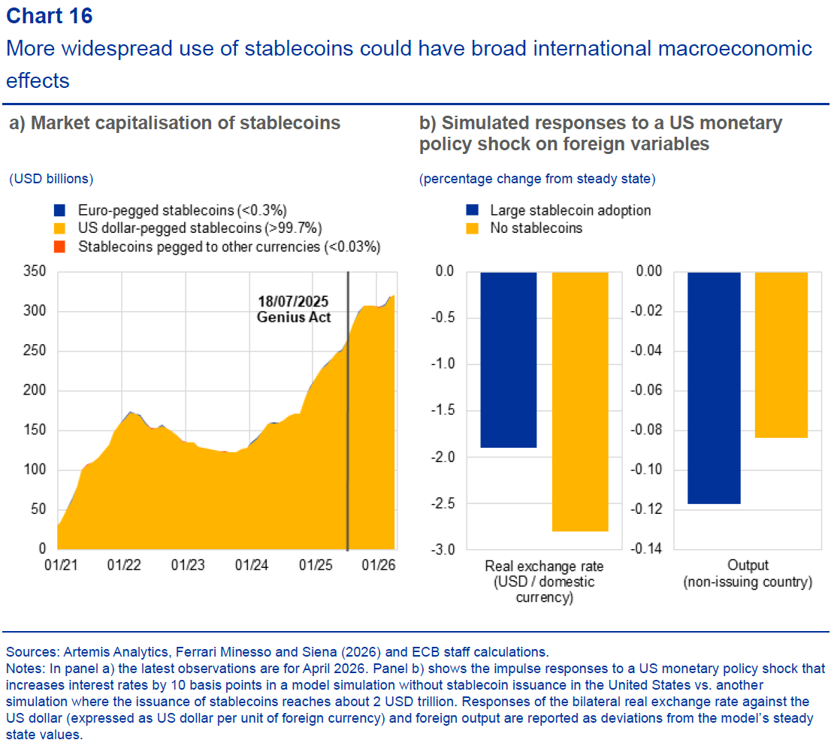
 | Date | EUR | USD | Other | Event date | Genius Act |  | Real exchange rate (USD / domestic currency) | Output (non-issuing country)
 | 2020-12-31 | 78674115.32 | 26837538977 | 6466713.26 | 2021-01-31 | -1000
 | 2021-01-31 | 86394479.36 | 35955355608 | 20187663.27 | 2021-02-28 | -1000 | Large stablecoin adoption | -1.9 | -0.1
 | 2021-02-28 | 98182432.42 | 49677683006 | 118981971.8 | 2021-03-31 | -1000 | No stablecoins | -2.8 | -0.1
 | 2021-03-31 | 105720476.9 | 62615661569 | 45313453.83 | 2021-04-30 | -1000
 | 2021-04-30 | 136924713.89 | 80256402299 | 53243876.77 | 2021-05-31 | -1000
 | 2021-05-31 | 150558377.24 | 1.0074467626E+11 | 110358906.99 | 2021-06-30 | -1000
 | 2021-06-30 | 160978951.58 | 1.0711717626E+11 | 137161318.2 | 2021-07-31 | -1000
 | 2021-07-31 | 169109860.6 | 1.109533209E+11 | 123670091.08 | 2021-08-31 | -1000
 | 2021-08-31 | 187762467.29 | 1.1661347218E+11 | 87153761.92 | 2021-09-30 | -1000
 | 2021-09-30 | 230741362.46 | 1.2431868962E+11 | 131940229.69 | 2021-10-31 | -1000
 | 2021-10-31 | 228837609.91 | 1.3309304034E+11 | 142166261.63 | 2021-11-30 | -1000
 | 2021-11-30 | 391972269.44 | 1.477031689E+11 | 378441796.18 | 2021-12-31 | -1000
 | 2021-12-31 | 488737882.04 | 1.5762291699E+11 | 305300365.54 | 2022-01-31 | -1000
 | 2022-01-31 | 568973231.15 | 1.6521296567E+11 | 284191021.91 | 2022-02-28 | -1000
 | 2022-02-28 | 593377700.1 | 1.7325149295E+11 | 218373449.54 | 2022-03-31 | -1000
 | 2022-03-31 | 523003405.7 | 1.7159156574E+11 | 221330826.8 | 2022-04-30 | -1000
 | 2022-04-30 | 481232010.26 | 1.6944443574E+11 | 194625872.78 | 2022-05-31 | -1000
 | 2022-05-31 | 478855150.54 | 1.5932290277E+11 | 213150399.39 | 2022-06-30 | -1000
 | 2022-06-30 | 441462702.2 | 1.530332528E+11 | 179153908.53 | 2022-07-31 | -1000
 | 2022-07-31 | 307136357.9 | 1.5317567813E+11 | 155642874.77 | 2022-08-31 | -1000
 | 2022-08-31 | 358253033.93 | 1.5700323672E+11 | 177500311.91 | 2022-09-30 | -1000
 | 2022-09-30 | 344380135.28 | 1.5342407545E+11 | 152951105.29 | 2022-10-31 | -1000
 | 2022-10-31 | 394831012.64 | 1.4931479256E+11 | 223703492.6 | 2022-11-30 | -1000
 | 2022-11-30 | 260494911.14 | 1.4341528925E+11 | 122030817.09 | 2022-12-31 | -1000
 | 2022-12-31 | 246251637.19 | 1.3636703228E+11 | 115644795.09 | 2023-01-31 | -1000
 | 2023-01-31 | 253554671.14 | 1.3551598857E+11 | 104920385.27 | 2023-02-28 | -1000
 | 2023-02-28 | 248106245.64 | 1.3527937866E+11 | 122939639.9 | 2023-03-31 | -1000
 | 2023-03-31 | 241616579.83 | 1.3029446407E+11 | 143535046.33 | 2023-04-30 | -1000
 | 2023-04-30 | 256013060.3 | 1.2830199909E+11 | 191106274.84 | 2023-05-31 | -1000
 | 2023-05-31 | 249579391.83 | 1.2731580701E+11 | 247566946.11 | 2023-06-30 | -1000
 | 2023-06-30 | 253948522.95 | 1.2577480864E+11 | 133165856.05 | 2023-07-31 | -1000
 | 2023-07-31 | 256530181.55 | 1.2424160949E+11 | 152266445.47 | 2023-08-31 | -1000
 | 2023-08-31 | 250933817.2 | 1.237314647E+11 | 240584006.06 | 2023-09-30 | -1000
 | 2023-09-30 | 251531541.22 | 1.225829101E+11 | 102657291.77 | 2023-10-31 | -1000
 | 2023-10-31 | 264346681.66 | 1.2323975996E+11 | 102816951.05 | 2023-11-30 | -1000
 | 2023-11-30 | 273407418.04 | 1.272126873E+11 | 164306276.74 | 2023-12-31 | -1000
 | 2023-12-31 | 348991235.48 | 1.2884821604E+11 | 163340420.36 | 2024-01-31 | -1000
 | 2024-01-31 | 339607281.01 | 1.3481431318E+11 | 155764856.47 | 2024-02-29 | -1000
 | 2024-02-29 | 335309465.19 | 1.4038339059E+11 | 150316737.6 | 2024-03-31 | -1000
 | 2024-03-31 | 317230804.42 | 1.4917110862E+11 | 144322686.61 | 2024-04-30 | -1000
 | 2024-04-30 | 304457021.19 | 1.5912093982E+11 | 126324842.35 | 2024-05-31 | -1000
 | 2024-05-31 | 298740636.91 | 1.5962604565E+11 | 127222831.05 | 2024-06-30 | -1000
 | 2024-06-30 | 298784663.98 | 1.6010335012E+11 | 118975923.11 | 2024-07-31 | -1000
 | 2024-07-31 | 323453029.41 | 1.6309803448E+11 | 109807421.25 | 2024-08-31 | -1000
 | 2024-08-31 | 345892997.53 | 1.6898028696E+11 | 110255910.28 | 2024-09-30 | -1000
 | 2024-09-30 | 361897331.02 | 1.7141434672E+11 | 111657691.34 | 2024-10-31 | -1000
 | 2024-10-31 | 376599736.64 | 1.715635018E+11 | 110325491.82 | 2024-11-30 | -1000
 | 2024-11-30 | 372893134.26 | 1.9233677709E+11 | 113384118.02 | 2024-12-31 | -1000
 | 2024-12-31 | 360073582.17 | 2.0425785155E+11 | 121034034.53 | 2025-01-31 | -1000
 | 2025-01-31 | 377949185.42 | 2.1645718965E+11 | 111998393.05 | 2025-02-28 | -1000
 | 2025-02-28 | 398853382.12 | 2.2677385535E+11 | 111282229.93 | 2025-03-31 | -1000
 | 2025-03-31 | 469198043.83 | 2.3346680938E+11 | 95539495.36 | 2025-04-30 | -1000
 | 2025-04-30 | 531389387.84 | 2.4070563174E+11 | 81187169.97 | 2025-05-31 | -1000
 | 2025-05-31 | 482863053.1 | 2.4770637341E+11 | 92826399.59 | 2025-06-30 | -1000
 | 2025-06-30 | 500616861.46 | 2.5144294697E+11 | 80331913.62 | 2025-07-18 | -1000
 | 2025-07-31 | 486364372.55 | 2.6457535052E+11 | 74520255.72 | 2025-07-19 | 1000
 | 2025-08-31 | 531715703.26 | 2.8386641182E+11 | 78402220.25 | 2025-07-31 | 1000
 | 2025-09-30 | 543187110.12 | 2.9870726333E+11 | 85775711.61 | 2025-08-31 | 1000
 | 2025-10-31 | 567180136.05 | 3.0769104341E+11 | 76798633.25 | 2025-09-30 | 1000
 | 2025-11-30 | 629316578.22 | 3.0786731037E+11 | 72516198.94 | 2025-10-31 | 1000
 | 2025-12-31 | 654177018.62 | 3.0742814757E+11 | 69662543.27 | 2025-11-30 | 1000
 | 2026-01-31 | 710634242.06 | 3.0583783792E+11 | 70249538.05 | 2025-12-31 | 1000
 | 2026-02-28 | 740814956.14 | 3.0800189172E+11 | 76047876.26 | 2026-01-31 | 1000
 | 2026-03-31 | 701895153.41 | 3.1933426483E+11 | 82083393.48 | 2026-02-28 | 1000
 | 2026-04-30 | 691302441.72 | 3.2160157285E+11 | 79922137.94 | 2026-04-30 | 1000

Box 1 Chart A
Back to ToC

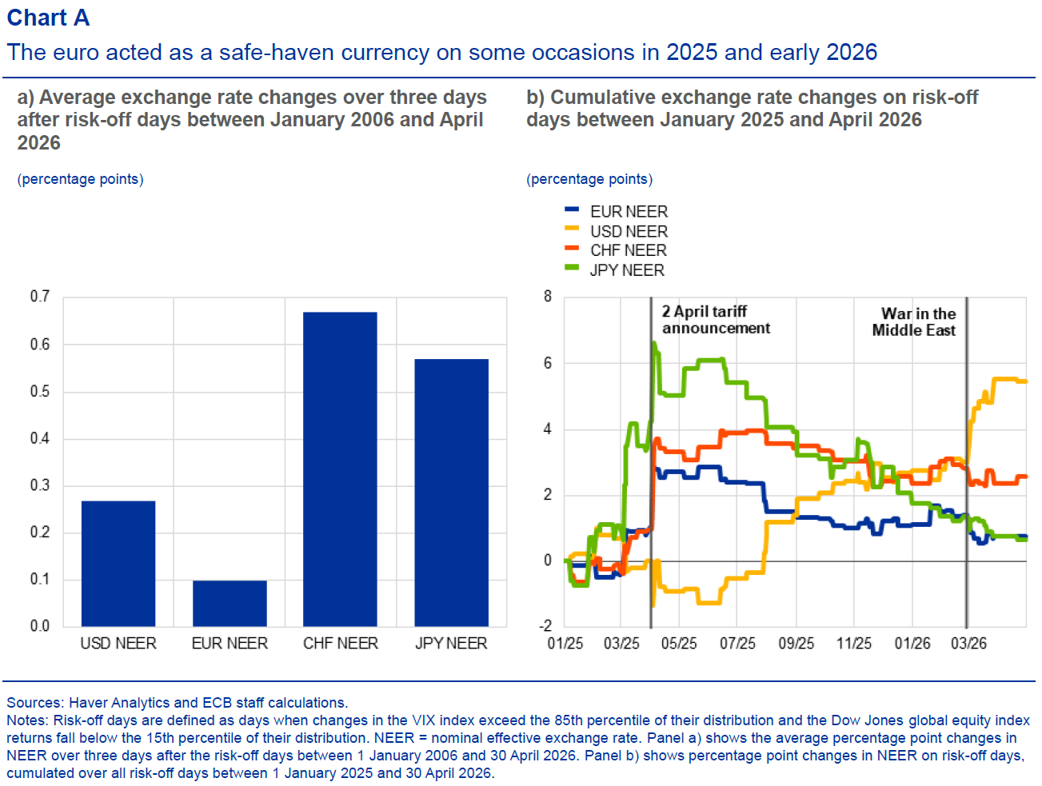
 |  | US 10-year yield | DE 10-year yield | USD NEER | EUR NEER | CHF NEER | JPY NEER | Date | EUR NEER | USD NEER | CHF NEER | JPY NEER | April 2nd 2025 | Iran war
 | Average risk-off | -0.03 | -0.02 | 0.27 | 0.10 | 0.67 | 0.57 | 2024-12-31 | 0.00 | 0.00 | 0.00 | 0.00 | -1000 | -1000
 |  |  |  |  |  |  |  | 2025-01-01 | 0.00 | 0.00 | 0.00 | 0.00 | -1000 | -1000
 |  |  |  |  |  |  |  | 2025-01-02 | 0.00 | 0.00 | 0.00 | 0.00 | -1000 | -1000
 |  |  |  |  |  |  |  | 2025-01-03 | 0.00 | 0.00 | 0.00 | 0.00 | -1000 | -1000
 |  |  |  |  |  |  |  | 2025-01-06 | 0.00 | 0.00 | 0.00 | 0.00 | -1000 | -1000
 |  |  |  |  |  |  |  | 2025-01-07 | -0.14 | 0.17 | -0.42 | -0.58 | -1000 | -1000
 |  |  |  |  |  |  |  | 2025-01-08 | -0.14 | 0.17 | -0.42 | -0.58 | -1000 | -1000
 |  |  |  |  |  |  |  | 2025-01-09 | -0.14 | 0.17 | -0.42 | -0.58 | -1000 | -1000
 |  |  |  |  |  |  |  | 2025-01-10 | -0.14 | 0.22 | -0.63 | -0.75 | -1000 | -1000
 |  |  |  |  |  |  |  | 2025-01-13 | -0.14 | 0.22 | -0.63 | -0.75 | -1000 | -1000
 |  |  |  |  |  |  |  | 2025-01-14 | -0.14 | 0.22 | -0.63 | -0.75 | -1000 | -1000
 |  |  |  |  |  |  |  | 2025-01-15 | -0.14 | 0.22 | -0.63 | -0.75 | -1000 | -1000
 |  |  |  |  |  |  |  | 2025-01-16 | -0.14 | 0.22 | -0.63 | -0.75 | -1000 | -1000
 |  |  |  |  |  |  |  | 2025-01-17 | -0.14 | 0.22 | -0.63 | -0.75 | -1000 | -1000
 |  |  |  |  |  |  |  | 2025-01-20 | -0.14 | 0.22 | -0.63 | -0.75 | -1000 | -1000
 |  |  |  |  |  |  |  | 2025-01-21 | -0.14 | 0.22 | -0.63 | -0.75 | -1000 | -1000
 |  |  |  |  |  |  |  | 2025-01-22 | -0.14 | 0.22 | -0.63 | -0.75 | -1000 | -1000
 |  |  |  |  |  |  |  | 2025-01-23 | -0.14 | 0.22 | -0.63 | -0.75 | -1000 | -1000
 |  |  |  |  |  |  |  | 2025-01-24 | -0.14 | 0.22 | -0.63 | -0.75 | -1000 | -1000
 |  |  |  |  |  |  |  | 2025-01-27 | 0.14 | 0.05 | -0.02 | 0.72 | -1000 | -1000
 |  |  |  |  |  |  |  | 2025-01-28 | 0.14 | 0.05 | -0.02 | 0.72 | -1000 | -1000
 |  |  |  |  |  |  |  | 2025-01-29 | 0.14 | 0.05 | -0.02 | 0.72 | -1000 | -1000
 |  |  |  |  |  |  |  | 2025-01-30 | 0.14 | 0.05 | -0.02 | 0.72 | -1000 | -1000
 |  |  |  |  |  |  |  | 2025-01-31 | 0.15 | 0.25 | -0.10 | 0.31 | -1000 | -1000
 |  |  |  |  |  |  |  | 2025-02-03 | -0.47 | 1.00 | 0.10 | 0.94 | -1000 | -1000
 |  |  |  |  |  |  |  | 2025-02-04 | -0.47 | 1.00 | 0.10 | 0.94 | -1000 | -1000
 |  |  |  |  |  |  |  | 2025-02-05 | -0.47 | 1.00 | 0.10 | 0.94 | -1000 | -1000
 |  |  |  |  |  |  |  | 2025-02-06 | -0.47 | 1.00 | 0.10 | 0.94 | -1000 | -1000
 |  |  |  |  |  |  |  | 2025-02-07 | -0.47 | 0.79 | -0.25 | 1.10 | -1000 | -1000
 |  |  |  |  |  |  |  | 2025-02-10 | -0.47 | 0.79 | -0.25 | 1.10 | -1000 | -1000
 |  |  |  |  |  |  |  | 2025-02-11 | -0.47 | 0.79 | -0.25 | 1.10 | -1000 | -1000
 |  |  |  |  |  |  |  | 2025-02-12 | -0.47 | 0.79 | -0.25 | 1.10 | -1000 | -1000
 |  |  |  |  |  |  |  | 2025-02-13 | -0.47 | 0.79 | -0.25 | 1.10 | -1000 | -1000
 |  |  |  |  |  |  |  | 2025-02-14 | -0.47 | 0.79 | -0.25 | 1.10 | -1000 | -1000
 |  |  |  |  |  |  |  | 2025-02-17 | -0.47 | 0.79 | -0.25 | 1.10 | -1000 | -1000
 |  |  |  |  |  |  |  | 2025-02-18 | -0.47 | 0.79 | -0.25 | 1.10 | -1000 | -1000
 |  |  |  |  |  |  |  | 2025-02-19 | -0.47 | 0.79 | -0.25 | 1.10 | -1000 | -1000
 |  |  |  |  |  |  |  | 2025-02-20 | -0.47 | 0.79 | -0.25 | 1.10 | -1000 | -1000
 |  |  |  |  |  |  |  | 2025-02-21 | -0.32 | 0.68 | -0.13 | 0.69 | -1000 | -1000
 |  |  |  |  |  |  |  | 2025-02-24 | -0.38 | 0.69 | -0.10 | 1.07 | -1000 | -1000
 |  |  |  |  |  |  |  | 2025-02-25 | -0.38 | 0.69 | -0.10 | 1.07 | -1000 | -1000
 |  |  |  |  |  |  |  | 2025-02-26 | -0.38 | 0.69 | -0.10 | 1.07 | -1000 | -1000
 |  |  |  |  |  |  |  | 2025-02-27 | -0.40 | 0.74 | -0.28 | 1.07 | -1000 | -1000
 |  |  |  |  |  |  |  | 2025-02-28 | -0.40 | 0.74 | -0.28 | 1.07 | -1000 | -1000
 |  |  |  |  |  |  |  | 2025-03-03 | 0.03 | 0.67 | -0.39 | 0.65 | -1000 | -1000
 |  |  |  |  |  |  |  | 2025-03-04 | 0.39 | 0.29 | 0.48 | 2.33 | -1000 | -1000
 |  |  |  |  |  |  |  | 2025-03-05 | 0.39 | 0.29 | 0.48 | 2.33 | -1000 | -1000
 |  |  |  |  |  |  |  | 2025-03-06 | 0.94 | -0.30 | 0.27 | 3.52 | -1000 | -1000
 |  |  |  |  |  |  |  | 2025-03-07 | 0.94 | -0.30 | 0.27 | 3.52 | -1000 | -1000
 |  |  |  |  |  |  |  | 2025-03-10 | 0.91 | -0.21 | 0.72 | 4.18 | -1000 | -1000
 |  |  |  |  |  |  |  | 2025-03-11 | 0.91 | -0.21 | 0.72 | 4.18 | -1000 | -1000
 |  |  |  |  |  |  |  | 2025-03-12 | 0.91 | -0.21 | 0.72 | 4.18 | -1000 | -1000
 |  |  |  |  |  |  |  | 2025-03-13 | 0.91 | -0.21 | 0.72 | 4.18 | -1000 | -1000
 |  |  |  |  |  |  |  | 2025-03-14 | 0.91 | -0.21 | 0.72 | 4.18 | -1000 | -1000
 |  |  |  |  |  |  |  | 2025-03-17 | 0.91 | -0.21 | 0.72 | 4.18 | -1000 | -1000
 |  |  |  |  |  |  |  | 2025-03-18 | 0.93 | -0.19 | 0.92 | 3.50 | -1000 | -1000
 |  |  |  |  |  |  |  | 2025-03-19 | 0.93 | -0.19 | 0.92 | 3.50 | -1000 | -1000
 |  |  |  |  |  |  |  | 2025-03-20 | 0.93 | -0.19 | 0.92 | 3.50 | -1000 | -1000
 |  |  |  |  |  |  |  | 2025-03-21 | 0.93 | -0.19 | 0.92 | 3.50 | -1000 | -1000
 |  |  |  |  |  |  |  | 2025-03-24 | 0.93 | -0.19 | 0.92 | 3.50 | -1000 | -1000
 |  |  |  |  |  |  |  | 2025-03-25 | 0.93 | -0.19 | 0.92 | 3.50 | -1000 | -1000
 |  |  |  |  |  |  |  | 2025-03-26 | 0.81 | -0.01 | 0.90 | 3.37 | -1000 | -1000
 |  |  |  |  |  |  |  | 2025-03-27 | 0.81 | -0.01 | 0.90 | 3.37 | -1000 | -1000
 |  |  |  |  |  |  |  | 2025-03-28 | 0.87 | 0.00 | 0.94 | 3.43 | -1000 | -1000
 |  |  |  |  |  |  |  | 2025-03-31 | 1.05 | 0.02 | 0.97 | 4.26 | -1000 | -1000
 |  |  |  |  |  |  |  | 2025-04-01 | 1.05 | 0.02 | 0.97 | 4.26 | -1000 | -1000
 |  |  |  |  |  |  |  | 2025-04-02 | 1.05 | 0.02 | 0.97 | 4.26 | 1000 | -1000
 |  |  |  |  |  |  |  | 2025-04-03 | 2.78 | -1.32 | 2.09 | 5.80 | 1000 | -1000
 |  |  |  |  |  |  |  | 2025-04-04 | 2.87 | -0.85 | 3.51 | 6.63 | 1000 | -1000
 |  |  |  |  |  |  |  | 2025-04-07 | 2.79 | 0.01 | 3.72 | 6.33 | 1000 | -1000
 |  |  |  |  |  |  |  | 2025-04-08 | 2.79 | 0.01 | 3.72 | 6.33 | 1000 | -1000
 |  |  |  |  |  |  |  | 2025-04-09 | 2.79 | 0.01 | 3.72 | 6.33 | 1000 | -1000
 |  |  |  |  |  |  |  | 2025-04-10 | 2.56 | -0.76 | 3.42 | 5.11 | 1000 | -1000
 |  |  |  |  |  |  |  | 2025-04-11 | 2.56 | -0.76 | 3.42 | 5.11 | 1000 | -1000
 |  |  |  |  |  |  |  | 2025-04-14 | 2.56 | -0.76 | 3.42 | 5.11 | 1000 | -1000
 |  |  |  |  |  |  |  | 2025-04-15 | 2.56 | -0.76 | 3.42 | 5.11 | 1000 | -1000
 |  |  |  |  |  |  |  | 2025-04-16 | 2.71 | -0.93 | 3.31 | 5.05 | 1000 | -1000
 |  |  |  |  |  |  |  | 2025-04-17 | 2.71 | -0.93 | 3.31 | 5.05 | 1000 | -1000
 |  |  |  |  |  |  |  | 2025-04-18 | 2.71 | -0.93 | 3.31 | 5.05 | 1000 | -1000
 |  |  |  |  |  |  |  | 2025-04-21 | 2.71 | -0.93 | 3.31 | 5.05 | 1000 | -1000
 |  |  |  |  |  |  |  | 2025-04-22 | 2.71 | -0.93 | 3.31 | 5.05 | 1000 | -1000
 |  |  |  |  |  |  |  | 2025-04-23 | 2.71 | -0.93 | 3.31 | 5.05 | 1000 | -1000
 |  |  |  |  |  |  |  | 2025-04-24 | 2.71 | -0.93 | 3.31 | 5.05 | 1000 | -1000
 |  |  |  |  |  |  |  | 2025-04-25 | 2.71 | -0.93 | 3.31 | 5.05 | 1000 | -1000
 |  |  |  |  |  |  |  | 2025-04-28 | 2.71 | -0.93 | 3.31 | 5.05 | 1000 | -1000
 |  |  |  |  |  |  |  | 2025-04-29 | 2.71 | -0.93 | 3.31 | 5.05 | 1000 | -1000
 |  |  |  |  |  |  |  | 2025-04-30 | 2.71 | -0.93 | 3.31 | 5.05 | 1000 | -1000
 |  |  |  |  |  |  |  | 2025-05-01 | 2.71 | -0.93 | 3.31 | 5.05 | 1000 | -1000
 |  |  |  |  |  |  |  | 2025-05-02 | 2.71 | -0.93 | 3.31 | 5.05 | 1000 | -1000
 |  |  |  |  |  |  |  | 2025-05-05 | 2.71 | -0.93 | 3.31 | 5.05 | 1000 | -1000
 |  |  |  |  |  |  |  | 2025-05-06 | 2.54 | -0.84 | 3.09 | 5.86 | 1000 | -1000
 |  |  |  |  |  |  |  | 2025-05-07 | 2.54 | -0.84 | 3.09 | 5.86 | 1000 | -1000
 |  |  |  |  |  |  |  | 2025-05-08 | 2.54 | -0.84 | 3.09 | 5.86 | 1000 | -1000
 |  |  |  |  |  |  |  | 2025-05-09 | 2.54 | -0.84 | 3.09 | 5.86 | 1000 | -1000
 |  |  |  |  |  |  |  | 2025-05-12 | 2.54 | -0.84 | 3.09 | 5.86 | 1000 | -1000
 |  |  |  |  |  |  |  | 2025-05-13 | 2.54 | -0.84 | 3.09 | 5.86 | 1000 | -1000
 |  |  |  |  |  |  |  | 2025-05-14 | 2.54 | -0.84 | 3.09 | 5.86 | 1000 | -1000
 |  |  |  |  |  |  |  | 2025-05-15 | 2.54 | -0.84 | 3.09 | 5.86 | 1000 | -1000
 |  |  |  |  |  |  |  | 2025-05-16 | 2.54 | -0.84 | 3.09 | 5.86 | 1000 | -1000
 |  |  |  |  |  |  |  | 2025-05-19 | 2.54 | -0.84 | 3.09 | 5.86 | 1000 | -1000
 |  |  |  |  |  |  |  | 2025-05-20 | 2.54 | -0.84 | 3.09 | 5.86 | 1000 | -1000
 |  |  |  |  |  |  |  | 2025-05-21 | 2.85 | -1.27 | 3.46 | 6.10 | 1000 | -1000
 |  |  |  |  |  |  |  | 2025-05-22 | 2.85 | -1.27 | 3.46 | 6.10 | 1000 | -1000
 |  |  |  |  |  |  |  | 2025-05-23 | 2.85 | -1.27 | 3.46 | 6.10 | 1000 | -1000
 |  |  |  |  |  |  |  | 2025-05-26 | 2.85 | -1.27 | 3.46 | 6.10 | 1000 | -1000
 |  |  |  |  |  |  |  | 2025-05-27 | 2.85 | -1.27 | 3.46 | 6.10 | 1000 | -1000
 |  |  |  |  |  |  |  | 2025-05-28 | 2.85 | -1.27 | 3.46 | 6.10 | 1000 | -1000
 |  |  |  |  |  |  |  | 2025-05-29 | 2.85 | -1.27 | 3.46 | 6.10 | 1000 | -1000
 |  |  |  |  |  |  |  | 2025-05-30 | 2.85 | -1.27 | 3.46 | 6.10 | 1000 | -1000
 |  |  |  |  |  |  |  | 2025-06-02 | 2.85 | -1.27 | 3.46 | 6.10 | 1000 | -1000
 |  |  |  |  |  |  |  | 2025-06-03 | 2.85 | -1.27 | 3.46 | 6.10 | 1000 | -1000
 |  |  |  |  |  |  |  | 2025-06-04 | 2.85 | -1.27 | 3.46 | 6.10 | 1000 | -1000
 |  |  |  |  |  |  |  | 2025-06-05 | 2.85 | -1.27 | 3.46 | 6.10 | 1000 | -1000
 |  |  |  |  |  |  |  | 2025-06-06 | 2.85 | -1.27 | 3.46 | 6.10 | 1000 | -1000
 |  |  |  |  |  |  |  | 2025-06-09 | 2.85 | -1.27 | 3.46 | 6.10 | 1000 | -1000
 |  |  |  |  |  |  |  | 2025-06-10 | 2.85 | -1.27 | 3.46 | 6.10 | 1000 | -1000
 |  |  |  |  |  |  |  | 2025-06-11 | 2.85 | -1.27 | 3.46 | 6.10 | 1000 | -1000
 |  |  |  |  |  |  |  | 2025-06-12 | 2.85 | -1.27 | 3.46 | 6.10 | 1000 | -1000
 |  |  |  |  |  |  |  | 2025-06-13 | 2.49 | -0.84 | 3.96 | 6.13 | 1000 | -1000
 |  |  |  |  |  |  |  | 2025-06-16 | 2.49 | -0.84 | 3.96 | 6.13 | 1000 | -1000
 |  |  |  |  |  |  |  | 2025-06-17 | 2.51 | -0.78 | 3.82 | 5.86 | 1000 | -1000
 |  |  |  |  |  |  |  | 2025-06-18 | 2.51 | -0.78 | 3.82 | 5.86 | 1000 | -1000
 |  |  |  |  |  |  |  | 2025-06-19 | 2.41 | -0.50 | 3.91 | 5.42 | 1000 | -1000
 |  |  |  |  |  |  |  | 2025-06-20 | 2.41 | -0.50 | 3.91 | 5.42 | 1000 | -1000
 |  |  |  |  |  |  |  | 2025-06-23 | 2.41 | -0.50 | 3.91 | 5.42 | 1000 | -1000
 |  |  |  |  |  |  |  | 2025-06-24 | 2.41 | -0.50 | 3.91 | 5.42 | 1000 | -1000
 |  |  |  |  |  |  |  | 2025-06-25 | 2.41 | -0.50 | 3.91 | 5.42 | 1000 | -1000
 |  |  |  |  |  |  |  | 2025-06-26 | 2.41 | -0.50 | 3.91 | 5.42 | 1000 | -1000
 |  |  |  |  |  |  |  | 2025-06-27 | 2.41 | -0.50 | 3.91 | 5.42 | 1000 | -1000
 |  |  |  |  |  |  |  | 2025-06-30 | 2.41 | -0.50 | 3.91 | 5.42 | 1000 | -1000
 |  |  |  |  |  |  |  | 2025-07-01 | 2.41 | -0.50 | 3.91 | 5.42 | 1000 | -1000
 |  |  |  |  |  |  |  | 2025-07-02 | 2.41 | -0.50 | 3.91 | 5.42 | 1000 | -1000
 |  |  |  |  |  |  |  | 2025-07-03 | 2.41 | -0.50 | 3.91 | 5.42 | 1000 | -1000
 |  |  |  |  |  |  |  | 2025-07-04 | 2.41 | -0.50 | 3.91 | 5.42 | 1000 | -1000
 |  |  |  |  |  |  |  | 2025-07-07 | 2.41 | -0.50 | 3.91 | 5.42 | 1000 | -1000
 |  |  |  |  |  |  |  | 2025-07-08 | 2.41 | -0.50 | 3.91 | 5.42 | 1000 | -1000
 |  |  |  |  |  |  |  | 2025-07-09 | 2.41 | -0.50 | 3.91 | 5.42 | 1000 | -1000
 |  |  |  |  |  |  |  | 2025-07-10 | 2.41 | -0.50 | 3.91 | 5.42 | 1000 | -1000
 |  |  |  |  |  |  |  | 2025-07-11 | 2.35 | -0.34 | 3.97 | 4.95 | 1000 | -1000
 |  |  |  |  |  |  |  | 2025-07-14 | 2.35 | -0.34 | 3.97 | 4.95 | 1000 | -1000
 |  |  |  |  |  |  |  | 2025-07-15 | 2.35 | -0.34 | 3.97 | 4.95 | 1000 | -1000
 |  |  |  |  |  |  |  | 2025-07-16 | 2.35 | -0.34 | 3.97 | 4.95 | 1000 | -1000
 |  |  |  |  |  |  |  | 2025-07-17 | 2.35 | -0.34 | 3.97 | 4.95 | 1000 | -1000
 |  |  |  |  |  |  |  | 2025-07-18 | 2.35 | -0.34 | 3.97 | 4.95 | 1000 | -1000
 |  |  |  |  |  |  |  | 2025-07-21 | 2.35 | -0.34 | 3.97 | 4.95 | 1000 | -1000
 |  |  |  |  |  |  |  | 2025-07-22 | 2.35 | -0.34 | 3.97 | 4.95 | 1000 | -1000
 |  |  |  |  |  |  |  | 2025-07-23 | 2.35 | -0.34 | 3.97 | 4.95 | 1000 | -1000
 |  |  |  |  |  |  |  | 2025-07-24 | 2.35 | -0.34 | 3.97 | 4.95 | 1000 | -1000
 |  |  |  |  |  |  |  | 2025-07-25 | 2.35 | -0.34 | 3.97 | 4.95 | 1000 | -1000
 |  |  |  |  |  |  |  | 2025-07-28 | 2.35 | -0.34 | 3.97 | 4.95 | 1000 | -1000
 |  |  |  |  |  |  |  | 2025-07-29 | 1.82 | 0.28 | 3.92 | 4.90 | 1000 | -1000
 |  |  |  |  |  |  |  | 2025-07-30 | 1.82 | 0.28 | 3.92 | 4.90 | 1000 | -1000
 |  |  |  |  |  |  |  | 2025-07-31 | 1.56 | 0.81 | 3.79 | 4.24 | 1000 | -1000
 |  |  |  |  |  |  |  | 2025-08-01 | 1.50 | 1.20 | 3.57 | 4.07 | 1000 | -1000
 |  |  |  |  |  |  |  | 2025-08-04 | 1.50 | 1.20 | 3.57 | 4.07 | 1000 | -1000
 |  |  |  |  |  |  |  | 2025-08-05 | 1.50 | 1.20 | 3.57 | 4.07 | 1000 | -1000
 |  |  |  |  |  |  |  | 2025-08-06 | 1.50 | 1.20 | 3.57 | 4.07 | 1000 | -1000
 |  |  |  |  |  |  |  | 2025-08-07 | 1.50 | 1.20 | 3.57 | 4.07 | 1000 | -1000
 |  |  |  |  |  |  |  | 2025-08-08 | 1.50 | 1.20 | 3.57 | 4.07 | 1000 | -1000
 |  |  |  |  |  |  |  | 2025-08-11 | 1.50 | 1.20 | 3.57 | 4.07 | 1000 | -1000
 |  |  |  |  |  |  |  | 2025-08-12 | 1.50 | 1.20 | 3.57 | 4.07 | 1000 | -1000
 |  |  |  |  |  |  |  | 2025-08-13 | 1.50 | 1.20 | 3.57 | 4.07 | 1000 | -1000
 |  |  |  |  |  |  |  | 2025-08-14 | 1.50 | 1.20 | 3.57 | 4.07 | 1000 | -1000
 |  |  |  |  |  |  |  | 2025-08-15 | 1.50 | 1.20 | 3.57 | 4.07 | 1000 | -1000
 |  |  |  |  |  |  |  | 2025-08-18 | 1.50 | 1.20 | 3.57 | 4.07 | 1000 | -1000
 |  |  |  |  |  |  |  | 2025-08-19 | 1.50 | 1.20 | 3.57 | 4.07 | 1000 | -1000
 |  |  |  |  |  |  |  | 2025-08-20 | 1.50 | 1.20 | 3.57 | 4.07 | 1000 | -1000
 |  |  |  |  |  |  |  | 2025-08-21 | 1.50 | 1.20 | 3.57 | 4.07 | 1000 | -1000
 |  |  |  |  |  |  |  | 2025-08-22 | 1.50 | 1.20 | 3.57 | 4.07 | 1000 | -1000
 |  |  |  |  |  |  |  | 2025-08-25 | 1.50 | 1.20 | 3.57 | 4.07 | 1000 | -1000
 |  |  |  |  |  |  |  | 2025-08-26 | 1.50 | 1.20 | 3.57 | 4.07 | 1000 | -1000
 |  |  |  |  |  |  |  | 2025-08-27 | 1.50 | 1.20 | 3.57 | 4.07 | 1000 | -1000
 |  |  |  |  |  |  |  | 2025-08-28 | 1.50 | 1.20 | 3.57 | 4.07 | 1000 | -1000
 |  |  |  |  |  |  |  | 2025-08-29 | 1.52 | 1.41 | 3.44 | 3.93 | 1000 | -1000
 |  |  |  |  |  |  |  | 2025-09-01 | 1.52 | 1.41 | 3.44 | 3.93 | 1000 | -1000
 |  |  |  |  |  |  |  | 2025-09-02 | 1.33 | 1.90 | 3.49 | 3.23 | 1000 | -1000
 |  |  |  |  |  |  |  | 2025-09-03 | 1.33 | 1.90 | 3.49 | 3.23 | 1000 | -1000
 |  |  |  |  |  |  |  | 2025-09-04 | 1.33 | 1.90 | 3.49 | 3.23 | 1000 | -1000
 |  |  |  |  |  |  |  | 2025-09-05 | 1.33 | 1.90 | 3.49 | 3.23 | 1000 | -1000
 |  |  |  |  |  |  |  | 2025-09-08 | 1.33 | 1.90 | 3.49 | 3.23 | 1000 | -1000
 |  |  |  |  |  |  |  | 2025-09-09 | 1.33 | 1.90 | 3.49 | 3.23 | 1000 | -1000
 |  |  |  |  |  |  |  | 2025-09-10 | 1.33 | 1.90 | 3.49 | 3.23 | 1000 | -1000
 |  |  |  |  |  |  |  | 2025-09-11 | 1.33 | 1.90 | 3.49 | 3.23 | 1000 | -1000
 |  |  |  |  |  |  |  | 2025-09-12 | 1.33 | 1.90 | 3.49 | 3.23 | 1000 | -1000
 |  |  |  |  |  |  |  | 2025-09-15 | 1.33 | 1.90 | 3.49 | 3.23 | 1000 | -1000
 |  |  |  |  |  |  |  | 2025-09-16 | 1.33 | 1.90 | 3.49 | 3.23 | 1000 | -1000
 |  |  |  |  |  |  |  | 2025-09-17 | 1.33 | 1.90 | 3.49 | 3.23 | 1000 | -1000
 |  |  |  |  |  |  |  | 2025-09-18 | 1.33 | 1.90 | 3.49 | 3.23 | 1000 | -1000
 |  |  |  |  |  |  |  | 2025-09-19 | 1.33 | 1.90 | 3.49 | 3.23 | 1000 | -1000
 |  |  |  |  |  |  |  | 2025-09-22 | 1.33 | 1.90 | 3.49 | 3.23 | 1000 | -1000
 |  |  |  |  |  |  |  | 2025-09-23 | 1.33 | 1.90 | 3.49 | 3.23 | 1000 | -1000
 |  |  |  |  |  |  |  | 2025-09-24 | 1.33 | 1.90 | 3.49 | 3.23 | 1000 | -1000
 |  |  |  |  |  |  |  | 2025-09-25 | 1.29 | 2.07 | 3.37 | 3.10 | 1000 | -1000
 |  |  |  |  |  |  |  | 2025-09-26 | 1.29 | 2.07 | 3.37 | 3.10 | 1000 | -1000
 |  |  |  |  |  |  |  | 2025-09-29 | 1.29 | 2.07 | 3.37 | 3.10 | 1000 | -1000
 |  |  |  |  |  |  |  | 2025-09-30 | 1.29 | 2.07 | 3.37 | 3.10 | 1000 | -1000
 |  |  |  |  |  |  |  | 2025-10-01 | 1.29 | 2.07 | 3.37 | 3.10 | 1000 | -1000
 |  |  |  |  |  |  |  | 2025-10-02 | 1.29 | 2.07 | 3.37 | 3.10 | 1000 | -1000
 |  |  |  |  |  |  |  | 2025-10-03 | 1.29 | 2.07 | 3.37 | 3.10 | 1000 | -1000
 |  |  |  |  |  |  |  | 2025-10-06 | 1.29 | 2.07 | 3.37 | 3.10 | 1000 | -1000
 |  |  |  |  |  |  |  | 2025-10-07 | 1.24 | 2.10 | 3.34 | 2.53 | 1000 | -1000
 |  |  |  |  |  |  |  | 2025-10-08 | 1.24 | 2.10 | 3.34 | 2.53 | 1000 | -1000
 |  |  |  |  |  |  |  | 2025-10-09 | 1.24 | 2.10 | 3.34 | 2.53 | 1000 | -1000
 |  |  |  |  |  |  |  | 2025-10-10 | 1.09 | 2.37 | 3.06 | 2.85 | 1000 | -1000
 |  |  |  |  |  |  |  | 2025-10-13 | 1.09 | 2.37 | 3.06 | 2.85 | 1000 | -1000
 |  |  |  |  |  |  |  | 2025-10-14 | 1.09 | 2.37 | 3.06 | 2.85 | 1000 | -1000
 |  |  |  |  |  |  |  | 2025-10-15 | 1.09 | 2.37 | 3.06 | 2.85 | 1000 | -1000
 |  |  |  |  |  |  |  | 2025-10-16 | 1.09 | 2.37 | 3.06 | 2.85 | 1000 | -1000
 |  |  |  |  |  |  |  | 2025-10-17 | 1.09 | 2.37 | 3.06 | 2.85 | 1000 | -1000
 |  |  |  |  |  |  |  | 2025-10-20 | 1.09 | 2.37 | 3.06 | 2.85 | 1000 | -1000
 |  |  |  |  |  |  |  | 2025-10-21 | 1.09 | 2.37 | 3.06 | 2.85 | 1000 | -1000
 |  |  |  |  |  |  |  | 2025-10-22 | 1.03 | 2.45 | 3.04 | 3.08 | 1000 | -1000
 |  |  |  |  |  |  |  | 2025-10-23 | 1.03 | 2.45 | 3.04 | 3.08 | 1000 | -1000
 |  |  |  |  |  |  |  | 2025-10-24 | 1.03 | 2.45 | 3.04 | 3.08 | 1000 | -1000
 |  |  |  |  |  |  |  | 2025-10-27 | 1.03 | 2.45 | 3.04 | 3.08 | 1000 | -1000
 |  |  |  |  |  |  |  | 2025-10-28 | 1.03 | 2.45 | 3.04 | 3.08 | 1000 | -1000
 |  |  |  |  |  |  |  | 2025-10-29 | 1.03 | 2.45 | 3.04 | 3.08 | 1000 | -1000
 |  |  |  |  |  |  |  | 2025-10-30 | 1.03 | 2.45 | 3.04 | 3.08 | 1000 | -1000
 |  |  |  |  |  |  |  | 2025-10-31 | 1.03 | 2.45 | 3.04 | 3.08 | 1000 | -1000
 |  |  |  |  |  |  |  | 2025-11-03 | 1.03 | 2.45 | 3.04 | 3.08 | 1000 | -1000
 |  |  |  |  |  |  |  | 2025-11-04 | 1.02 | 2.67 | 3.04 | 3.70 | 1000 | -1000
 |  |  |  |  |  |  |  | 2025-11-05 | 1.02 | 2.67 | 3.04 | 3.70 | 1000 | -1000
 |  |  |  |  |  |  |  | 2025-11-06 | 1.16 | 2.41 | 3.05 | 3.62 | 1000 | -1000
 |  |  |  |  |  |  |  | 2025-11-07 | 1.16 | 2.41 | 3.05 | 3.62 | 1000 | -1000
 |  |  |  |  |  |  |  | 2025-11-10 | 1.16 | 2.41 | 3.05 | 3.62 | 1000 | -1000
 |  |  |  |  |  |  |  | 2025-11-11 | 1.16 | 2.41 | 3.05 | 3.62 | 1000 | -1000
 |  |  |  |  |  |  |  | 2025-11-12 | 1.16 | 2.41 | 3.05 | 3.62 | 1000 | -1000
 |  |  |  |  |  |  |  | 2025-11-13 | 1.31 | 2.19 | 3.22 | 3.58 | 1000 | -1000
 |  |  |  |  |  |  |  | 2025-11-14 | 1.31 | 2.19 | 3.22 | 3.58 | 1000 | -1000
 |  |  |  |  |  |  |  | 2025-11-17 | 1.04 | 2.46 | 2.61 | 3.17 | 1000 | -1000
 |  |  |  |  |  |  |  | 2025-11-18 | 1.15 | 2.60 | 2.57 | 2.99 | 1000 | -1000
 |  |  |  |  |  |  |  | 2025-11-19 | 1.15 | 2.60 | 2.57 | 2.99 | 1000 | -1000
 |  |  |  |  |  |  |  | 2025-11-20 | 0.84 | 2.95 | 2.26 | 2.25 | 1000 | -1000
 |  |  |  |  |  |  |  | 2025-11-21 | 0.84 | 2.95 | 2.26 | 2.25 | 1000 | -1000
 |  |  |  |  |  |  |  | 2025-11-24 | 0.84 | 2.95 | 2.26 | 2.25 | 1000 | -1000
 |  |  |  |  |  |  |  | 2025-11-25 | 0.84 | 2.95 | 2.26 | 2.25 | 1000 | -1000
 |  |  |  |  |  |  |  | 2025-11-26 | 0.84 | 2.95 | 2.26 | 2.25 | 1000 | -1000
 |  |  |  |  |  |  |  | 2025-11-27 | 0.84 | 2.95 | 2.26 | 2.25 | 1000 | -1000
 |  |  |  |  |  |  |  | 2025-11-28 | 0.84 | 2.95 | 2.26 | 2.25 | 1000 | -1000
 |  |  |  |  |  |  |  | 2025-12-01 | 1.21 | 2.56 | 2.45 | 2.86 | 1000 | -1000
 |  |  |  |  |  |  |  | 2025-12-02 | 1.21 | 2.56 | 2.45 | 2.86 | 1000 | -1000
 |  |  |  |  |  |  |  | 2025-12-03 | 1.21 | 2.56 | 2.45 | 2.86 | 1000 | -1000
 |  |  |  |  |  |  |  | 2025-12-04 | 1.21 | 2.56 | 2.45 | 2.86 | 1000 | -1000
 |  |  |  |  |  |  |  | 2025-12-05 | 1.21 | 2.56 | 2.45 | 2.86 | 1000 | -1000
 |  |  |  |  |  |  |  | 2025-12-08 | 1.21 | 2.56 | 2.45 | 2.86 | 1000 | -1000
 |  |  |  |  |  |  |  | 2025-12-09 | 1.21 | 2.56 | 2.45 | 2.86 | 1000 | -1000
 |  |  |  |  |  |  |  | 2025-12-10 | 1.21 | 2.56 | 2.45 | 2.86 | 1000 | -1000
 |  |  |  |  |  |  |  | 2025-12-11 | 1.21 | 2.56 | 2.45 | 2.86 | 1000 | -1000
 |  |  |  |  |  |  |  | 2025-12-12 | 1.31 | 2.40 | 2.51 | 2.54 | 1000 | -1000
 |  |  |  |  |  |  |  | 2025-12-15 | 1.31 | 2.40 | 2.51 | 2.54 | 1000 | -1000
 |  |  |  |  |  |  |  | 2025-12-16 | 1.31 | 2.40 | 2.51 | 2.54 | 1000 | -1000
 |  |  |  |  |  |  |  | 2025-12-17 | 1.09 | 2.67 | 2.57 | 2.07 | 1000 | -1000
 |  |  |  |  |  |  |  | 2025-12-18 | 1.09 | 2.67 | 2.57 | 2.07 | 1000 | -1000
 |  |  |  |  |  |  |  | 2025-12-19 | 1.09 | 2.67 | 2.57 | 2.07 | 1000 | -1000
 |  |  |  |  |  |  |  | 2025-12-22 | 1.09 | 2.67 | 2.57 | 2.07 | 1000 | -1000
 |  |  |  |  |  |  |  | 2025-12-23 | 1.09 | 2.67 | 2.57 | 2.07 | 1000 | -1000
 |  |  |  |  |  |  |  | 2025-12-24 | 1.09 | 2.67 | 2.57 | 2.07 | 1000 | -1000
 |  |  |  |  |  |  |  | 2025-12-25 | 1.09 | 2.67 | 2.57 | 2.07 | 1000 | -1000
 |  |  |  |  |  |  |  | 2025-12-26 | 1.09 | 2.67 | 2.57 | 2.07 | 1000 | -1000
 |  |  |  |  |  |  |  | 2025-12-29 | 1.09 | 2.67 | 2.57 | 2.07 | 1000 | -1000
 |  |  |  |  |  |  |  | 2025-12-30 | 1.09 | 2.67 | 2.57 | 2.07 | 1000 | -1000
 |  |  |  |  |  |  |  | 2025-12-31 | 1.11 | 2.77 | 2.35 | 1.77 | 1000 | -1000
 |  |  |  |  |  |  |  | 2026-01-01 | 1.11 | 2.77 | 2.35 | 1.77 | 1000 | -1000
 |  |  |  |  |  |  |  | 2026-01-02 | 1.11 | 2.77 | 2.35 | 1.77 | 1000 | -1000
 |  |  |  |  |  |  |  | 2026-01-05 | 1.11 | 2.77 | 2.35 | 1.77 | 1000 | -1000
 |  |  |  |  |  |  |  | 2026-01-06 | 1.11 | 2.77 | 2.35 | 1.77 | 1000 | -1000
 |  |  |  |  |  |  |  | 2026-01-07 | 1.11 | 2.77 | 2.35 | 1.77 | 1000 | -1000
 |  |  |  |  |  |  |  | 2026-01-08 | 1.11 | 2.77 | 2.35 | 1.77 | 1000 | -1000
 |  |  |  |  |  |  |  | 2026-01-09 | 1.11 | 2.77 | 2.35 | 1.77 | 1000 | -1000
 |  |  |  |  |  |  |  | 2026-01-12 | 1.11 | 2.77 | 2.35 | 1.77 | 1000 | -1000
 |  |  |  |  |  |  |  | 2026-01-13 | 1.11 | 2.77 | 2.35 | 1.77 | 1000 | -1000
 |  |  |  |  |  |  |  | 2026-01-14 | 1.11 | 2.77 | 2.35 | 1.77 | 1000 | -1000
 |  |  |  |  |  |  |  | 2026-01-15 | 1.11 | 2.77 | 2.35 | 1.77 | 1000 | -1000
 |  |  |  |  |  |  |  | 2026-01-16 | 1.11 | 2.77 | 2.35 | 1.77 | 1000 | -1000
 |  |  |  |  |  |  |  | 2026-01-19 | 1.11 | 2.77 | 2.35 | 1.77 | 1000 | -1000
 |  |  |  |  |  |  |  | 2026-01-20 | 1.68 | 2.46 | 2.87 | 1.61 | 1000 | -1000
 |  |  |  |  |  |  |  | 2026-01-21 | 1.68 | 2.46 | 2.87 | 1.61 | 1000 | -1000
 |  |  |  |  |  |  |  | 2026-01-22 | 1.68 | 2.46 | 2.87 | 1.61 | 1000 | -1000
 |  |  |  |  |  |  |  | 2026-01-23 | 1.68 | 2.46 | 2.87 | 1.61 | 1000 | -1000
 |  |  |  |  |  |  |  | 2026-01-26 | 1.68 | 2.46 | 2.87 | 1.61 | 1000 | -1000
 |  |  |  |  |  |  |  | 2026-01-27 | 1.68 | 2.46 | 2.87 | 1.61 | 1000 | -1000
 |  |  |  |  |  |  |  | 2026-01-28 | 1.68 | 2.46 | 2.87 | 1.61 | 1000 | -1000
 |  |  |  |  |  |  |  | 2026-01-29 | 1.68 | 2.46 | 2.87 | 1.61 | 1000 | -1000
 |  |  |  |  |  |  |  | 2026-01-30 | 1.50 | 2.81 | 3.03 | 1.36 | 1000 | -1000
 |  |  |  |  |  |  |  | 2026-02-02 | 1.50 | 2.81 | 3.03 | 1.36 | 1000 | -1000
 |  |  |  |  |  |  |  | 2026-02-03 | 1.50 | 2.81 | 3.03 | 1.36 | 1000 | -1000
 |  |  |  |  |  |  |  | 2026-02-04 | 1.50 | 2.81 | 3.03 | 1.36 | 1000 | -1000
 |  |  |  |  |  |  |  | 2026-02-05 | 1.54 | 3.12 | 3.12 | 1.37 | 1000 | -1000
 |  |  |  |  |  |  |  | 2026-02-06 | 1.54 | 3.12 | 3.12 | 1.37 | 1000 | -1000
 |  |  |  |  |  |  |  | 2026-02-09 | 1.54 | 3.12 | 3.12 | 1.37 | 1000 | -1000
 |  |  |  |  |  |  |  | 2026-02-10 | 1.54 | 3.12 | 3.12 | 1.37 | 1000 | -1000
 |  |  |  |  |  |  |  | 2026-02-11 | 1.54 | 3.12 | 3.12 | 1.37 | 1000 | -1000
 |  |  |  |  |  |  |  | 2026-02-12 | 1.36 | 3.12 | 2.94 | 1.23 | 1000 | -1000
 |  |  |  |  |  |  |  | 2026-02-13 | 1.36 | 3.12 | 2.94 | 1.23 | 1000 | -1000
 |  |  |  |  |  |  |  | 2026-02-16 | 1.36 | 3.12 | 2.94 | 1.23 | 1000 | -1000
 |  |  |  |  |  |  |  | 2026-02-17 | 1.36 | 3.12 | 2.94 | 1.23 | 1000 | -1000
 |  |  |  |  |  |  |  | 2026-02-18 | 1.36 | 3.12 | 2.94 | 1.23 | 1000 | -1000
 |  |  |  |  |  |  |  | 2026-02-19 | 1.36 | 3.12 | 2.94 | 1.23 | 1000 | -1000
 |  |  |  |  |  |  |  | 2026-02-20 | 1.36 | 3.12 | 2.94 | 1.23 | 1000 | -1000
 |  |  |  |  |  |  |  | 2026-02-23 | 1.41 | 2.99 | 2.82 | 1.36 | 1000 | -1000
 |  |  |  |  |  |  |  | 2026-02-24 | 1.41 | 2.99 | 2.82 | 1.36 | 1000 | -1000
 |  |  |  |  |  |  |  | 2026-02-25 | 1.41 | 2.99 | 2.82 | 1.36 | 1000 | -1000
 |  |  |  |  |  |  |  | 2026-02-26 | 1.41 | 2.99 | 2.82 | 1.36 | 1000 | -1000
 |  |  |  |  |  |  |  | 2026-02-27 | 1.41 | 2.99 | 2.82 | 1.36 | 1000 | 1000
 |  |  |  |  |  |  |  | 2026-03-02 | 1.09 | 3.67 | 2.44 | 0.95 | 1000 | 1000
 |  |  |  |  |  |  |  | 2026-03-03 | 0.85 | 4.25 | 2.34 | 1.26 | 1000 | 1000
 |  |  |  |  |  |  |  | 2026-03-04 | 0.85 | 4.25 | 2.34 | 1.26 | 1000 | 1000
 |  |  |  |  |  |  |  | 2026-03-05 | 0.85 | 4.25 | 2.34 | 1.26 | 1000 | 1000
 |  |  |  |  |  |  |  | 2026-03-06 | 0.69 | 4.66 | 2.42 | 1.29 | 1000 | 1000
 |  |  |  |  |  |  |  | 2026-03-09 | 0.69 | 4.66 | 2.42 | 1.29 | 1000 | 1000
 |  |  |  |  |  |  |  | 2026-03-10 | 0.69 | 4.66 | 2.42 | 1.29 | 1000 | 1000
 |  |  |  |  |  |  |  | 2026-03-11 | 0.69 | 4.66 | 2.42 | 1.29 | 1000 | 1000
 |  |  |  |  |  |  |  | 2026-03-12 | 0.56 | 4.85 | 2.36 | 1.23 | 1000 | 1000
 |  |  |  |  |  |  |  | 2026-03-13 | 0.56 | 4.85 | 2.36 | 1.23 | 1000 | 1000
 |  |  |  |  |  |  |  | 2026-03-16 | 0.56 | 4.85 | 2.36 | 1.23 | 1000 | 1000
 |  |  |  |  |  |  |  | 2026-03-17 | 0.56 | 4.85 | 2.36 | 1.23 | 1000 | 1000
 |  |  |  |  |  |  |  | 2026-03-18 | 0.57 | 5.15 | 2.29 | 1.09 | 1000 | 1000
 |  |  |  |  |  |  |  | 2026-03-19 | 0.57 | 5.15 | 2.29 | 1.09 | 1000 | 1000
 |  |  |  |  |  |  |  | 2026-03-20 | 0.84 | 4.82 | 2.75 | 0.91 | 1000 | 1000
 |  |  |  |  |  |  |  | 2026-03-23 | 0.84 | 4.82 | 2.75 | 0.91 | 1000 | 1000
 |  |  |  |  |  |  |  | 2026-03-24 | 0.84 | 4.82 | 2.75 | 0.91 | 1000 | 1000
 |  |  |  |  |  |  |  | 2026-03-25 | 0.84 | 4.82 | 2.75 | 0.91 | 1000 | 1000
 |  |  |  |  |  |  |  | 2026-03-26 | 0.68 | 5.18 | 2.66 | 0.77 | 1000 | 1000
 |  |  |  |  |  |  |  | 2026-03-27 | 0.75 | 5.55 | 2.37 | 0.78 | 1000 | 1000
 |  |  |  |  |  |  |  | 2026-03-30 | 0.75 | 5.55 | 2.37 | 0.78 | 1000 | 1000
 |  |  |  |  |  |  |  | 2026-03-31 | 0.75 | 5.55 | 2.37 | 0.78 | 1000 | 1000
 |  |  |  |  |  |  |  | 2026-04-01 | 0.75 | 5.55 | 2.37 | 0.78 | 1000 | 1000
 |  |  |  |  |  |  |  | 2026-04-02 | 0.75 | 5.55 | 2.37 | 0.78 | 1000 | 1000
 |  |  |  |  |  |  |  | 2026-04-03 | 0.75 | 5.55 | 2.37 | 0.78 | 1000 | 1000
 |  |  |  |  |  |  |  | 2026-04-06 | 0.75 | 5.55 | 2.37 | 0.78 | 1000 | 1000
 |  |  |  |  |  |  |  | 2026-04-07 | 0.75 | 5.55 | 2.37 | 0.78 | 1000 | 1000
 |  |  |  |  |  |  |  | 2026-04-08 | 0.75 | 5.55 | 2.37 | 0.78 | 1000 | 1000
 |  |  |  |  |  |  |  | 2026-04-09 | 0.75 | 5.55 | 2.37 | 0.78 | 1000 | 1000
 |  |  |  |  |  |  |  | 2026-04-10 | 0.75 | 5.55 | 2.37 | 0.78 | 1000 | 1000
 |  |  |  |  |  |  |  | 2026-04-13 | 0.75 | 5.55 | 2.37 | 0.78 | 1000 | 1000
 |  |  |  |  |  |  |  | 2026-04-14 | 0.75 | 5.55 | 2.37 | 0.78 | 1000 | 1000
 |  |  |  |  |  |  |  | 2026-04-15 | 0.75 | 5.55 | 2.37 | 0.78 | 1000 | 1000
 |  |  |  |  |  |  |  | 2026-04-16 | 0.75 | 5.55 | 2.37 | 0.78 | 1000 | 1000
 |  |  |  |  |  |  |  | 2026-04-17 | 0.75 | 5.55 | 2.37 | 0.78 | 1000 | 1000
 |  |  |  |  |  |  |  | 2026-04-20 | 0.75 | 5.55 | 2.37 | 0.78 | 1000 | 1000
 |  |  |  |  |  |  |  | 2026-04-21 | 0.76 | 5.47 | 2.57 | 0.66 | 1000 | 1000
 |  |  |  |  |  |  |  | 2026-04-22 | 0.76 | 5.47 | 2.57 | 0.66 | 1000 | 1000
 |  |  |  |  |  |  |  | 2026-04-23 | 0.76 | 5.47 | 2.57 | 0.66 | 1000 | 1000
 |  |  |  |  |  |  |  | 2026-04-24 | 0.76 | 5.47 | 2.57 | 0.66 | 1000 | 1000
 |  |  |  |  |  |  |  | 2026-04-27 | 0.76 | 5.47 | 2.57 | 0.66 | 1000 | 1000
 |  |  |  |  |  |  |  | 2026-04-28 | 0.76 | 5.47 | 2.57 | 0.66 | 1000 | 1000
 |  |  |  |  |  |  |  | 2026-04-29 | 0.76 | 5.47 | 2.57 | 0.66 | 1000 | 1000
 |  |  |  |  |  |  |  | 2026-04-30 | 0.76 | 5.47 | 2.57 | 0.66 | 1000 | 1000

Box 1 Chart B
Back to ToC

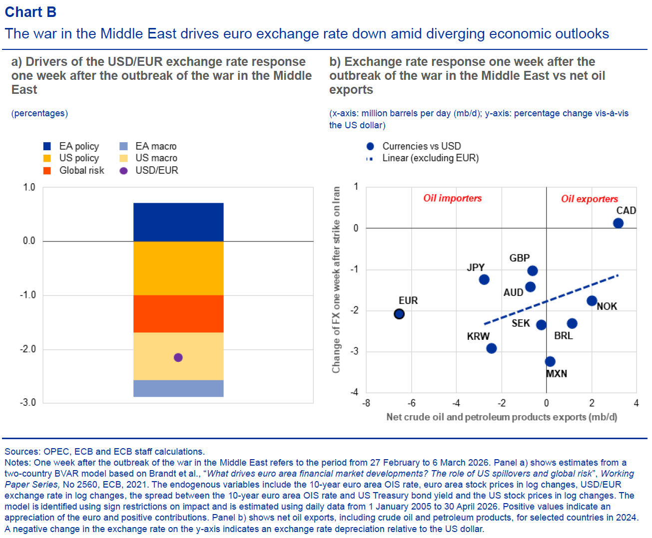
Oil exporters
Oil importers
 | Drivers | Percentage difference | Currency | Exposure to Oil in mio. b/d | Change of FX after Iran War
 | EA policy | 0.7 | USD/EUR | -6.5 | -2.1
 | EA macro | -0.3 | USD/GBP | -0.6 | -1.0
 | US policy | -1.0 | USD/JPY | -2.8 | -1.2
 | US macro | -0.9 | USD/SEK | -0.3 | -2.3
 | Global risk | -0.7 | USD/CAD | 3.2 | 0.1
 | USD/EUR | -2.2 | USD/AUD | -0.7 | -1.4
 | USD/EUR (lhs) | EUR NEER (rhs) | USD NEER (rhs) | US election | #REF!
 | 1 | 1 | 1 | 1 | 1
 |  |  | USD/KRW | -2.5 | -2.9
 |  |  | USD/BRL | 1.1 | -2.3
 |  |  | USD/MXN | 0.1 | -3.2
 |  |  | USD/NOK | 2.0 | -1.8

 | US monetary policy |  | Global risk | EA monetary policy |  | USD/EUR

 | USD/EUR (lhs) | EUR NEER (rhs) | USD NEER (rhs) | US election | #REF!
 | 1 | 1 | 1 | 1 | 1

Box 2 Chart A
Back to ToC

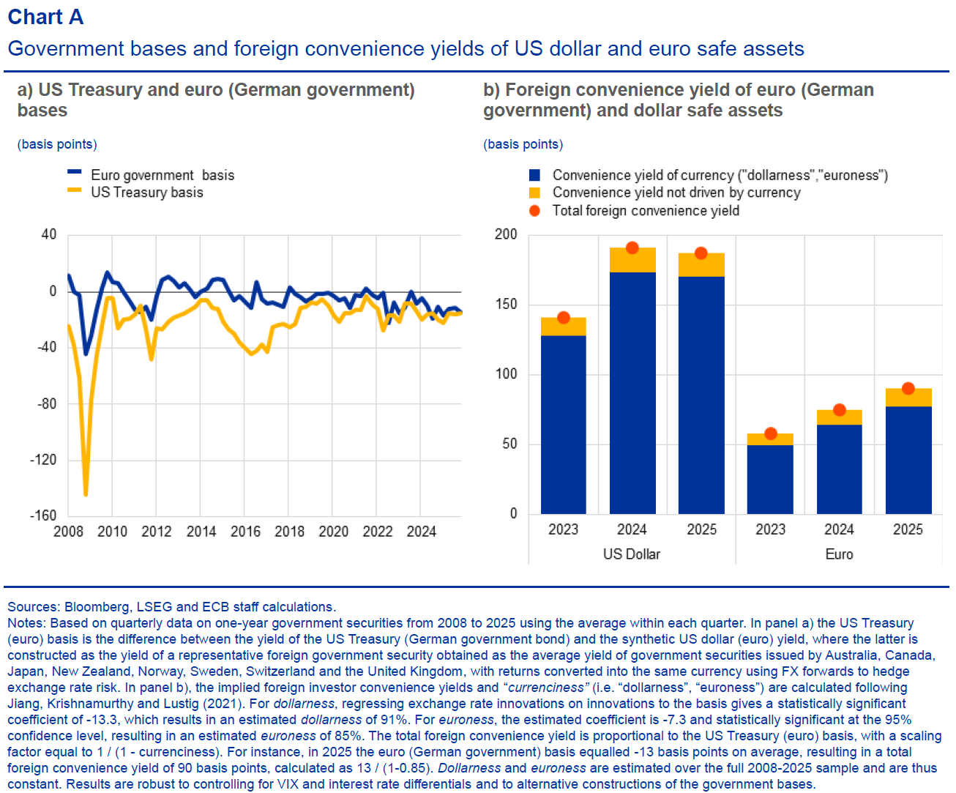
 | Date | US Treasury basis | Euro basis | Currency | Year | Convenience yield of currency | Convenience yield not driven by currency | Total foreign convenience yield
 | 2007-02-14 | 0.0 | 0.0 | US Dollar | 2023 | 128.0 | 13.0 | 140.9
 | 2007-05-16 | 0.0 | 0.0 |  | 2024 | 173.6 | 17.6 | 191.2
 | 2007-08-15 | 0.0 | 0.0 |  | 2025 | 170.2 | 17.2 | 187.4
 | 2007-11-14 17:06:33 | 0.0 | 0.0 | Euro | 2023 | 49.4 | 8.7 | 58.0
 | 2008-02-14 09:36:33 | -24.0 | 11.2 |  | 2024 | 63.7 | 11.2 | 74.8
 | 2008-05-15 09:36:33 | -37.9 | 0.5 |  | 2025 | 76.9 | 13.5 | 90.4
 | 2008-08-15 02:31:52 | -61.2 | -2.2
 | 2008-11-15 12:00:00 | -144.3 | -44.1
 | 2009-02-14 12:00:00 | -77.2 | -31.2
 | 2009-05-15 19:13:07 | -45.3 | -13.1
 | 2009-08-15 12:00:00 | -24.2 | 2.6
 | 2009-11-15 21:28:07 | -4.7 | 13.6
 | 2010-02-14 21:45:00 | -4.3 | 6.6
 | 2010-05-16 04:46:52 | -25.8 | 6.1
 | 2010-08-15 21:28:07 | -19.6 | -0.2
 | 2010-11-16 06:53:26 | -19.1 | -7.0
 | 2011-02-15 07:30:00 | -15.7 | -13.0
 | 2011-05-16 14:23:26 | -10.2 | -14.1
 | 2011-08-16 06:53:26 | -26.8 | -10.8
 | 2011-11-16 | -48.1 | -19.7
 | 2012-02-15 | -26.0 | -3.1
 | 2012-05-16 | -26.5 | 8.8
 | 2012-08-15 | -21.3 | 10.7
 | 2012-11-14 17:06:33 | -18.0 | 7.7
 | 2013-02-13 16:30:00 | -16.5 | 2.9
 | 2013-05-15 | -15.0 | 5.9
 | 2013-08-14 17:06:33 | -13.1 | 1.6
 | 2013-11-15 02:31:52 | -10.5 | -4.1
 | 2014-02-14 02:15:00 | -6.2 | -0.2
 | 2014-05-15 09:36:33 | -5.8 | 2.1
 | 2014-08-15 02:31:52 | -11.5 | 8.4
 | 2014-11-15 12:00:00 | -12.1 | 9.5
 | 2015-02-14 12:00:00 | -21.4 | 8.2
 | 2015-05-15 19:13:07 | -26.3 | 0.8
 | 2015-08-15 12:00:00 | -29.8 | -5.8
 | 2015-11-15 21:28:07 | -36.0 | -3.1
 | 2016-02-15 14:23:26 | -39.4 | -6.5
 | 2016-05-16 14:23:26 | -43.9 | -11.6
 | 2016-08-16 06:53:26 | -41.9 | 6.8
 | 2016-11-16 | -37.4 | -5.2
 | 2017-02-15 | -42.3 | -8.4
 | 2017-05-17 | -24.9 | -7.4
 | 2017-08-16 | -23.9 | -9.3
 | 2017-11-15 | -22.6 | -10.3
 | 2018-02-14 | -24.8 | 3.3
 | 2018-05-16 | -22.5 | -1.8
 | 2018-08-15 | -11.2 | -4.1
 | 2018-11-14 17:06:33 | -10.6 | -6.7
 | 2019-02-13 16:30:00 | -7.8 | -4.3
 | 2019-05-15 | -8.3 | -1.3
 | 2019-08-14 17:06:33 | -5.2 | -1.6
 | 2019-11-15 02:31:52 | -10.0 | -1.0
 | 2020-02-14 19:13:07 | -16.5 | -2.7
 | 2020-05-15 19:13:07 | -21.3 | -5.9
 | 2020-08-15 12:00:00 | -15.3 | -4.9
 | 2020-11-15 21:28:07 | -15.0 | -11.2
 | 2021-02-14 21:45:00 | -13.2 | -2.4
 | 2021-05-16 04:46:52 | -12.7 | -2.9
 | 2021-08-15 21:28:07 | -2.7 | 2.7
 | 2021-11-16 06:53:26 | -9.4 | -1.9
 | 2022-02-15 07:30:00 | -11.8 | -4.5
 | 2022-05-16 14:23:26 | -27.0 | -0.3
 | 2022-08-16 06:53:26 | -16.5 | -21.8
 | 2022-11-16 | -16.6 | -7.5
 | 2023-02-15 | -21.6 | -15.1
 | 2023-05-17 | -8.6 | -11.6
 | 2023-08-16 | -8.1 | 0.1
 | 2023-11-15 | -13.5 | -7.9
 | 2024-02-14 | -19.6 | -4.7
 | 2024-05-15 | -16.0 | -9.8
 | 2024-08-14 17:06:33 | -14.9 | -19.3
 | 2024-11-15 02:31:52 | -19.8 | -10.8
 | 2025-02-14 02:15:00 | -22.4 | -16.5
 | 2025-05-15 09:36:33 | -15.3 | -11.8
 | 2025-08-15 02:31:52 | -15.8 | -11.4
 | 2025-11-15 12:00:00 | -15.5 | -14.2

Box 2 Chart B
Back to ToC

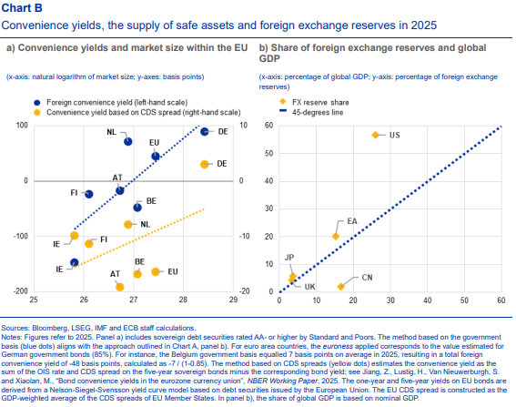

 | Region | ln market size | CDS spread method | Treasury basis method | Date | 2025-12-31 | 2025-12-31
 | DE | 28.4 | 3.1 | 90.4 | Issuer/rating | FX reserves share | World GDP share
 | NL | 26.9 | -7.8 | 71.7 | US | 56.77 | 26.04
 | FI | 26.1 | -11.2 | -23.3 | EA | 20.25 | 15.23
 | AT | 26.7 | -19.1 | -17.0 | JP | 5.78 | 3.75
 | BE | 27.1 | -16.8 | -47.7 | GB | 4.41 | 3.39
 | IE | 25.8 | -9.8 | -146.4 | CN | 1.95 | 16.61
 | EU | 27.4 | -16.3 | 46.0

 |  |  |  |  | LineX | LineY
 |  |  |  |  | 0 | 0
 |  |  |  |  | 60 | 60

Box 2 Chart C
Back to ToC

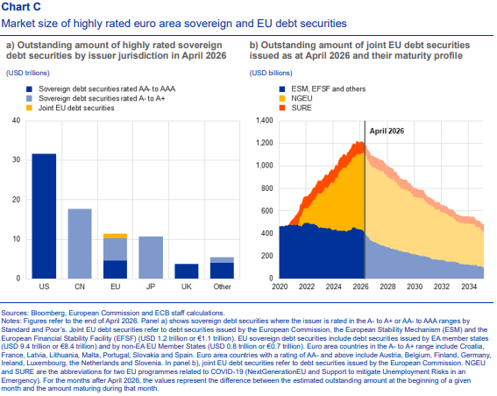
 | AA- to AAA | A- to A+ | Joint EU debt
US | 31681341 | 0 | 0
CN |  | 17643477 | 0
EU | 4564413 | 5682058 | 1207176
JP |  | 10771488 | 0
UK | 3791161 | 0 | 0
Other | 4092919 | 1376590 | 0
 | Others | NGEU | NGEU | Maturity Others | Maturity NGEU | Maturity SURE | Event line
1/31/2018 | 478 | 0 | 0 |  |  |  | -10000
2/28/2018 | 477 | 0 | 0 |  |  |  | -10000
3/31/2018 | 481 | 0 | 0 |  |  |  | -10000
4/30/2018 | 464 | 0 | 0 |  |  |  | -10000
5/31/2018 | 466 | 0 | 0 |  |  |  | -10000
6/30/2018 | 468 | 0 | 0 |  |  |  | -10000
7/31/2018 | 464 | 0 | 0 |  |  |  | -10000
8/31/2018 | 468 | 0 | 0 |  |  |  | -10000
9/30/2018 | 473 | 0 | 0 |  |  |  | -10000
10/31/2018 | 473 | 0 | 0 |  |  |  | -10000
11/30/2018 | 478 | 0 | 0 |  |  |  | -10000
12/31/2018 | 469 | 0 | 0 |  |  |  | -10000
1/31/2019 | 464 | 0 | 0 |  |  |  | -10000
2/28/2019 | 470 | 0 | 0 |  |  |  | -10000
3/31/2019 | 474 | 0 | 0 |  |  |  | -10000
4/30/2019 | 472 | 0 | 0 |  |  |  | -10000
5/31/2019 | 462 | 0 | 0 |  |  |  | -10000
6/30/2019 | 464 | 0 | 0 |  |  |  | -10000
7/31/2019 | 471 | 0 | 0 |  |  |  | -10000
8/31/2019 | 473 | 0 | 0 |  |  |  | -10000
9/30/2019 | 479 | 0 | 0 |  |  |  | -10000
10/31/2019 | 481 | 0 | 0 |  |  |  | -10000
11/30/2019 | 478 | 0 | 0 |  |  |  | -10000
12/31/2019 | 475 | 0 | 0 |  |  |  | -10000
1/31/2020 | 466 | 0 | 0 |  |  |  | -10000
2/29/2020 | 467 | 0 | 0 |  |  |  | -10000
3/31/2020 | 470 | 0 | 0 |  |  |  | -10000
4/30/2020 | 467 | 0 | 0 |  |  |  | -10000
5/31/2020 | 468 | 0 | 0 |  |  |  | -10000
6/30/2020 | 473 | 0 | 0 |  |  |  | -10000
7/31/2020 | 472 | 0 | 0 |  |  |  | -10000
8/31/2020 | 474 | 0 | 0 |  |  |  | -10000
9/30/2020 | 481 | 0 | 0 |  |  |  | -10000
10/31/2020 | 479 | 0 | 20 |  |  |  | -10000
11/30/2020 | 476 | 0 | 41 |  |  |  | -10000
12/31/2020 | 473 | 0 | 52 |  |  |  | -10000
1/31/2021 | 482 | 0 | 52 |  |  |  | -10000
2/28/2021 | 482 | 0 | 64 |  |  |  | -10000
3/31/2021 | 475 | 0 | 90 |  |  |  | -10000
4/30/2021 | 480 | 0 | 90 |  |  |  | -10000
5/31/2021 | 482 | 0 | 107 |  |  |  | -10000
6/30/2021 | 469 | 24 | 107 |  |  |  | -10000
7/31/2021 | 468 | 84 | 107 |  |  |  | -10000
8/31/2021 | 467 | 84 | 107 |  |  |  | -10000
9/30/2021 | 476 | 107 | 107 |  |  |  | -10000
10/31/2021 | 488 | 129 | 107 |  |  |  | -10000
11/30/2021 | 496 | 129 | 107 |  |  |  | -10000
12/31/2021 | 495 | 129 | 107 |  |  |  | -10000
1/31/2022 | 497 | 129 | 107 |  |  |  | -10000
2/28/2022 | 497 | 129 | 107 |  |  |  | -10000
...
 | Issuer | Sovereign debt securities |  | Joint EU debt | Date | Total | SURE | NGEU | Others | Maturity SURE | Maturity NGEU | Maturity Others | Event line
 |  | AA- to AAA | A- to A+ |  | 2018-01-31 | 478 | 0 | 0 | 478 |  |  |  | -10000
 | US | 31681341 | 0 | 0 | 2018-02-28 | 477 | 0 | 0 | 477 |  |  |  | -10000
 | CN |  | 17643477 | 0 | 2018-03-31 | 481 | 0 | 0 | 481 |  |  |  | -10000
 | EU | 4564413 | 5682058 | 1207176 | 2018-04-30 | 464 | 0 | 0 | 464 |  |  |  | -10000
 | JP |  | 10771488 | 0 | 2018-05-31 | 466 | 0 | 0 | 466 |  |  |  | -10000
 | UK | 3791161 | 0 | 0 | 2018-06-30 | 468 | 0 | 0 | 468 |  |  |  | -10000
 | Other | 4092919 | 1376590 | 0 | 2018-07-31 | 464 | 0 | 0 | 464 |  |  |  | -10000
 |  |  |  |  | 2018-08-31 | 468 | 0 | 0 | 468 |  |  |  | -10000
 |  |  |  |  | 2018-09-30 | 473 | 0 | 0 | 473 |  |  |  | -10000
 |  |  |  |  | 2018-10-31 | 473 | 0 | 0 | 473 |  |  |  | -10000
 |  |  |  |  | 2018-11-30 | 478 | 0 | 0 | 478 |  |  |  | -10000
 |  |  |  |  | 2018-12-31 | 469 | 0 | 0 | 469 |  |  |  | -10000
 |  |  |  |  | 2019-01-31 | 464 | 0 | 0 | 464 |  |  |  | -10000
 |  |  |  |  | 2019-02-28 | 470 | 0 | 0 | 470 |  |  |  | -10000
 |  |  |  |  | 2019-03-31 | 474 | 0 | 0 | 474 |  |  |  | -10000
 |  |  |  |  | 2019-04-30 | 472 | 0 | 0 | 472 |  |  |  | -10000
 |  |  |  |  | 2019-05-31 | 462 | 0 | 0 | 462 |  |  |  | -10000
 |  |  |  |  | 2019-06-30 | 464 | 0 | 0 | 464 |  |  |  | -10000
 |  |  |  |  | 2019-07-31 | 471 | 0 | 0 | 471 |  |  |  | -10000
 |  |  |  |  | 2019-08-31 | 473 | 0 | 0 | 473 |  |  |  | -10000
 |  |  |  |  | 2019-09-30 | 479 | 0 | 0 | 479 |  |  |  | -10000
 |  |  |  |  | 2019-10-31 | 481 | 0 | 0 | 481 |  |  |  | -10000
 |  |  |  |  | 2019-11-30 | 478 | 0 | 0 | 478 |  |  |  | -10000
 |  |  |  |  | 2019-12-31 | 475 | 0 | 0 | 475 |  |  |  | -10000
 |  |  |  |  | 2020-01-31 | 466 | 0 | 0 | 466 |  |  |  | -10000
 |  |  |  |  | 2020-02-29 | 467 | 0 | 0 | 467 |  |  |  | -10000
 |  |  |  |  | 2020-03-31 | 470 | 0 | 0 | 470 |  |  |  | -10000
 |  |  |  |  | 2020-04-30 | 467 | 0 | 0 | 467 |  |  |  | -10000
 |  |  |  |  | 2020-05-31 | 468 | 0 | 0 | 468 |  |  |  | -10000
 |  |  |  |  | 2020-06-30 | 473 | 0 | 0 | 473 |  |  |  | -10000
 |  |  |  |  | 2020-07-31 | 472 | 0 | 0 | 472 |  |  |  | -10000
 |  |  |  |  | 2020-08-31 | 474 | 0 | 0 | 474 |  |  |  | -10000
 |  |  |  |  | 2020-09-30 | 481 | 0 | 0 | 481 |  |  |  | -10000
 |  |  |  |  | 2020-10-31 | 499 | 20 | 0 | 479 |  |  |  | -10000
 |  |  |  |  | 2020-11-30 | 517 | 41 | 0 | 476 |  |  |  | -10000
 |  |  |  |  | 2020-12-31 | 525 | 52 | 0 | 473 |  |  |  | -10000
 |  |  |  |  | 2021-01-31 | 533 | 52 | 0 | 482 |  |  |  | -10000
 |  |  |  |  | 2021-02-28 | 546 | 64 | 0 | 482 |  |  |  | -10000
 |  |  |  |  | 2021-03-31 | 564 | 90 | 0 | 475 |  |  |  | -10000
 |  |  |  |  | 2021-04-30 | 570 | 90 | 0 | 480 |  |  |  | -10000
 |  |  |  |  | 2021-05-31 | 589 | 107 | 0 | 482 |  |  |  | -10000
 |  |  |  |  | 2021-06-30 | 600 | 107 | 24 | 469 |  |  |  | -10000
 |  |  |  |  | 2021-07-31 | 659 | 107 | 84 | 468 |  |  |  | -10000
 |  |  |  |  | 2021-08-31 | 659 | 107 | 84 | 467 |  |  |  | -10000
 |  |  |  |  | 2021-09-30 | 690 | 107 | 107 | 476 |  |  |  | -10000
 |  |  |  |  | 2021-10-31 | 723 | 107 | 129 | 488 |  |  |  | -10000
 |  |  |  |  | 2021-11-30 | 731 | 107 | 129 | 496 |  |  |  | -10000
 |  |  |  |  | 2021-12-31 | 731 | 107 | 129 | 495 |  |  |  | -10000
 |  |  |  |  | 2022-01-31 | 732 | 107 | 129 | 497 |  |  |  | -10000
 |  |  |  |  | 2022-02-28 | 732 | 107 | 129 | 497 |  |  |  | -10000
 |  |  |  |  | 2022-03-31 | 754 | 109 | 150 | 495 |  |  |  | -10000
 |  |  |  |  | 2022-04-30 | 757 | 109 | 163 | 485 |  |  |  | -10000
 |  |  |  |  | 2022-05-31 | 777 | 109 | 182 | 486 |  |  |  | -10000
 |  |  |  |  | 2022-06-30 | 794 | 109 | 198 | 487 |  |  |  | -10000
 |  |  |  |  | 2022-07-31 | 809 | 109 | 216 | 484 |  |  |  | -10000
 |  |  |  |  | 2022-08-31 | 811 | 109 | 216 | 486 |  |  |  | -10000
 |  |  |  |  | 2022-09-30 | 836 | 109 | 249 | 477 |  |  |  | -10000
 |  |  |  |  | 2022-10-31 | 849 | 109 | 264 | 475 |  |  |  | -10000
 |  |  |  |  | 2022-11-30 | 872 | 109 | 301 | 462 |  |  |  | -10000
 |  |  |  |  | 2022-12-31 | 869 | 116 | 301 | 452 |  |  |  | -10000
 |  |  |  |  | 2023-01-31 | 870 | 116 | 301 | 453 |  |  |  | -10000
 |  |  |  |  | 2023-02-28 | 870 | 116 | 301 | 453 |  |  |  | -10000
 |  |  |  |  | 2023-03-31 | 891 | 116 | 322 | 453 |  |  |  | -10000
 |  |  |  |  | 2023-04-30 | 892 | 116 | 322 | 454 |  |  |  | -10000
 |  |  |  |  | 2023-05-31 | 924 | 116 | 359 | 448 |  |  |  | -10000
 |  |  |  |  | 2023-06-30 | 926 | 116 | 359 | 450 |  |  |  | -10000
 |  |  |  |  | 2023-07-31 | 921 | 116 | 359 | 446 |  |  |  | -10000
 |  |  |  |  | 2023-08-31 | 924 | 116 | 359 | 449 |  |  |  | -10000
 |  |  |  |  | 2023-09-30 | 947 | 116 | 381 | 450 |  |  |  | -10000
 |  |  |  |  | 2023-10-31 | 961 | 116 | 398 | 447 |  |  |  | -10000
 |  |  |  |  | 2023-11-30 | 973 | 116 | 418 | 439 |  |  |  | -10000
 |  |  |  |  | 2023-12-31 | 966 | 116 | 418 | 431 |  |  |  | -10000
 |  |  |  |  | 2024-01-31 | 968 | 116 | 418 | 433 |  |  |  | -10000
 |  |  |  |  | 2024-02-29 | 993 | 116 | 442 | 435 |  |  |  | -10000
 |  |  |  |  | 2024-03-31 | 1,016 | 116 | 460 | 439 |  |  |  | -10000
 |  |  |  |  | 2024-04-30 | 1,001 | 116 | 460 | 424 |  |  |  | -10000
 |  |  |  |  | 2024-05-31 | 1,044 | 116 | 499 | 429 |  |  |  | -10000
 |  |  |  |  | 2024-06-30 | 1,061 | 116 | 520 | 425 |  |  |  | -10000
 |  |  |  |  | 2024-07-31 | 1,080 | 116 | 537 | 426 |  |  |  | -10000
 |  |  |  |  | 2024-08-31 | 1,079 | 116 | 537 | 425 |  |  |  | -10000
 |  |  |  |  | 2024-09-30 | 1,103 | 116 | 560 | 427 |  |  |  | -10000
 |  |  |  |  | 2024-10-31 | 1,102 | 116 | 560 | 425 |  |  |  | -10000
 |  |  |  |  | 2024-11-30 | 1,105 | 116 | 560 | 428 |  |  |  | -10000
 |  |  |  |  | 2024-12-31 | 1,090 | 116 | 560 | 414 |  |  |  | -10000
 |  |  |  |  | 2025-01-31 | 1,125 | 116 | 580 | 428 |  |  |  | -10000
 |  |  |  |  | 2025-02-28 | 1,125 | 116 | 580 | 428 |  |  |  | -10000
 |  |  |  |  | 2025-03-31 | 1,147 | 116 | 602 | 429 |  |  |  | -10000
 |  |  |  |  | 2025-04-30 | 1,151 | 116 | 602 | 432 |  |  |  | -10000
 |  |  |  |  | 2025-05-31 | 1,183 | 116 | 622 | 445 |  |  |  | -10000
 |  |  |  |  | 2025-06-30 | 1,196 | 116 | 622 | 458 |  |  |  | -10000
 |  |  |  |  | 2025-07-31 | 1,196 | 116 | 624 | 456 |  |  |  | -10000
 |  |  |  |  | 2025-08-31 | 1,195 | 116 | 624 | 455 |  |  |  | -10000
 |  |  |  |  | 2025-09-30 | 1,218 | 116 | 655 | 447 |  |  |  | -10000
 |  |  |  |  | 2025-10-31 | 1,221 | 116 | 664 | 441 |  |  |  | -10000
 |  |  |  |  | 2025-11-30 | 1,215 | 107 | 664 | 444 |  |  |  | -10000
 |  |  |  |  | 2025-12-31 | 1,207 | 107 | 664 | 436 |  |  |  | -10000
 |  |  |  |  | 2026-01-31 | 1,217 | 107 | 675 | 435 |  |  |  | -10000
 |  |  |  |  | 2026-02-28 | 1,219 | 107 | 675 | 437 |  |  |  | -10000
 |  |  |  |  | 2026-03-30 | 1,214 | 97 | 688 | 428 |  |  |  | -10000
 |  |  |  |  | 2026-04-30 | 1,205 | 97 | 695 | 412 |  |  |  | -10000
 |  |  |  |  | 2026-05-01 |  |  |  |  | 97 | 695 | 412 | 10000
 |  |  |  |  | 2026-05-31 |  |  |  |  | 97 | 695 | 398 | 10000
 |  |  |  |  | 2026-06-30 |  |  |  |  | 97 | 695 | 391 | 10000
 |  |  |  |  | 2026-07-31 |  |  |  |  | 97 | 673 | 376 | 10000
 |  |  |  |  | 2026-08-31 |  |  |  |  | 97 | 673 | 368 | 10000
 |  |  |  |  | 2026-09-30 |  |  |  |  | 97 | 673 | 351 | 10000
 |  |  |  |  | 2026-10-31 |  |  |  |  | 97 | 657 | 340 | 10000
 |  |  |  |  | 2026-11-30 |  |  |  |  | 97 | 657 | 337 | 10000
 |  |  |  |  | 2026-12-31 |  |  |  |  | 97 | 657 | 331 | 10000
 |  |  |  |  | 2027-01-31 |  |  |  |  | 97 | 657 | 328 | 10000
 |  |  |  |  | 2027-02-28 |  |  |  |  | 97 | 657 | 325 | 10000
 |  |  |  |  | 2027-03-31 |  |  |  |  | 97 | 657 | 317 | 10000
 |  |  |  |  | 2027-04-30 |  |  |  |  | 97 | 657 | 314 | 10000
 |  |  |  |  | 2027-05-31 |  |  |  |  | 97 | 657 | 308 | 10000
 |  |  |  |  | 2027-06-30 |  |  |  |  | 97 | 657 | 303 | 10000
 |  |  |  |  | 2027-07-31 |  |  |  |  | 97 | 657 | 298 | 10000
 |  |  |  |  | 2027-08-31 |  |  |  |  | 97 | 657 | 298 | 10000
 |  |  |  |  | 2027-09-30 |  |  |  |  | 97 | 657 | 296 | 10000
 |  |  |  |  | 2027-10-31 |  |  |  |  | 97 | 639 | 290 | 10000
 |  |  |  |  | 2027-11-30 |  |  |  |  | 97 | 639 | 286 | 10000
 |  |  |  |  | 2027-12-31 |  |  |  |  | 97 | 619 | 283 | 10000
 |  |  |  |  | 2028-01-31 |  |  |  |  | 97 | 619 | 283 | 10000
 |  |  |  |  | 2028-02-29 |  |  |  |  | 97 | 619 | 277 | 10000
 |  |  |  |  | 2028-03-31 |  |  |  |  | 97 | 619 | 273 | 10000
 |  |  |  |  | 2028-04-30 |  |  |  |  | 97 | 619 | 266 | 10000
 |  |  |  |  | 2028-05-31 |  |  |  |  | 97 | 619 | 266 | 10000
 |  |  |  |  | 2028-06-30 |  |  |  |  | 85 | 619 | 266 | 10000
 |  |  |  |  | 2028-07-31 |  |  |  |  | 85 | 599 | 262 | 10000
 |  |  |  |  | 2028-08-31 |  |  |  |  | 85 | 599 | 262 | 10000
 |  |  |  |  | 2028-09-30 |  |  |  |  | 85 | 599 | 254 | 10000
 |  |  |  |  | 2028-10-31 |  |  |  |  | 85 | 576 | 254 | 10000
 |  |  |  |  | 2028-11-30 |  |  |  |  | 85 | 576 | 251 | 10000
 |  |  |  |  | 2028-12-31 |  |  |  |  | 85 | 555 | 247 | 10000
 |  |  |  |  | 2029-01-31 |  |  |  |  | 85 | 555 | 247 | 10000
 |  |  |  |  | 2029-02-28 |  |  |  |  | 85 | 555 | 243 | 10000
 |  |  |  |  | 2029-03-31 |  |  |  |  | 85 | 555 | 240 | 10000
 |  |  |  |  | 2029-04-30 |  |  |  |  | 85 | 555 | 236 | 10000
 |  |  |  |  | 2029-05-31 |  |  |  |  | 85 | 555 | 236 | 10000
 |  |  |  |  | 2029-06-30 |  |  |  |  | 85 | 555 | 236 | 10000
 |  |  |  |  | 2029-07-31 |  |  |  |  | 75 | 545 | 231 | 10000
 |  |  |  |  | 2029-08-31 |  |  |  |  | 75 | 545 | 231 | 10000
 |  |  |  |  | 2029-09-30 |  |  |  |  | 75 | 545 | 228 | 10000
 |  |  |  |  | 2029-10-31 |  |  |  |  | 75 | 527 | 220 | 10000
 |  |  |  |  | 2029-11-30 |  |  |  |  | 75 | 527 | 220 | 10000
 |  |  |  |  | 2029-12-31 |  |  |  |  | 75 | 509 | 218 | 10000
 |  |  |  |  | 2030-01-31 |  |  |  |  | 75 | 509 | 218 | 10000
 |  |  |  |  | 2030-02-28 |  |  |  |  | 75 | 509 | 218 | 10000
 |  |  |  |  | 2030-03-31 |  |  |  |  | 75 | 509 | 212 | 10000
 |  |  |  |  | 2030-04-30 |  |  |  |  | 75 | 509 | 212 | 10000
 |  |  |  |  | 2030-05-31 |  |  |  |  | 75 | 509 | 207 | 10000
 |  |  |  |  | 2030-06-30 |  |  |  |  | 75 | 509 | 207 | 10000
 |  |  |  |  | 2030-07-31 |  |  |  |  | 75 | 509 | 204 | 10000
 |  |  |  |  | 2030-08-31 |  |  |  |  | 75 | 509 | 204 | 10000
 |  |  |  |  | 2030-09-30 |  |  |  |  | 75 | 509 | 200 | 10000
 |  |  |  |  | 2030-10-31 |  |  |  |  | 64 | 491 | 200 | 10000
 |  |  |  |  | 2030-11-30 |  |  |  |  | 64 | 491 | 196 | 10000
 |  |  |  |  | 2030-12-31 |  |  |  |  | 64 | 469 | 196 | 10000
 |  |  |  |  | 2031-01-31 |  |  |  |  | 64 | 469 | 190 | 10000
 |  |  |  |  | 2031-02-28 |  |  |  |  | 64 | 469 | 190 | 10000
 |  |  |  |  | 2031-03-31 |  |  |  |  | 64 | 469 | 185 | 10000
 |  |  |  |  | 2031-04-30 |  |  |  |  | 64 | 469 | 176 | 10000
 |  |  |  |  | 2031-05-31 |  |  |  |  | 64 | 469 | 171 | 10000
 |  |  |  |  | 2031-06-30 |  |  |  |  | 64 | 469 | 171 | 10000
 |  |  |  |  | 2031-07-31 |  |  |  |  | 64 | 445 | 171 | 10000
 |  |  |  |  | 2031-08-31 |  |  |  |  | 64 | 445 | 171 | 10000
 |  |  |  |  | 2031-09-30 |  |  |  |  | 64 | 445 | 171 | 10000
 |  |  |  |  | 2031-10-31 |  |  |  |  | 64 | 445 | 168 | 10000
 |  |  |  |  | 2031-11-30 |  |  |  |  | 64 | 445 | 168 | 10000
 |  |  |  |  | 2031-12-31 |  |  |  |  | 64 | 422 | 168 | 10000
 |  |  |  |  | 2032-01-31 |  |  |  |  | 64 | 422 | 168 | 10000
 |  |  |  |  | 2032-02-29 |  |  |  |  | 64 | 422 | 168 | 10000
 |  |  |  |  | 2032-03-31 |  |  |  |  | 64 | 422 | 165 | 10000
 |  |  |  |  | 2032-04-30 |  |  |  |  | 64 | 422 | 161 | 10000
 |  |  |  |  | 2032-05-31 |  |  |  |  | 64 | 422 | 156 | 10000
 |  |  |  |  | 2032-06-30 |  |  |  |  | 64 | 422 | 153 | 10000
 |  |  |  |  | 2032-07-31 |  |  |  |  | 64 | 401 | 153 | 10000
 |  |  |  |  | 2032-08-31 |  |  |  |  | 64 | 401 | 153 | 10000
 |  |  |  |  | 2032-09-30 |  |  |  |  | 64 | 401 | 149 | 10000
 |  |  |  |  | 2032-10-31 |  |  |  |  | 64 | 401 | 149 | 10000
 |  |  |  |  | 2032-11-30 |  |  |  |  | 64 | 401 | 149 | 10000
 |  |  |  |  | 2032-12-31 |  |  |  |  | 64 | 380 | 149 | 10000
 |  |  |  |  | 2033-01-31 |  |  |  |  | 64 | 380 | 149 | 10000
 |  |  |  |  | 2033-02-28 |  |  |  |  | 64 | 362 | 145 | 10000
 |  |  |  |  | 2033-03-31 |  |  |  |  | 64 | 362 | 145 | 10000
 |  |  |  |  | 2033-04-30 |  |  |  |  | 64 | 362 | 142 | 10000
 |  |  |  |  | 2033-05-31 |  |  |  |  | 64 | 362 | 133 | 10000
 |  |  |  |  | 2033-06-30 |  |  |  |  | 64 | 362 | 133 | 10000
 |  |  |  |  | 2033-07-31 |  |  |  |  | 64 | 362 | 133 | 10000
 |  |  |  |  | 2033-08-31 |  |  |  |  | 64 | 362 | 130 | 10000
 |  |  |  |  | 2033-09-30 |  |  |  |  | 64 | 362 | 127 | 10000
 |  |  |  |  | 2033-10-31 |  |  |  |  | 64 | 362 | 127 | 10000
 |  |  |  |  | 2033-11-30 |  |  |  |  | 64 | 362 | 127 | 10000
 |  |  |  |  | 2033-12-31 |  |  |  |  | 64 | 362 | 127 | 10000
 |  |  |  |  | 2034-01-31 |  |  |  |  | 64 | 362 | 127 | 10000
 |  |  |  |  | 2034-02-28 |  |  |  |  | 64 | 362 | 122 | 10000
 |  |  |  |  | 2034-03-31 |  |  |  |  | 64 | 362 | 122 | 10000
 |  |  |  |  | 2034-04-30 |  |  |  |  | 64 | 362 | 122 | 10000
 |  |  |  |  | 2034-05-31 |  |  |  |  | 64 | 362 | 122 | 10000
 |  |  |  |  | 2034-06-30 |  |  |  |  | 64 | 362 | 122 | 10000
 |  |  |  |  | 2034-07-31 |  |  |  |  | 64 | 341 | 122 | 10000
 |  |  |  |  | 2034-08-31 |  |  |  |  | 64 | 341 | 121 | 10000
 |  |  |  |  | 2034-09-30 |  |  |  |  | 64 | 341 | 113 | 10000
 |  |  |  |  | 2034-10-31 |  |  |  |  | 64 | 341 | 113 | 10000
 |  |  |  |  | 2034-11-30 |  |  |  |  | 64 | 341 | 113 | 10000
 |  |  |  |  | 2034-12-31 |  |  |  |  | 64 | 317 | 113 | 10000
 |  |  |  |  | 2035-01-31 |  |  |  |  | 64 | 317 | 107 | 10000
 |  |  |  |  | 2035-02-28 |  |  |  |  | 64 | 317 | 104 | 10000
 |  |  |  |  | 2035-03-31 |  |  |  |  | 64 | 317 | 104 | 10000
 |  |  |  |  | 2035-04-30 |  |  |  |  | 64 | 317 | 99 | 10000
 |  |  |  |  | 2035-05-31 |  |  |  |  | 64 | 317 | 99 | 10000
 |  |  |  |  | 2035-06-30 |  |  |  |  | 64 | 317 | 97 | 10000
 |  |  |  |  | 2035-07-31 |  |  |  |  | 53 | 317 | 97 | 10000
 |  |  |  |  | 2035-08-31 |  |  |  |  | 53 | 317 | 97 | 10000
 |  |  |  |  | 2035-09-30 |  |  |  |  | 53 | 317 | 97 | 10000
 |  |  |  |  | 2035-10-31 |  |  |  |  | 53 | 317 | 95 | 10000
 |  |  |  |  | 2035-11-30 |  |  |  |  | 53 | 317 | 95 | 10000
 |  |  |  |  | 2035-12-31 |  |  |  |  | 53 | 295 | 95 | 10000

Box 3 Chart A
Back to ToC

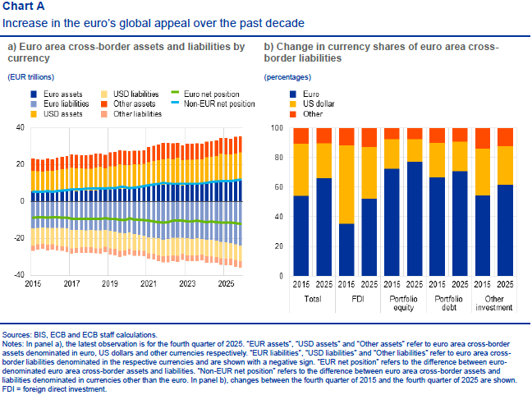
 | Date | Euro assets | Euro liabilities | Euro net position | USD assets | Other assets | USD liabilities | Other liabilities | Other net position | Category | Year | EUR | USD | Other
 | 2015-01-01 | 5717.2 | -14387.0 | -8669.7 | 11150.0 | 6587.4 | -9178.3 | -2950.4 | 5608.8 | Total | 2015 | 54.2 | 35.1 | 10.7
 | 2015-01-01 | 5733.5 | -14167.5 | -8434.1 | 10897.8 | 6536.8 | -8912.0 | -2931.9 | 5590.7 |  | 2025 | 66.0 | 23.8 | 10.2
 | 2015-01-01 | 5564.7 | -13722.6 | -8157.8 | 10888.1 | 6316.1 | -8979.2 | -2869.9 | 5355.2 | FDI | 2015 | 35.4 | 53.2 | 11.3
 | 2015-01-01 | 5670.9 | -14222.8 | -8551.9 | 11396.7 | 6409.2 | -9226.7 | -2813.8 | 5765.4 |  | 2025 | 52.1 | 35.1 | 12.8
 | 2016-01-01 | 5745.1 | -14059.1 | -8314.0 | 11250.9 | 6350.9 | -9151.9 | -2820.8 | 5629.1 | Portfolio equity | 2015 | 72.6 | 19.8 | 7.6
 | 2016-01-01 | 5805.8 | -14157.8 | -8352.1 | 11651.8 | 6520.6 | -9502.2 | -2777.4 | 5892.9 |  | 2025 | 77.6 | 15.1 | 7.3
 | 2016-01-01 | 5826.8 | -14300.1 | -8473.3 | 11891.5 | 6664.8 | -9667.8 | -2825.6 | 6062.9 | Portfolio debt | 2015 | 66.8 | 23.5 | 9.7
 | 2016-01-01 | 5888.3 | -14632.7 | -8744.4 | 12206.8 | 6749.0 | -9697.8 | -2821.4 | 6436.6 |  | 2025 | 70.8 | 20.3 | 8.9
 | 2017-01-01 | 6028.8 | -15255.3 | -9226.5 | 12646.5 | 7197.0 | -10022.9 | -2911.1 | 6909.5 | Other investment | 2015 | 54.6 | 31.4 | 14.1
 | 2017-01-01 | 5925.1 | -15124.7 | -9199.6 | 12369.3 | 7070.0 | -9774.1 | -2834.3 | 6830.8 |  | 2025 | 61.7 | 25.9 | 12.3
 | 2017-01-01 | 6051.8 | -15296.2 | -9244.3 | 12076.1 | 7096.5 | -9469.1 | -2830.2 | 6873.3
 | 2017-01-01 | 6205.3 | -15627.5 | -9422.1 | 11891.4 | 7189.6 | -9108.1 | -2785.0 | 7187.9
 | 2018-01-01 | 6158.1 | -15328.1 | -9169.9 | 11952.5 | 7262.7 | -9345.3 | -2893.0 | 6976.9
 | 2018-01-01 | 6294.4 | -15488.3 | -9193.9 | 12428.0 | 7368.1 | -9730.9 | -2908.0 | 7157.2
 | 2018-01-01 | 6403.1 | -15560.2 | -9157.1 | 12466.3 | 7393.3 | -9670.2 | -2907.8 | 7281.6
 | 2018-01-01 | 6339.6 | -15257.3 | -8917.8 | 11894.3 | 7310.5 | -9216.0 | -2861.5 | 7127.3
 | 2019-01-01 | 6592.0 | -15731.1 | -9139.1 | 12516.3 | 7832.7 | -9644.8 | -3197.8 | 7506.4
 | 2019-01-01 | 6838.0 | -16210.9 | -9373.0 | 12481.2 | 7845.4 | -9585.3 | -3189.2 | 7552.1
 | 2019-01-01 | 7113.1 | -16800.5 | -9687.4 | 12974.5 | 8140.0 | -9798.7 | -3352.5 | 7963.2
 | 2019-01-01 | 7209.4 | -17016.6 | -9807.2 | 12617.2 | 8005.5 | -9243.7 | -3169.5 | 8209.5
 | 2020-01-01 | 7760.5 | -16614.7 | -8854.2 | 12130.1 | 7424.1 | -9044.6 | -3061.0 | 7448.5
 | 2020-01-01 | 8011.0 | -17451.5 | -9440.5 | 12380.4 | 7539.0 | -8929.6 | -3053.8 | 7936.0
 | 2020-01-01 | 8135.8 | -17641.5 | -9505.8 | 12165.3 | 7550.5 | -8721.5 | -2965.0 | 8029.2
 | 2020-01-01 | 8454.9 | -18397.6 | -9942.7 | 12075.1 | 7733.5 | -8320.1 | -2887.9 | 8600.6
 | 2021-01-01 | 8749.3 | -18995.9 | -10246.6 | 12962.4 | 8040.0 | -8830.3 | -3028.5 | 9143.6
 | 2021-01-01 | 8915.6 | -19463.4 | -10547.8 | 13210.8 | 8171.5 | -8858.8 | -2981.5 | 9542.1
 | 2021-01-01 | 9032.5 | -19839.3 | -10806.7 | 13590.7 | 8366.2 | -9063.3 | -3204.7 | 9688.8
 | 2021-01-01 | 9247.6 | -20603.6 | -11356.1 | 14100.0 | 8603.5 | -9070.7 | -3194.9 | 10437.9
 | 2022-01-01 | 9331.8 | -20153.2 | -10821.4 | 14126.2 | 8491.1 | -9287.4 | -3298.8 | 10031.1
 | 2022-01-01 | 9220.0 | -19585.3 | -10365.3 | 14089.8 | 8409.8 | -9457.4 | -3331.2 | 9711.0
 | 2022-01-01 | 9214.2 | -19404.8 | -10190.6 | 14554.4 | 8249.3 | -9742.3 | -3343.4 | 9717.9
 | 2022-01-01 | 8880.0 | -19286.4 | -10406.5 | 13567.5 | 8223.0 | -9018.9 | -3162.3 | 9609.3
 | 2023-01-01 | 9226.5 | -19718.1 | -10491.6 | 13625.1 | 8488.4 | -9193.9 | -3278.9 | 9640.7
 | 2023-01-01 | 9328.4 | -19958.7 | -10630.2 | 13666.2 | 8462.1 | -9036.9 | -3305.3 | 9786.2
 | 2023-01-01 | 9414.2 | -19816.1 | -10401.9 | 13894.8 | 8409.9 | -9150.2 | -3341.4 | 9813.0
 | 2023-01-01 | 9514.8 | -20119.7 | -10604.9 | 13571.3 | 8427.1 | -8623.3 | -3312.1 | 10063.0
 | 2024-01-01 | 9938.5 | -20811.5 | -10873.0 | 14193.0 | 8605.4 | -8947.0 | -3352.0 | 10499.3
 | 2024-01-01 | 10135.6 | -20876.9 | -10741.4 | 14356.1 | 8678.0 | -8890.2 | -3395.1 | 10748.8
 | 2024-01-01 | 10334.6 | -21182.5 | -10847.8 | 14408.0 | 8769.7 | -8661.4 | -3461.9 | 11054.4
 | 2024-01-01 | 10764.4 | -21867.8 | -11103.4 | 15256.4 | 8573.6 | -8800.0 | -3522.7 | 11507.4
 | 2025-01-01 | 10881.5 | -22151.7 | -11270.1 | 14985.3 | 8803.4 | -8815.5 | -3621.8 | 11351.4
 | 2025-01-01 | 11107.4 | -22393.3 | -11285.9 | 14557.9 | 8773.2 | -8496.7 | -3568.0 | 11266.4
 | 2025-01-01 | 11394.3 | -23070.3 | -11676.1 | 14856.8 | 8962.0 | -8485.7 | -3617.8 | 11715.3
 | 2025-01-01 | 11681.7 | -23621.1 | -11939.4 | 15036.1 | 9091.7 | -8541.1 | -3653.7 | 11933.0

Box 3 Chart B
Back to ToC

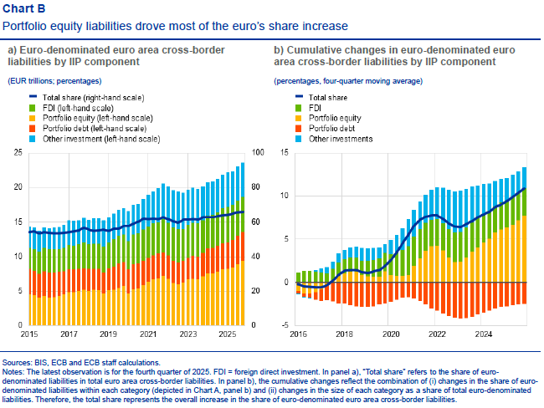
 | Year | Euro share | Portfolio debt | Portfolio equity | Other investment | FDI | date | Total | FDI | Portf Debt | Portf Equity | Other Investment
 | 2015 | 54.26 | 3704 | 4548 | 3114 | 3021 | 2016 | -0.19 | 1.16 | -0.30 | -0.97 | -0.09
 | 2015 | 54.47 | 3546 | 4390 | 3083 | 3148 | 2016 | -0.41 | 1.33 | -0.35 | -1.29 | -0.11
 | 2015 | 53.66 | 3479 | 4060 | 3038 | 3146 | 2016 | -0.49 | 1.34 | -0.47 | -1.27 | -0.09
 | 2015 | 54.15 | 3576 | 4301 | 2957 | 3389 | 2016 | -0.55 | 1.23 | -0.80 | -1.16 | 0.18
 | 2016 | 54.01 | 3601 | 4067 | 3029 | 3363 | 2017 | -0.53 | 1.15 | -1.34 | -0.80 | 0.47
 | 2016 | 53.55 | 3548 | 4116 | 3113 | 3380 | 2017 | -0.28 | 1.10 | -1.77 | -0.29 | 0.68
 | 2016 | 53.37 | 3513 | 4279 | 3206 | 3302 | 2017 | 0.24 | 1.25 | -2.19 | 0.29 | 0.88
 | 2016 | 53.89 | 3344 | 4565 | 3342 | 3382 | 2017 | 0.96 | 1.54 | -2.41 | 0.77 | 1.05
 | 2017 | 54.12 | 3282 | 4809 | 3606 | 3558 | 2018 | 1.33 | 1.63 | -2.44 | 1.06 | 1.07
 | 2017 | 54.54 | 3249 | 4881 | 3508 | 3487 | 2018 | 1.46 | 1.68 | -2.62 | 1.26 | 1.14
 | 2017 | 55.43 | 3155 | 5047 | 3523 | 3571 | 2018 | 1.43 | 1.67 | -2.74 | 1.25 | 1.24
 | 2017 | 56.78 | 3143 | 5162 | 3575 | 3747 | 2018 | 1.19 | 1.69 | -2.81 | 0.84 | 1.46
 | 2018 | 55.60 | 3184 | 5020 | 3547 | 3576 | 2019 | 1.05 | 1.74 | -2.87 | 0.74 | 1.44
 | 2018 | 55.07 | 3094 | 5168 | 3637 | 3590 | 2019 | 1.27 | 1.93 | -2.74 | 0.66 | 1.42
 | 2018 | 55.30 | 3083 | 5145 | 3698 | 3634 | 2019 | 1.46 | 2.09 | -2.57 | 0.68 | 1.26
 | 2018 | 55.82 | 3041 | 4678 | 3796 | 3742 | 2019 | 1.97 | 2.13 | -2.45 | 1.29 | 0.99
 | 2019 | 55.05 | 3228 | 5085 | 3657 | 3761 | 2020 | 2.66 | 2.45 | -2.26 | 0.87 | 1.60
 | 2019 | 55.93 | 3336 | 5236 | 3717 | 3922 | 2020 | 3.50 | 2.72 | -2.02 | 0.82 | 1.98
 | 2019 | 56.09 | 3490 | 5503 | 3745 | 4062 | 2020 | 4.52 | 3.05 | -1.79 | 0.77 | 2.49
 | 2019 | 57.82 | 3423 | 5753 | 3767 | 4074 | 2020 | 5.60 | 3.37 | -1.71 | 0.84 | 3.11
 | 2020 | 57.85 | 3463 | 4626 | 4380 | 4146 | 2021 | 6.53 | 3.40 | -1.86 | 1.94 | 3.05
 | 2020 | 59.29 | 3671 | 5253 | 4228 | 4300 | 2021 | 7.25 | 3.40 | -2.16 | 2.81 | 3.20
 | 2020 | 60.15 | 3681 | 5337 | 4261 | 4362 | 2021 | 7.66 | 3.27 | -2.56 | 3.64 | 3.31
 | 2020 | 62.14 | 3533 | 5867 | 4517 | 4480 | 2021 | 7.80 | 3.09 | -2.96 | 4.21 | 3.46
 | 2021 | 61.57 | 3538 | 6327 | 4642 | 4488 | 2022 | 7.79 | 3.08 | -3.25 | 4.28 | 3.68
 | 2021 | 62.18 | 3534 | 6682 | 4674 | 4574 | 2022 | 7.37 | 3.15 | -3.59 | 3.71 | 4.10
 | 2021 | 61.79 | 3509 | 6905 | 4811 | 4614 | 2022 | 6.86 | 3.27 | -3.88 | 2.93 | 4.54
 | 2021 | 62.68 | 3395 | 7267 | 5209 | 4734 | 2022 | 6.51 | 3.41 | -4.03 | 2.39 | 4.74
 | 2022 | 61.56 | 3383 | 6798 | 5215 | 4757 | 2023 | 6.43 | 3.45 | -4.17 | 2.42 | 4.73
 | 2022 | 60.50 | 3215 | 6177 | 5383 | 4810 | 2023 | 6.76 | 3.43 | -4.11 | 2.93 | 4.50
 | 2022 | 59.72 | 3171 | 5971 | 5439 | 4824 | 2023 | 7.16 | 3.43 | -3.98 | 3.54 | 4.16
 | 2022 | 61.29 | 3058 | 6281 | 5237 | 4710 | 2023 | 7.53 | 3.38 | -3.72 | 4.10 | 3.77
 | 2023 | 61.25 | 3154 | 6714 | 5119 | 4731 | 2024 | 7.93 | 3.33 | -3.49 | 4.62 | 3.47
 | 2023 | 61.79 | 3285 | 6828 | 5072 | 4774 | 2024 | 8.22 | 3.24 | -3.28 | 5.09 | 3.17
 | 2023 | 61.34 | 3317 | 6726 | 4972 | 4800 | 2024 | 8.79 | 3.10 | -3.00 | 5.75 | 2.94
 | 2023 | 62.77 | 3448 | 7113 | 4826 | 4733 | 2024 | 9.08 | 3.09 | -2.87 | 6.14 | 2.72
 | 2024 | 62.85 | 3548 | 7594 | 4865 | 4804 | 2025 | 9.38 | 3.15 | -2.76 | 6.36 | 2.63
 | 2024 | 62.95 | 3647 | 7637 | 4821 | 4773 | 2025 | 9.89 | 3.22 | -2.60 | 6.70 | 2.57
 | 2024 | 63.60 | 3793 | 7818 | 4808 | 4764 | 2025 | 10.39 | 3.26 | -2.54 | 7.17 | 2.50
 | 2024 | 63.96 | 3865 | 8121 | 4846 | 5035 | 2025 | 10.88 | 3.14 | -2.48 | 7.80 | 2.42
 | 2025 | 64.04 | 3853 | 8233 | 4966 | 5100
 | 2025 | 64.99 | 4011 | 8397 | 4926 | 5060
 | 2025 | 65.59 | 4092 | 8925 | 4972 | 5082
 | 2025 | 65.95 | 4139 | 9409 | 4968 | 5105

Box 3 Chart C
Back to ToC

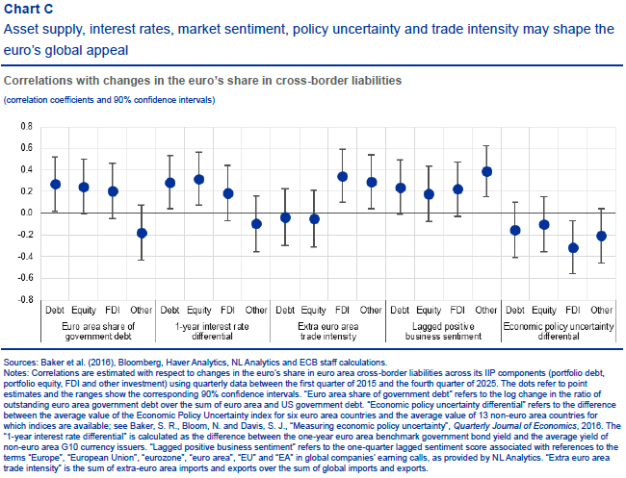
 | Variable | Category | Correlation | Lower bound | Upper bound
 | Euro area share of government debt | Debt | 0.27 | 0.25 | 0.25
 |  | Equity | 0.25 | 0.25 | 0.25
 |  | FDI | 0.21 | 0.25 | 0.25
 |  | Other | -0.18 | 0.26 | 0.26
 | 1-year interest rate differential | Debt | 0.29 | 0.25 | 0.25
 |  | Equity | 0.32 | 0.24 | 0.24
 |  | FDI | 0.19 | 0.25 | 0.25
 |  | Other | -0.10 | 0.26 | 0.26
 | Extra euro area trade intensity | Debt | -0.03 | 0.26 | 0.26
 |  | Equity | -0.05 | 0.26 | 0.26
 |  | FDI | 0.34 | 0.24 | 0.24
 |  | Other | 0.29 | 0.25 | 0.25
 | Lagged positive business sentiment | Debt | 0.24 | 0.25 | 0.25
 |  | Equity | 0.18 | 0.25 | 0.25
 |  | FDI | 0.22 | 0.25 | 0.25
 |  | Other | 0.39 | 0.24 | 0.24
 | Economic policy uncertainty differential | Debt | -0.15 | 0.25 | 0.25
 |  | Equity | -0.10 | 0.26 | 0.26
 |  | FDI | -0.31 | 0.24 | 0.24
 |  | Other | -0.21 | 0.25 | 0.25

